CCDC40 _multivariate
Reported by Tex Li-Hsing Chi. tex@gate.sinica.edu.tw 2019-08-21

Table 2. The clinicopathological features of HNSCC cohort and CCDC40 expression. (Chi square test)
Cutoff at -0.074 (61.8%)
 |  | CCDC40 expression |  | CCDC40 expression |  | (Optimised)
 | Features | Low | (%) | High | (%) | Case no | P-value | Remark | Matthews
Gender | Female | 183 | 44.1 | 123 | 29.6 | 415 | 0.2273 | 0 | 0
2 | Male | 73 | 17.6 | 36 | 8.7
Age at diagnosis | <=65y | 170 | 41 | 104 | 25.1 | 415 | 0.9188 | 0 | 0
4 | >65y | 86 | 20.7 | 55 | 13.3
Clinical T Status | T1+T2 | 96 | 23.1 | 53 | 12.8 | 415 | 0.4503 | 0 | 0
6 | T3+T4 | 160 | 38.6 | 106 | 25.5
Clinical N Status | N0 | 135 | 32.5 | 81 | 19.5 | 415 | 0.7995 | 0 | 0
8 | N1-3 | 121 | 29.2 | 78 | 18.8
Clinical M Status | M0 | 254 | 61.2 | 158 | 38.1 | 415 | 1 | 0 | 0
10 | M1 | 2 | 0.5 | 1 | 0.2
Clinical Stage | Stage I+II | 68 | 16.4 | 34 | 8.2 | 415 | 0.2828 | 0 | 0
12 | Stage III+IV | 188 | 45.3 | 125 | 30.1
Surgical Margin status | Negative | 195 | 47 | 123 | 29.6 | 415 | 0.8123 | 0 | 0
14 | Positive | 61 | 14.7 | 36 | 8.7
Tobacco Exposure | Low | 109 | 26.3 | 52 | 12.5 | 415 | 0.0493 | 1 | 0
16 | High | 147 | 35.4 | 107 | 25.8

Table 3. Univariate/Multivariate Cox's proportional hazards regression analyses on OS time of CCDC40 gene expression in HNSCC

 |  | Univariate |  |  |  | Multivariate
 | Features | HR | CI95%(L) | CI95%(H) | P-value | HR | CI95%(L) | CI95%(H) | P-value
1 | Female | 1 |  |  |  | 1
Gender | Male | 1.157 | 0.843 | 1.587 | 0.367 | 1.165 | 0.833 | 1.627 | 0.372
11 | <=65y | 1 |  |  |  | 1
Age at diagnosis | >65y | 1.329 | 0.99 | 1.784 | 0.058 | 1.473 | 1.079 | 2.01 | 0.015
12 | T1+T2 | 1 |  |  |  | 1
Clinical T Status | T3+T4 | 1.409 | 1.028 | 1.931 | 0.033 | 2.2 | 1.163 | 4.161 | 0.015
13 | N0 | 1 |  |  |  | 1
Clinical N Status | N1-3 | 1.185 | 0.89 | 1.577 | 0.246 | 1.242 | 0.871 | 1.772 | 0.231
14 | M0 | 1 |  |  |  | 1
Clinical M Status | M1 | 4.097 | 1.009 | 16.644 | 0.049 | 9.411 | 2.052 | 43.17 | 0.004
15 | Stage I+II | 1 |  |  |  | 1
Clinical Stage | Stage III+IV | 1.245 | 0.882 | 1.759 | 0.213 | 0.521 | 0.242 | 1.12 | 0.095
16 | Negative | 1 |  |  |  | 1
Surgical Margin status | Positive | 1.591 | 1.155 | 2.191 | 0.004 | 1.642 | 1.188 | 2.269 | 0.003
17 | Low | 1 |  |  |  | 1
Tobacco Exposure | High | 1.364 | 1.008 | 1.844 | 0.044 | 1.518 | 1.099 | 2.097 | 0.011
18 | Low | 1 |  |  |  | 1
RNAseq(z-score) | High | 0.722 | 0.53 | 0.983 | 0.039 | 0.671 | 0.49 | 0.92 | 0.013

Table 4. Univariate/Multivariate Cox's proportional hazards regression analyses on RFS time of CCDC40 gene expression in HNSCC

 |  | Univariate |  |  |  | Multivariate
 | Features | HR | CI95%(L) | CI95%(H) | P-value | HR | CI95%(L) | CI95%(H) | P-value
1 | Female | 1 |  |  |  | 1
Gender | Male | 1.157 | 0.843 | 1.587 | 0.367 | 1.165 | 0.833 | 1.627 | 0.372
11 | <=65y | 1 |  |  |  | 1
Age at diagnosis | >65y | 1.329 | 0.99 | 1.784 | 0.058 | 1.473 | 1.079 | 2.01 | 0.015
12 | T1+T2 | 1 |  |  |  | 1
Clinical T Status | T3+T4 | 1.409 | 1.028 | 1.931 | 0.033 | 2.2 | 1.163 | 4.161 | 0.015
13 | N0 | 1 |  |  |  | 1
Clinical N Status | N1-3 | 1.185 | 0.89 | 1.577 | 0.246 | 1.242 | 0.871 | 1.772 | 0.231
14 | M0 | 1 |  |  |  | 1
Clinical M Status | M1 | 4.097 | 1.009 | 16.644 | 0.049 | 9.411 | 2.052 | 43.17 | 0.004
15 | Stage I+II | 1 |  |  |  | 1
Clinical Stage | Stage III+IV | 1.245 | 0.882 | 1.759 | 0.213 | 0.521 | 0.242 | 1.12 | 0.095
16 | Negative | 1 |  |  |  | 1
Surgical Margin status | Positive | 1.591 | 1.155 | 2.191 | 0.004 | 1.642 | 1.188 | 2.269 | 0.003
17 | Low | 1 |  |  |  | 1
Tobacco Exposure | High | 1.364 | 1.008 | 1.844 | 0.044 | 1.518 | 1.099 | 2.097 | 0.011
18 | Low | 1 |  |  |  | 1
RNAseq(z-score) | High | 0.722 | 0.53 | 0.983 | 0.039 | 0.671 | 0.49 | 0.92 | 0.013

Kaplan-Meier survival estimate: Cutoff at -0.074 (61.8%)



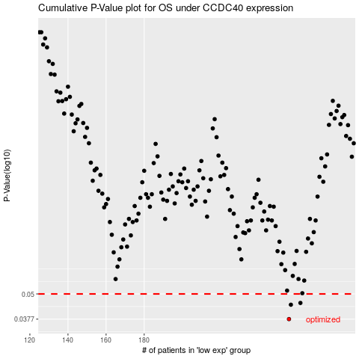

 |  |  |  |  |  | cases_OS | p_OS | rank | exp
 |  |  |  |  |  | 256 | 0.0377 | 290 | -0.074124632855
 |  |  |  |  |  | 257 | 0.0443 | 368 | -0.072254976649
 |  |  |  |  |  | 262 | 0.0452 | 312 | -0.062970337469
 |  |  |  |  |  |  | cases_RFS | p_RFS | rank | exp
 |  |  |  |  |  |  | 255 | 0.0377 | 222 | -0.075895290624
 |  |  |  |  |  |  | 256 | 0.0443 | 290 | -0.074124632855
 |  |  |  |  |  |  | 261 | 0.0452 | 409 | -0.064271459791

