CCDC41 _multivariate
Reported by Tex Li-Hsing Chi. tex@gate.sinica.edu.tw 2019-08-21

Table 2. The clinicopathological features of HNSCC cohort and CCDC41 expression. (Chi square test)
Cutoff at -0.197 (49.8%)
 |  | CCDC41 expression |  | CCDC41 expression |  | (Optimised)
 | Features | Low | (%) | High | (%) | Case no | P-value | Remark | Matthews
Gender | Female | 146 | 35.2 | 160 | 38.6 | 415 | 0.1714 | 0 | 0
2 | Male | 61 | 14.7 | 48 | 11.6
Age at diagnosis | <=65y | 125 | 30.1 | 149 | 35.9 | 415 | 0.0206 | 1 | 0
4 | >65y | 82 | 19.8 | 59 | 14.2
Clinical T Status | T1+T2 | 76 | 18.3 | 73 | 17.6 | 415 | 0.8092 | 0 | 0
6 | T3+T4 | 131 | 31.6 | 135 | 32.5
Clinical N Status | N0 | 113 | 27.2 | 103 | 24.8 | 415 | 0.3495 | 1 | 0
8 | N1-3 | 94 | 22.7 | 105 | 25.3
Clinical M Status | M0 | 206 | 49.6 | 206 | 49.6 | 415 | 1 | 0 | 0
10 | M1 | 1 | 0.2 | 2 | 0.5
Clinical Stage | Stage I+II | 55 | 13.3 | 47 | 11.3 | 415 | 0.4087 | 0 | 0
12 | Stage III+IV | 152 | 36.6 | 161 | 38.8
Surgical Margin status | Negative | 166 | 40 | 152 | 36.6 | 415 | 0.1042 | 0 | 0
14 | Positive | 41 | 9.9 | 56 | 13.5
Tobacco Exposure | Low | 94 | 22.7 | 67 | 16.1 | 415 | 0.0065 | 1 | 0
16 | High | 113 | 27.2 | 141 | 34

Table 3. Univariate/Multivariate Cox's proportional hazards regression analyses on OS time of CCDC41 gene expression in HNSCC

 |  | Univariate |  |  |  | Multivariate
 | Features | HR | CI95%(L) | CI95%(H) | P-value | HR | CI95%(L) | CI95%(H) | P-value
1 | Female | 1 |  |  |  | 1
Gender | Male | 1.157 | 0.843 | 1.587 | 0.367 | 1.176 | 0.842 | 1.644 | 0.341
11 | <=65y | 1 |  |  |  | 1
Age at diagnosis | >65y | 1.329 | 0.99 | 1.784 | 0.058 | 1.391 | 1.024 | 1.891 | 0.035
12 | T1+T2 | 1 |  |  |  | 1
Clinical T Status | T3+T4 | 1.409 | 1.028 | 1.931 | 0.033 | 2.196 | 1.16 | 4.156 | 0.016
13 | N0 | 1 |  |  |  | 1
Clinical N Status | N1-3 | 1.185 | 0.89 | 1.577 | 0.246 | 1.25 | 0.877 | 1.783 | 0.217
14 | M0 | 1 |  |  |  | 1
Clinical M Status | M1 | 4.097 | 1.009 | 16.644 | 0.049 | 9.454 | 2.062 | 43.349 | 0.004
15 | Stage I+II | 1 |  |  |  | 1
Clinical Stage | Stage III+IV | 1.245 | 0.882 | 1.759 | 0.213 | 0.512 | 0.238 | 1.099 | 0.086
16 | Negative | 1 |  |  |  | 1
Surgical Margin status | Positive | 1.591 | 1.155 | 2.191 | 0.004 | 1.704 | 1.232 | 2.357 | 0.001
17 | Low | 1 |  |  |  | 1
Tobacco Exposure | High | 1.364 | 1.008 | 1.844 | 0.044 | 1.479 | 1.073 | 2.04 | 0.017
18 | Low | 1 |  |  |  | 1
RNAseq(z-score) | High | 0.848 | 0.636 | 1.132 | 0.263 | 0.799 | 0.596 | 1.07 | 0.132

Table 4. Univariate/Multivariate Cox's proportional hazards regression analyses on RFS time of CCDC41 gene expression in HNSCC

 |  | Univariate |  |  |  | Multivariate
 | Features | HR | CI95%(L) | CI95%(H) | P-value | HR | CI95%(L) | CI95%(H) | P-value
1 | Female | 1 |  |  |  | 1
Gender | Male | 1.157 | 0.843 | 1.587 | 0.367 | 1.176 | 0.842 | 1.644 | 0.341
11 | <=65y | 1 |  |  |  | 1
Age at diagnosis | >65y | 1.329 | 0.99 | 1.784 | 0.058 | 1.391 | 1.024 | 1.891 | 0.035
12 | T1+T2 | 1 |  |  |  | 1
Clinical T Status | T3+T4 | 1.409 | 1.028 | 1.931 | 0.033 | 2.196 | 1.16 | 4.156 | 0.016
13 | N0 | 1 |  |  |  | 1
Clinical N Status | N1-3 | 1.185 | 0.89 | 1.577 | 0.246 | 1.25 | 0.877 | 1.783 | 0.217
14 | M0 | 1 |  |  |  | 1
Clinical M Status | M1 | 4.097 | 1.009 | 16.644 | 0.049 | 9.454 | 2.062 | 43.349 | 0.004
15 | Stage I+II | 1 |  |  |  | 1
Clinical Stage | Stage III+IV | 1.245 | 0.882 | 1.759 | 0.213 | 0.512 | 0.238 | 1.099 | 0.086
16 | Negative | 1 |  |  |  | 1
Surgical Margin status | Positive | 1.591 | 1.155 | 2.191 | 0.004 | 1.704 | 1.232 | 2.357 | 0.001
17 | Low | 1 |  |  |  | 1
Tobacco Exposure | High | 1.364 | 1.008 | 1.844 | 0.044 | 1.479 | 1.073 | 2.04 | 0.017
18 | Low | 1 |  |  |  | 1
RNAseq(z-score) | High | 0.848 | 0.636 | 1.132 | 0.263 | 0.799 | 0.596 | 1.07 | 0.132

Kaplan-Meier survival estimate: Cutoff at -0.197 (49.8%)



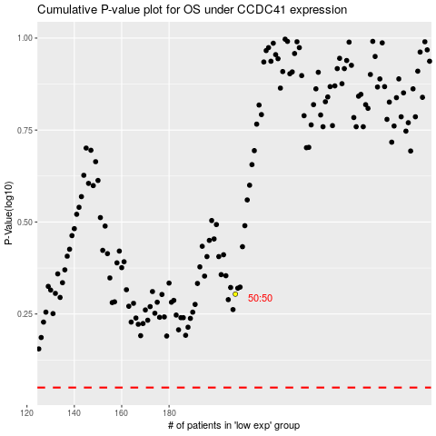

 |  |  |  |  |  | cases_OS | p_OS | rank | exp
 |  |  |  |  |  |  | cases_RFS | p_RFS | rank | exp

