CCDC46 _multivariate
Reported by Tex Li-Hsing Chi. tex@gate.sinica.edu.tw 2019-08-21

Table 2. The clinicopathological features of HNSCC cohort and CCDC46 expression. (Chi square test)
Cutoff at -0.012 (63.0%)
 |  | CCDC46 expression |  | CCDC46 expression |  | (Optimised)
 | Features | Low | (%) | High | (%) | Case no | P-value | Remark | Matthews
Gender | Female | 192 | 46.3 | 114 | 27.5 | 415 | 0.8741 | 0 | 0
2 | Male | 70 | 16.9 | 39 | 9.4
Age at diagnosis | <=65y | 181 | 43.6 | 93 | 22.4 | 415 | 0.1063 | 0 | 0
4 | >65y | 81 | 19.5 | 60 | 14.5
Clinical T Status | T1+T2 | 96 | 23.1 | 53 | 12.8 | 415 | 0.7612 | 0 | 0
6 | T3+T4 | 166 | 40 | 100 | 24.1
Clinical N Status | N0 | 136 | 32.8 | 80 | 19.3 | 415 | 1 | 0 | 0
8 | N1-3 | 126 | 30.4 | 73 | 17.6
Clinical M Status | M0 | 260 | 62.7 | 152 | 36.6 | 415 | 1 | 0 | 0
10 | M1 | 2 | 0.5 | 1 | 0.2
Clinical Stage | Stage I+II | 65 | 15.7 | 37 | 8.9 | 415 | 0.9802 | 0 | 0
12 | Stage III+IV | 197 | 47.5 | 116 | 28
Surgical Margin status | Negative | 203 | 48.9 | 115 | 27.7 | 415 | 0.6311 | 0 | 0
14 | Positive | 59 | 14.2 | 38 | 9.2
Tobacco Exposure | Low | 107 | 25.8 | 54 | 13 | 415 | 0.2967 | 0 | 0
16 | High | 155 | 37.3 | 99 | 23.9

Table 3. Univariate/Multivariate Cox's proportional hazards regression analyses on OS time of CCDC46 gene expression in HNSCC

 |  | Univariate |  |  |  | Multivariate
 | Features | HR | CI95%(L) | CI95%(H) | P-value | HR | CI95%(L) | CI95%(H) | P-value
1 | Female | 1 |  |  |  | 1
Gender | Male | 1.157 | 0.843 | 1.587 | 0.367 | 1.228 | 0.88 | 1.715 | 0.228
11 | <=65y | 1 |  |  |  | 1
Age at diagnosis | >65y | 1.329 | 0.99 | 1.784 | 0.058 | 1.344 | 0.987 | 1.83 | 0.061
12 | T1+T2 | 1 |  |  |  | 1
Clinical T Status | T3+T4 | 1.409 | 1.028 | 1.931 | 0.033 | 2.126 | 1.124 | 4.02 | 0.02
13 | N0 | 1 |  |  |  | 1
Clinical N Status | N1-3 | 1.185 | 0.89 | 1.577 | 0.246 | 1.22 | 0.854 | 1.741 | 0.275
14 | M0 | 1 |  |  |  | 1
Clinical M Status | M1 | 4.097 | 1.009 | 16.644 | 0.049 | 9.762 | 2.13 | 44.747 | 0.003
15 | Stage I+II | 1 |  |  |  | 1
Clinical Stage | Stage III+IV | 1.245 | 0.882 | 1.759 | 0.213 | 0.525 | 0.245 | 1.127 | 0.098
16 | Negative | 1 |  |  |  | 1
Surgical Margin status | Positive | 1.591 | 1.155 | 2.191 | 0.004 | 1.647 | 1.192 | 2.275 | 0.002
17 | Low | 1 |  |  |  | 1
Tobacco Exposure | High | 1.364 | 1.008 | 1.844 | 0.044 | 1.448 | 1.052 | 1.993 | 0.023
18 | Low | 1 |  |  |  | 1
RNAseq(z-score) | High | 1.462 | 1.095 | 1.952 | 0.01 | 1.413 | 1.055 | 1.893 | 0.02

Table 4. Univariate/Multivariate Cox's proportional hazards regression analyses on RFS time of CCDC46 gene expression in HNSCC

 |  | Univariate |  |  |  | Multivariate
 | Features | HR | CI95%(L) | CI95%(H) | P-value | HR | CI95%(L) | CI95%(H) | P-value
1 | Female | 1 |  |  |  | 1
Gender | Male | 1.157 | 0.843 | 1.587 | 0.367 | 1.228 | 0.88 | 1.715 | 0.228
11 | <=65y | 1 |  |  |  | 1
Age at diagnosis | >65y | 1.329 | 0.99 | 1.784 | 0.058 | 1.344 | 0.987 | 1.83 | 0.061
12 | T1+T2 | 1 |  |  |  | 1
Clinical T Status | T3+T4 | 1.409 | 1.028 | 1.931 | 0.033 | 2.126 | 1.124 | 4.02 | 0.02
13 | N0 | 1 |  |  |  | 1
Clinical N Status | N1-3 | 1.185 | 0.89 | 1.577 | 0.246 | 1.22 | 0.854 | 1.741 | 0.275
14 | M0 | 1 |  |  |  | 1
Clinical M Status | M1 | 4.097 | 1.009 | 16.644 | 0.049 | 9.762 | 2.13 | 44.747 | 0.003
15 | Stage I+II | 1 |  |  |  | 1
Clinical Stage | Stage III+IV | 1.245 | 0.882 | 1.759 | 0.213 | 0.525 | 0.245 | 1.127 | 0.098
16 | Negative | 1 |  |  |  | 1
Surgical Margin status | Positive | 1.591 | 1.155 | 2.191 | 0.004 | 1.647 | 1.192 | 2.275 | 0.002
17 | Low | 1 |  |  |  | 1
Tobacco Exposure | High | 1.364 | 1.008 | 1.844 | 0.044 | 1.448 | 1.052 | 1.993 | 0.023
18 | Low | 1 |  |  |  | 1
RNAseq(z-score) | High | 1.462 | 1.095 | 1.952 | 0.01 | 1.413 | 1.055 | 1.893 | 0.02

Kaplan-Meier survival estimate: Cutoff at -0.012 (63.0%)

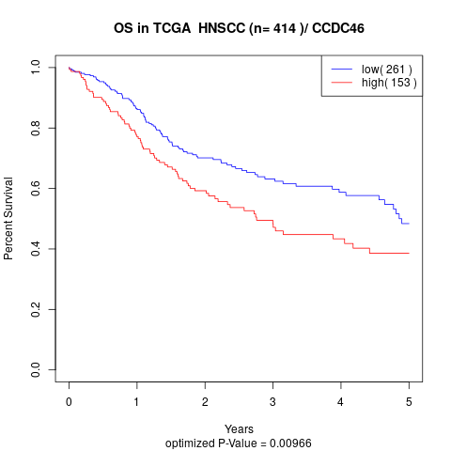

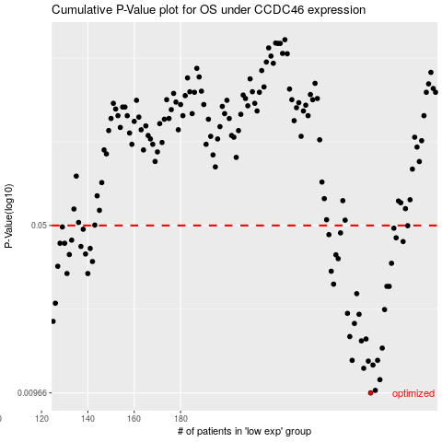

 |  |  |  |  |  | cases_OS | p_OS | rank | exp
 |  |  |  |  |  | 262 | 0.00966 | 236 | -0.012070736236
 |  |  |  |  |  | 264 | 0.0099 | 163 | 0.0056895101341
 |  |  |  |  |  | 266 | 0.011 | 117 | 0.017891440587
 |  |  |  |  |  | 259 | 0.0123 | 237 | -0.027444093546
 |  |  |  |  |  | 263 | 0.0127 | 324 | -0.0075900399369
 |  |  |  |  |  | 261 | 0.0132 | 141 | -0.013612935333
 |  |  |  |  |  | 254 | 0.0133 | 159 | -0.053395272882
 |  |  |  |  |  | 265 | 0.0133 | 330 | 0.014345022579
 |  |  |  |  |  | 267 | 0.015 | 389 | 0.020648201463
 |  |  |  |  |  | 258 | 0.0161 | 6 | -0.031025067053
 |  |  |  |  |  | 260 | 0.0164 | 167 | -0.016011342892
 |  |  |  |  |  | 253 | 0.0168 | 135 | -0.054805649152
 |  |  |  |  |  | 255 | 0.0191 | 339 | -0.039806003159
 |  |  |  |  |  | 125 | 0.0195 | 55 | -0.58506617203
 |  |  |  |  |  | 257 | 0.0209 | 169 | -0.031494765865
 |  |  |  |  |  | 252 | 0.0211 | 168 | -0.057751825354
 |  |  |  |  |  | 268 | 0.0219 | 202 | 0.020942563117
 |  |  |  |  |  | 126 | 0.0233 | 377 | -0.58382985309
 |  |  |  |  |  | 256 | 0.0256 | 157 | -0.037082517947
 |  |  |  |  |  | 269 | 0.0275 | 228 | 0.025556362076
 |  |  |  |  |  | 270 | 0.0275 | 375 | 0.028954319424
 |  |  |  |  |  | 246 | 0.0281 | 52 | -0.081302037464
 |  |  |  |  |  | 140 | 0.0312 | 180 | -0.51404566389
 |  |  |  |  |  | 131 | 0.0312 | 251 | -0.55111987422
 |  |  |  |  |  | 245 | 0.0319 | 312 | -0.085670108435
 |  |  |  |  |  | 127 | 0.0335 | 203 | -0.57512698681
 |  |  |  |  |  | 271 | 0.0345 | 287 | 0.038628579157
 |  |  |  |  |  | 142 | 0.0351 | 274 | -0.51165621516
 |  |  |  |  |  | 248 | 0.0361 | 390 | -0.069874406143
 |  |  |  |  |  | 247 | 0.0375 | 391 | -0.070408096619
 |  |  |  |  |  | 132 | 0.0376 | 278 | -0.541196047
 |  |  |  |  |  | 139 | 0.0378 | 31 | -0.51729388074
 |  |  |  |  |  | 141 | 0.0399 | 383 | -0.51198769198
 |  |  |  |  |  | 137 | 0.0407 | 153 | -0.52567550887
 |  |  |  |  |  | 128 | 0.042 | 142 | -0.57016763287
 |  |  |  |  |  | 130 | 0.042 | 195 | -0.55636079149
 |  |  |  |  |  | 276 | 0.0427 | 70 | 0.086692717834
 |  |  |  |  |  | 133 | 0.0433 | 204 | -0.54114485367
 |  |  |  |  |  | 273 | 0.0443 | 349 | 0.043996199916
 |  |  |  |  |  | 244 | 0.0457 | 63 | -0.098573387523
 |  |  |  |  |  | 249 | 0.0465 | 78 | -0.065887725489
 |  |  |  |  |  | 138 | 0.0482 | 255 | -0.5181078547
 |  |  |  |  |  | 272 | 0.0487 | 318 | 0.042447601652
 |  |  |  |  |  | 129 | 0.0493 | 337 | -0.55875535955
 |  |  |  |  |  | 278 | 0.0499 | 284 | 0.098124188655
 |  |  |  |  |  |  | cases_RFS | p_RFS | rank | exp
 |  |  |  |  |  |  | 261 | 0.00966 | 141 | -0.013612935333
 |  |  |  |  |  |  | 263 | 0.0099 | 324 | -0.0075900399369
 |  |  |  |  |  |  | 265 | 0.011 | 330 | 0.014345022579
 |  |  |  |  |  |  | 258 | 0.0123 | 6 | -0.031025067053
 |  |  |  |  |  |  | 262 | 0.0127 | 236 | -0.012070736236
 |  |  |  |  |  |  | 260 | 0.0132 | 167 | -0.016011342892
 |  |  |  |  |  |  | 253 | 0.0133 | 135 | -0.054805649152
 |  |  |  |  |  |  | 264 | 0.0133 | 163 | 0.0056895101341
 |  |  |  |  |  |  | 266 | 0.015 | 117 | 0.017891440587
 |  |  |  |  |  |  | 257 | 0.0161 | 169 | -0.031494765865
 |  |  |  |  |  |  | 259 | 0.0164 | 237 | -0.027444093546
 |  |  |  |  |  |  | 252 | 0.0168 | 168 | -0.057751825354
 |  |  |  |  |  |  | 254 | 0.0191 | 159 | -0.053395272882
 |  |  |  |  |  |  |  | 0.0195 | 170 | -0.58655589797
 |  |  |  |  |  |  | 256 | 0.0209 | 157 | -0.037082517947
 |  |  |  |  |  |  | 251 | 0.0211 | 245 | -0.062443694143
 |  |  |  |  |  |  | 267 | 0.0219 | 389 | 0.020648201463
 |  |  |  |  |  |  | 125 | 0.0233 | 55 | -0.58506617203
 |  |  |  |  |  |  | 255 | 0.0256 | 339 | -0.039806003159
 |  |  |  |  |  |  | 268 | 0.0275 | 202 | 0.020942563117
 |  |  |  |  |  |  | 269 | 0.0275 | 228 | 0.025556362076
 |  |  |  |  |  |  | 245 | 0.0281 | 312 | -0.085670108435
 |  |  |  |  |  |  | 139 | 0.0312 | 31 | -0.51729388074
 |  |  |  |  |  |  | 130 | 0.0312 | 195 | -0.55636079149
 |  |  |  |  |  |  | 244 | 0.0319 | 63 | -0.098573387523
 |  |  |  |  |  |  | 126 | 0.0335 | 377 | -0.58382985309
 |  |  |  |  |  |  | 270 | 0.0345 | 375 | 0.028954319424
 |  |  |  |  |  |  | 141 | 0.0351 | 383 | -0.51198769198
 |  |  |  |  |  |  | 247 | 0.0361 | 391 | -0.070408096619
 |  |  |  |  |  |  | 246 | 0.0375 | 52 | -0.081302037464
 |  |  |  |  |  |  | 131 | 0.0376 | 251 | -0.55111987422
 |  |  |  |  |  |  | 138 | 0.0378 | 255 | -0.5181078547
 |  |  |  |  |  |  | 140 | 0.0399 | 180 | -0.51404566389
 |  |  |  |  |  |  | 136 | 0.0407 | 71 | -0.52749159228
 |  |  |  |  |  |  | 127 | 0.042 | 203 | -0.57512698681
 |  |  |  |  |  |  | 129 | 0.042 | 337 | -0.55875535955
 |  |  |  |  |  |  | 275 | 0.0427 | 131 | 0.083820771963
 |  |  |  |  |  |  | 132 | 0.0433 | 278 | -0.541196047
 |  |  |  |  |  |  | 272 | 0.0443 | 318 | 0.042447601652
 |  |  |  |  |  |  | 243 | 0.0457 | 340 | -0.102791718
 |  |  |  |  |  |  | 248 | 0.0465 | 390 | -0.069874406143
 |  |  |  |  |  |  | 137 | 0.0482 | 153 | -0.52567550887
 |  |  |  |  |  |  | 271 | 0.0487 | 287 | 0.038628579157
 |  |  |  |  |  |  | 128 | 0.0493 | 142 | -0.57016763287
 |  |  |  |  |  |  | 277 | 0.0499 | 37 | 0.087868884615

