CCDC51 _multivariate
Reported by Tex Li-Hsing Chi. tex@gate.sinica.edu.tw 2019-08-21

Table 2. The clinicopathological features of HNSCC cohort and CCDC51 expression. (Chi square test)
Cutoff at -0.12 (49.8%)
 |  | CCDC51 expression |  | CCDC51 expression |  | (Optimised)
 | Features | Low | (%) | High | (%) | Case no | P-value | Remark | Matthews
Gender | Female | 162 | 39 | 144 | 34.7 | 415 | 0.0479 | 1 | 0
2 | Male | 45 | 10.8 | 64 | 15.4
Age at diagnosis | <=65y | 146 | 35.2 | 128 | 30.8 | 415 | 0.0672 | 0 | 0
4 | >65y | 61 | 14.7 | 80 | 19.3
Clinical T Status | T1+T2 | 77 | 18.6 | 72 | 17.3 | 415 | 0.6556 | 0 | 0
6 | T3+T4 | 130 | 31.3 | 136 | 32.8
Clinical N Status | N0 | 107 | 25.8 | 109 | 26.3 | 415 | 0.9624 | 0 | 0
8 | N1-3 | 100 | 24.1 | 99 | 23.9
Clinical M Status | M0 | 206 | 49.6 | 206 | 49.6 | 415 | 1 | 0 | 0
10 | M1 | 1 | 0.2 | 2 | 0.5
Clinical Stage | Stage I+II | 55 | 13.3 | 47 | 11.3 | 415 | 0.4087 | 0 | 0
12 | Stage III+IV | 152 | 36.6 | 161 | 38.8
Surgical Margin status | Negative | 168 | 40.5 | 150 | 36.1 | 415 | 0.0366 | 1 | 0
14 | Positive | 39 | 9.4 | 58 | 14
Tobacco Exposure | Low | 83 | 20 | 78 | 18.8 | 415 | 0.6152 | 0 | 0
16 | High | 124 | 29.9 | 130 | 31.3

Table 3. Univariate/Multivariate Cox's proportional hazards regression analyses on OS time of CCDC51 gene expression in HNSCC

 |  | Univariate |  |  |  | Multivariate
 | Features | HR | CI95%(L) | CI95%(H) | P-value | HR | CI95%(L) | CI95%(H) | P-value
1 | Female | 1 |  |  |  | 1
Gender | Male | 1.157 | 0.843 | 1.587 | 0.367 | 1.223 | 0.872 | 1.716 | 0.243
11 | <=65y | 1 |  |  |  | 1
Age at diagnosis | >65y | 1.329 | 0.99 | 1.784 | 0.058 | 1.406 | 1.033 | 1.915 | 0.03
12 | T1+T2 | 1 |  |  |  | 1
Clinical T Status | T3+T4 | 1.409 | 1.028 | 1.931 | 0.033 | 2.212 | 1.17 | 4.184 | 0.015
13 | N0 | 1 |  |  |  | 1
Clinical N Status | N1-3 | 1.185 | 0.89 | 1.577 | 0.246 | 1.237 | 0.867 | 1.765 | 0.241
14 | M0 | 1 |  |  |  | 1
Clinical M Status | M1 | 4.097 | 1.009 | 16.644 | 0.049 | 9.813 | 2.13 | 45.218 | 0.003
15 | Stage I+II | 1 |  |  |  | 1
Clinical Stage | Stage III+IV | 1.245 | 0.882 | 1.759 | 0.213 | 0.502 | 0.234 | 1.078 | 0.077
16 | Negative | 1 |  |  |  | 1
Surgical Margin status | Positive | 1.591 | 1.155 | 2.191 | 0.004 | 1.696 | 1.224 | 2.35 | 0.002
17 | Low | 1 |  |  |  | 1
Tobacco Exposure | High | 1.364 | 1.008 | 1.844 | 0.044 | 1.468 | 1.064 | 2.026 | 0.019
18 | Low | 1 |  |  |  | 1
RNAseq(z-score) | High | 1.047 | 0.786 | 1.395 | 0.753 | 0.905 | 0.673 | 1.217 | 0.51

Table 4. Univariate/Multivariate Cox's proportional hazards regression analyses on RFS time of CCDC51 gene expression in HNSCC

 |  | Univariate |  |  |  | Multivariate
 | Features | HR | CI95%(L) | CI95%(H) | P-value | HR | CI95%(L) | CI95%(H) | P-value
1 | Female | 1 |  |  |  | 1
Gender | Male | 1.157 | 0.843 | 1.587 | 0.367 | 1.223 | 0.872 | 1.716 | 0.243
11 | <=65y | 1 |  |  |  | 1
Age at diagnosis | >65y | 1.329 | 0.99 | 1.784 | 0.058 | 1.406 | 1.033 | 1.915 | 0.03
12 | T1+T2 | 1 |  |  |  | 1
Clinical T Status | T3+T4 | 1.409 | 1.028 | 1.931 | 0.033 | 2.212 | 1.17 | 4.184 | 0.015
13 | N0 | 1 |  |  |  | 1
Clinical N Status | N1-3 | 1.185 | 0.89 | 1.577 | 0.246 | 1.237 | 0.867 | 1.765 | 0.241
14 | M0 | 1 |  |  |  | 1
Clinical M Status | M1 | 4.097 | 1.009 | 16.644 | 0.049 | 9.813 | 2.13 | 45.218 | 0.003
15 | Stage I+II | 1 |  |  |  | 1
Clinical Stage | Stage III+IV | 1.245 | 0.882 | 1.759 | 0.213 | 0.502 | 0.234 | 1.078 | 0.077
16 | Negative | 1 |  |  |  | 1
Surgical Margin status | Positive | 1.591 | 1.155 | 2.191 | 0.004 | 1.696 | 1.224 | 2.35 | 0.002
17 | Low | 1 |  |  |  | 1
Tobacco Exposure | High | 1.364 | 1.008 | 1.844 | 0.044 | 1.468 | 1.064 | 2.026 | 0.019
18 | Low | 1 |  |  |  | 1
RNAseq(z-score) | High | 1.047 | 0.786 | 1.395 | 0.753 | 0.905 | 0.673 | 1.217 | 0.51

Kaplan-Meier survival estimate: Cutoff at -0.12 (49.8%)



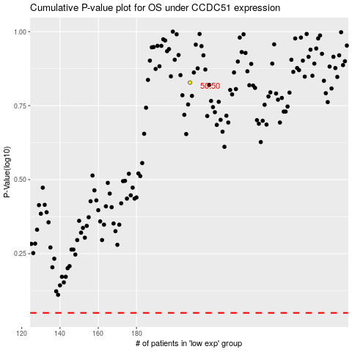

 |  |  |  |  |  | cases_OS | p_OS | rank | exp
 |  |  |  |  |  |  | cases_RFS | p_RFS | rank | exp

