CCDC52 _multivariate
Reported by Tex Li-Hsing Chi. tex@gate.sinica.edu.tw 2019-08-21

Table 2. The clinicopathological features of HNSCC cohort and CCDC52 expression. (Chi square test)
Cutoff at -0.233 (49.8%)
 |  | CCDC52 expression |  | CCDC52 expression |  | (Optimised)
 | Features | Low | (%) | High | (%) | Case no | P-value | Remark | Matthews
Gender | Female | 136 | 32.8 | 170 | 41 | 415 | 3e-04 | 1 | 0
2 | Male | 71 | 17.1 | 38 | 9.2
Age at diagnosis | <=65y | 138 | 33.3 | 136 | 32.8 | 415 | 0.8634 | 0 | 0
4 | >65y | 69 | 16.6 | 72 | 17.3
Clinical T Status | T1+T2 | 82 | 19.8 | 67 | 16.1 | 415 | 0.1417 | 0 | 0
6 | T3+T4 | 125 | 30.1 | 141 | 34
Clinical N Status | N0 | 107 | 25.8 | 109 | 26.3 | 415 | 0.9624 | 0 | 0
8 | N1-3 | 100 | 24.1 | 99 | 23.9
Clinical M Status | M0 | 205 | 49.4 | 207 | 49.9 | 415 | 0.6232 | 0 | 0
10 | M1 | 2 | 0.5 | 1 | 0.2
Clinical Stage | Stage I+II | 58 | 14 | 44 | 10.6 | 415 | 0.131 | 0 | 0
12 | Stage III+IV | 149 | 35.9 | 164 | 39.5
Surgical Margin status | Negative | 159 | 38.3 | 159 | 38.3 | 415 | 1 | 0 | 0
14 | Positive | 48 | 11.6 | 49 | 11.8
Tobacco Exposure | Low | 90 | 21.7 | 71 | 17.1 | 415 | 0.0559 | 0 | 0
16 | High | 117 | 28.2 | 137 | 33

Table 3. Univariate/Multivariate Cox's proportional hazards regression analyses on OS time of CCDC52 gene expression in HNSCC

 |  | Univariate |  |  |  | Multivariate
 | Features | HR | CI95%(L) | CI95%(H) | P-value | HR | CI95%(L) | CI95%(H) | P-value
1 | Female | 1 |  |  |  | 1
Gender | Male | 1.157 | 0.843 | 1.587 | 0.367 | 1.171 | 0.833 | 1.647 | 0.364
11 | <=65y | 1 |  |  |  | 1
Age at diagnosis | >65y | 1.329 | 0.99 | 1.784 | 0.058 | 1.416 | 1.037 | 1.931 | 0.028
12 | T1+T2 | 1 |  |  |  | 1
Clinical T Status | T3+T4 | 1.409 | 1.028 | 1.931 | 0.033 | 2.177 | 1.151 | 4.118 | 0.017
13 | N0 | 1 |  |  |  | 1
Clinical N Status | N1-3 | 1.185 | 0.89 | 1.577 | 0.246 | 1.232 | 0.863 | 1.759 | 0.25
14 | M0 | 1 |  |  |  | 1
Clinical M Status | M1 | 4.097 | 1.009 | 16.644 | 0.049 | 8.934 | 1.938 | 41.181 | 0.005
15 | Stage I+II | 1 |  |  |  | 1
Clinical Stage | Stage III+IV | 1.245 | 0.882 | 1.759 | 0.213 | 0.521 | 0.241 | 1.122 | 0.096
16 | Negative | 1 |  |  |  | 1
Surgical Margin status | Positive | 1.591 | 1.155 | 2.191 | 0.004 | 1.66 | 1.201 | 2.294 | 0.002
17 | Low | 1 |  |  |  | 1
Tobacco Exposure | High | 1.364 | 1.008 | 1.844 | 0.044 | 1.476 | 1.067 | 2.04 | 0.019
18 | Low | 1 |  |  |  | 1
RNAseq(z-score) | High | 0.9 | 0.675 | 1.2 | 0.472 | 0.89 | 0.656 | 1.207 | 0.453

Table 4. Univariate/Multivariate Cox's proportional hazards regression analyses on RFS time of CCDC52 gene expression in HNSCC

 |  | Univariate |  |  |  | Multivariate
 | Features | HR | CI95%(L) | CI95%(H) | P-value | HR | CI95%(L) | CI95%(H) | P-value
1 | Female | 1 |  |  |  | 1
Gender | Male | 1.157 | 0.843 | 1.587 | 0.367 | 1.171 | 0.833 | 1.647 | 0.364
11 | <=65y | 1 |  |  |  | 1
Age at diagnosis | >65y | 1.329 | 0.99 | 1.784 | 0.058 | 1.416 | 1.037 | 1.931 | 0.028
12 | T1+T2 | 1 |  |  |  | 1
Clinical T Status | T3+T4 | 1.409 | 1.028 | 1.931 | 0.033 | 2.177 | 1.151 | 4.118 | 0.017
13 | N0 | 1 |  |  |  | 1
Clinical N Status | N1-3 | 1.185 | 0.89 | 1.577 | 0.246 | 1.232 | 0.863 | 1.759 | 0.25
14 | M0 | 1 |  |  |  | 1
Clinical M Status | M1 | 4.097 | 1.009 | 16.644 | 0.049 | 8.934 | 1.938 | 41.181 | 0.005
15 | Stage I+II | 1 |  |  |  | 1
Clinical Stage | Stage III+IV | 1.245 | 0.882 | 1.759 | 0.213 | 0.521 | 0.241 | 1.122 | 0.096
16 | Negative | 1 |  |  |  | 1
Surgical Margin status | Positive | 1.591 | 1.155 | 2.191 | 0.004 | 1.66 | 1.201 | 2.294 | 0.002
17 | Low | 1 |  |  |  | 1
Tobacco Exposure | High | 1.364 | 1.008 | 1.844 | 0.044 | 1.476 | 1.067 | 2.04 | 0.019
18 | Low | 1 |  |  |  | 1
RNAseq(z-score) | High | 0.9 | 0.675 | 1.2 | 0.472 | 0.89 | 0.656 | 1.207 | 0.453

Kaplan-Meier survival estimate: Cutoff at -0.233 (49.8%)



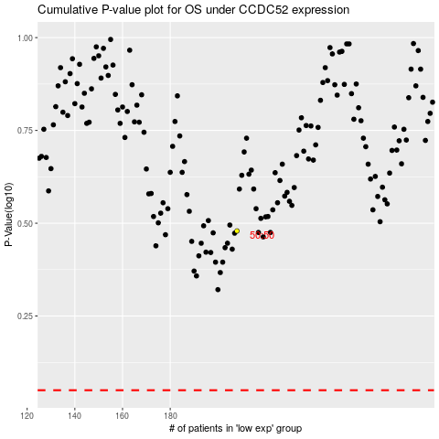

 |  |  |  |  |  | cases_OS | p_OS | rank | exp
 |  |  |  |  |  |  | cases_RFS | p_RFS | rank | exp

