CCDC55 _multivariate
Reported by Tex Li-Hsing Chi. tex@gate.sinica.edu.tw 2019-08-21

Table 2. The clinicopathological features of HNSCC cohort and CCDC55 expression. (Chi square test)
Cutoff at -0.064 (50.0%)
 |  | CCDC55 expression |  | CCDC55 expression |  | (Optimised)
 | Features | Low | (%) | High | (%) | Case no | P-value | Remark | Matthews
Gender | Female | 150 | 36.1 | 156 | 37.6 | 415 | 0.6344 | 0 | 0
2 | Male | 57 | 13.7 | 52 | 12.5
Age at diagnosis | <=65y | 134 | 32.3 | 140 | 33.7 | 415 | 0.6529 | 0 | 0
4 | >65y | 73 | 17.6 | 68 | 16.4
Clinical T Status | T1+T2 | 73 | 17.6 | 76 | 18.3 | 415 | 0.8666 | 0 | 0
6 | T3+T4 | 134 | 32.3 | 132 | 31.8
Clinical N Status | N0 | 113 | 27.2 | 103 | 24.8 | 415 | 0.3495 | 1 | 0
8 | N1-3 | 94 | 22.7 | 105 | 25.3
Clinical M Status | M0 | 206 | 49.6 | 206 | 49.6 | 415 | 1 | 0 | 0
10 | M1 | 1 | 0.2 | 2 | 0.5
Clinical Stage | Stage I+II | 54 | 13 | 48 | 11.6 | 415 | 0.5498 | 0 | 0
12 | Stage III+IV | 153 | 36.9 | 160 | 38.6
Surgical Margin status | Negative | 156 | 37.6 | 162 | 39 | 415 | 0.5636 | 0 | 0
14 | Positive | 51 | 12.3 | 46 | 11.1
Tobacco Exposure | Low | 92 | 22.2 | 69 | 16.6 | 415 | 0.0206 | 1 | 0
16 | High | 115 | 27.7 | 139 | 33.5

Table 3. Univariate/Multivariate Cox's proportional hazards regression analyses on OS time of CCDC55 gene expression in HNSCC

 |  | Univariate |  |  |  | Multivariate
 | Features | HR | CI95%(L) | CI95%(H) | P-value | HR | CI95%(L) | CI95%(H) | P-value
1 | Female | 1 |  |  |  | 1
Gender | Male | 1.157 | 0.843 | 1.587 | 0.367 | 1.208 | 0.864 | 1.688 | 0.269
11 | <=65y | 1 |  |  |  | 1
Age at diagnosis | >65y | 1.329 | 0.99 | 1.784 | 0.058 | 1.393 | 1.024 | 1.893 | 0.034
12 | T1+T2 | 1 |  |  |  | 1
Clinical T Status | T3+T4 | 1.409 | 1.028 | 1.931 | 0.033 | 2.229 | 1.178 | 4.219 | 0.014
13 | N0 | 1 |  |  |  | 1
Clinical N Status | N1-3 | 1.185 | 0.89 | 1.577 | 0.246 | 1.239 | 0.868 | 1.768 | 0.238
14 | M0 | 1 |  |  |  | 1
Clinical M Status | M1 | 4.097 | 1.009 | 16.644 | 0.049 | 9.453 | 2.062 | 43.332 | 0.004
15 | Stage I+II | 1 |  |  |  | 1
Clinical Stage | Stage III+IV | 1.245 | 0.882 | 1.759 | 0.213 | 0.495 | 0.23 | 1.064 | 0.072
16 | Negative | 1 |  |  |  | 1
Surgical Margin status | Positive | 1.591 | 1.155 | 2.191 | 0.004 | 1.687 | 1.22 | 2.333 | 0.002
17 | Low | 1 |  |  |  | 1
Tobacco Exposure | High | 1.364 | 1.008 | 1.844 | 0.044 | 1.436 | 1.04 | 1.982 | 0.028
18 | Low | 1 |  |  |  | 1
RNAseq(z-score) | High | 1.101 | 0.827 | 1.466 | 0.508 | 1.117 | 0.835 | 1.493 | 0.457

Table 4. Univariate/Multivariate Cox's proportional hazards regression analyses on RFS time of CCDC55 gene expression in HNSCC

 |  | Univariate |  |  |  | Multivariate
 | Features | HR | CI95%(L) | CI95%(H) | P-value | HR | CI95%(L) | CI95%(H) | P-value
1 | Female | 1 |  |  |  | 1
Gender | Male | 1.157 | 0.843 | 1.587 | 0.367 | 1.208 | 0.864 | 1.688 | 0.269
11 | <=65y | 1 |  |  |  | 1
Age at diagnosis | >65y | 1.329 | 0.99 | 1.784 | 0.058 | 1.393 | 1.024 | 1.893 | 0.034
12 | T1+T2 | 1 |  |  |  | 1
Clinical T Status | T3+T4 | 1.409 | 1.028 | 1.931 | 0.033 | 2.229 | 1.178 | 4.219 | 0.014
13 | N0 | 1 |  |  |  | 1
Clinical N Status | N1-3 | 1.185 | 0.89 | 1.577 | 0.246 | 1.239 | 0.868 | 1.768 | 0.238
14 | M0 | 1 |  |  |  | 1
Clinical M Status | M1 | 4.097 | 1.009 | 16.644 | 0.049 | 9.453 | 2.062 | 43.332 | 0.004
15 | Stage I+II | 1 |  |  |  | 1
Clinical Stage | Stage III+IV | 1.245 | 0.882 | 1.759 | 0.213 | 0.495 | 0.23 | 1.064 | 0.072
16 | Negative | 1 |  |  |  | 1
Surgical Margin status | Positive | 1.591 | 1.155 | 2.191 | 0.004 | 1.687 | 1.22 | 2.333 | 0.002
17 | Low | 1 |  |  |  | 1
Tobacco Exposure | High | 1.364 | 1.008 | 1.844 | 0.044 | 1.436 | 1.04 | 1.982 | 0.028
18 | Low | 1 |  |  |  | 1
RNAseq(z-score) | High | 1.101 | 0.827 | 1.466 | 0.508 | 1.117 | 0.835 | 1.493 | 0.457

Kaplan-Meier survival estimate: Cutoff at -0.064 (50.0%)



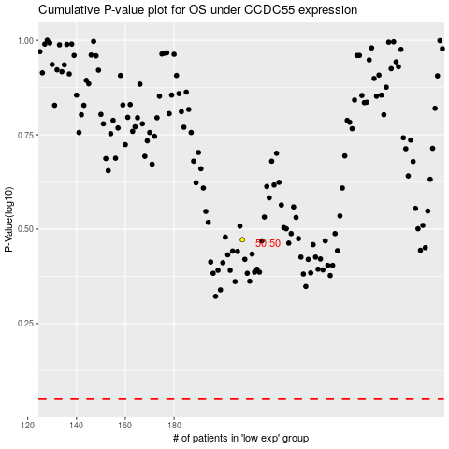

 |  |  |  |  |  | cases_OS | p_OS | rank | exp
 |  |  |  |  |  |  | cases_RFS | p_RFS | rank | exp

