CCDC56 _multivariate
Reported by Tex Li-Hsing Chi. tex@gate.sinica.edu.tw 2019-08-21

Table 2. The clinicopathological features of HNSCC cohort and CCDC56 expression. (Chi square test)
Cutoff at -0.359 (49.8%)
 |  | CCDC56 expression |  | CCDC56 expression |  | (Optimised)
 | Features | Low | (%) | High | (%) | Case no | P-value | Remark | Matthews
Gender | Female | 144 | 34.7 | 162 | 39 | 415 | 0.0697 | 0 | 0
2 | Male | 63 | 15.2 | 46 | 11.1
Age at diagnosis | <=65y | 133 | 32 | 141 | 34 | 415 | 0.5111 | 0 | 0
4 | >65y | 74 | 17.8 | 67 | 16.1
Clinical T Status | T1+T2 | 73 | 17.6 | 76 | 18.3 | 415 | 0.8666 | 0 | 0
6 | T3+T4 | 134 | 32.3 | 132 | 31.8
Clinical N Status | N0 | 108 | 26 | 108 | 26 | 415 | 1 | 0 | 0
8 | N1-3 | 99 | 23.9 | 100 | 24.1
Clinical M Status | M0 | 207 | 49.9 | 205 | 49.4 | 415 | 0.2482 | 0 | 0
10 | M1 | 0 | 0 | 3 | 0.7
Clinical Stage | Stage I+II | 55 | 13.3 | 47 | 11.3 | 415 | 0.4087 | 0 | 0
12 | Stage III+IV | 152 | 36.6 | 161 | 38.8
Surgical Margin status | Negative | 161 | 38.8 | 157 | 37.8 | 415 | 0.6429 | 0 | 0
14 | Positive | 46 | 11.1 | 51 | 12.3
Tobacco Exposure | Low | 86 | 20.7 | 75 | 18.1 | 415 | 0.2687 | 0 | 0
16 | High | 121 | 29.2 | 133 | 32

Table 3. Univariate/Multivariate Cox's proportional hazards regression analyses on OS time of CCDC56 gene expression in HNSCC

 |  | Univariate |  |  |  | Multivariate
 | Features | HR | CI95%(L) | CI95%(H) | P-value | HR | CI95%(L) | CI95%(H) | P-value
1 | Female | 1 |  |  |  | 1
Gender | Male | 1.157 | 0.843 | 1.587 | 0.367 | 1.2 | 0.859 | 1.677 | 0.284
11 | <=65y | 1 |  |  |  | 1
Age at diagnosis | >65y | 1.329 | 0.99 | 1.784 | 0.058 | 1.382 | 1.016 | 1.881 | 0.04
12 | T1+T2 | 1 |  |  |  | 1
Clinical T Status | T3+T4 | 1.409 | 1.028 | 1.931 | 0.033 | 2.169 | 1.146 | 4.107 | 0.017
13 | N0 | 1 |  |  |  | 1
Clinical N Status | N1-3 | 1.185 | 0.89 | 1.577 | 0.246 | 1.231 | 0.862 | 1.758 | 0.253
14 | M0 | 1 |  |  |  | 1
Clinical M Status | M1 | 4.097 | 1.009 | 16.644 | 0.049 | 9.747 | 2.117 | 44.868 | 0.003
15 | Stage I+II | 1 |  |  |  | 1
Clinical Stage | Stage III+IV | 1.245 | 0.882 | 1.759 | 0.213 | 0.516 | 0.24 | 1.112 | 0.091
16 | Negative | 1 |  |  |  | 1
Surgical Margin status | Positive | 1.591 | 1.155 | 2.191 | 0.004 | 1.673 | 1.211 | 2.312 | 0.002
17 | Low | 1 |  |  |  | 1
Tobacco Exposure | High | 1.364 | 1.008 | 1.844 | 0.044 | 1.468 | 1.063 | 2.026 | 0.02
18 | Low | 1 |  |  |  | 1
RNAseq(z-score) | High | 0.92 | 0.691 | 1.226 | 0.57 | 0.911 | 0.679 | 1.223 | 0.536

Table 4. Univariate/Multivariate Cox's proportional hazards regression analyses on RFS time of CCDC56 gene expression in HNSCC

 |  | Univariate |  |  |  | Multivariate
 | Features | HR | CI95%(L) | CI95%(H) | P-value | HR | CI95%(L) | CI95%(H) | P-value
1 | Female | 1 |  |  |  | 1
Gender | Male | 1.157 | 0.843 | 1.587 | 0.367 | 1.2 | 0.859 | 1.677 | 0.284
11 | <=65y | 1 |  |  |  | 1
Age at diagnosis | >65y | 1.329 | 0.99 | 1.784 | 0.058 | 1.382 | 1.016 | 1.881 | 0.04
12 | T1+T2 | 1 |  |  |  | 1
Clinical T Status | T3+T4 | 1.409 | 1.028 | 1.931 | 0.033 | 2.169 | 1.146 | 4.107 | 0.017
13 | N0 | 1 |  |  |  | 1
Clinical N Status | N1-3 | 1.185 | 0.89 | 1.577 | 0.246 | 1.231 | 0.862 | 1.758 | 0.253
14 | M0 | 1 |  |  |  | 1
Clinical M Status | M1 | 4.097 | 1.009 | 16.644 | 0.049 | 9.747 | 2.117 | 44.868 | 0.003
15 | Stage I+II | 1 |  |  |  | 1
Clinical Stage | Stage III+IV | 1.245 | 0.882 | 1.759 | 0.213 | 0.516 | 0.24 | 1.112 | 0.091
16 | Negative | 1 |  |  |  | 1
Surgical Margin status | Positive | 1.591 | 1.155 | 2.191 | 0.004 | 1.673 | 1.211 | 2.312 | 0.002
17 | Low | 1 |  |  |  | 1
Tobacco Exposure | High | 1.364 | 1.008 | 1.844 | 0.044 | 1.468 | 1.063 | 2.026 | 0.02
18 | Low | 1 |  |  |  | 1
RNAseq(z-score) | High | 0.92 | 0.691 | 1.226 | 0.57 | 0.911 | 0.679 | 1.223 | 0.536

Kaplan-Meier survival estimate: Cutoff at -0.359 (49.8%)



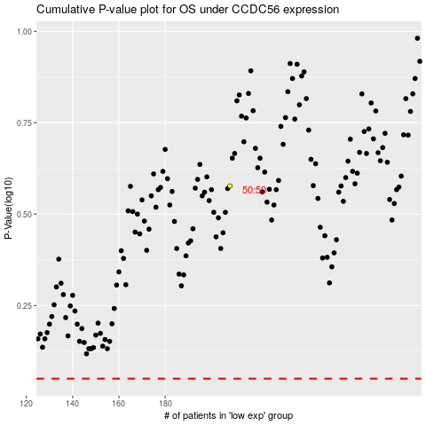

 |  |  |  |  |  | cases_OS | p_OS | rank | exp
 |  |  |  |  |  |  | cases_RFS | p_RFS | rank | exp

