CCDC62 _multivariate
Reported by Tex Li-Hsing Chi. tex@gate.sinica.edu.tw 2019-08-21

Table 2. The clinicopathological features of HNSCC cohort and CCDC62 expression. (Chi square test)
Cutoff at -0.203 (49.8%)
 |  | CCDC62 expression |  | CCDC62 expression |  | (Optimised)
 | Features | Low | (%) | High | (%) | Case no | P-value | Remark | Matthews
Gender | Female | 156 | 37.6 | 150 | 36.1 | 415 | 0.5222 | 0 | 0
2 | Male | 51 | 12.3 | 58 | 14
Age at diagnosis | <=65y | 131 | 31.6 | 143 | 34.5 | 415 | 0.2839 | 0 | 0
4 | >65y | 76 | 18.3 | 65 | 15.7
Clinical T Status | T1+T2 | 59 | 14.2 | 90 | 21.7 | 415 | 0.0024 | 1 | 0
6 | T3+T4 | 148 | 35.7 | 118 | 28.4
Clinical N Status | N0 | 119 | 28.7 | 97 | 23.4 | 415 | 0.0345 | 1 | 0
8 | N1-3 | 88 | 21.2 | 111 | 26.7
Clinical M Status | M0 | 205 | 49.4 | 207 | 49.9 | 415 | 0.6232 | 0 | 0
10 | M1 | 2 | 0.5 | 1 | 0.2
Clinical Stage | Stage I+II | 42 | 10.1 | 60 | 14.5 | 415 | 0.0561 | 0 | 0
12 | Stage III+IV | 165 | 39.8 | 148 | 35.7
Surgical Margin status | Negative | 158 | 38.1 | 160 | 38.6 | 415 | 0.9081 | 0 | 0
14 | Positive | 49 | 11.8 | 48 | 11.6
Tobacco Exposure | Low | 76 | 18.3 | 85 | 20.5 | 415 | 0.4207 | 0 | 0
16 | High | 131 | 31.6 | 123 | 29.6

Table 3. Univariate/Multivariate Cox's proportional hazards regression analyses on OS time of CCDC62 gene expression in HNSCC

 |  | Univariate |  |  |  | Multivariate
 | Features | HR | CI95%(L) | CI95%(H) | P-value | HR | CI95%(L) | CI95%(H) | P-value
1 | Female | 1 |  |  |  | 1
Gender | Male | 1.157 | 0.843 | 1.587 | 0.367 | 1.186 | 0.849 | 1.658 | 0.317
11 | <=65y | 1 |  |  |  | 1
Age at diagnosis | >65y | 1.329 | 0.99 | 1.784 | 0.058 | 1.413 | 1.038 | 1.924 | 0.028
12 | T1+T2 | 1 |  |  |  | 1
Clinical T Status | T3+T4 | 1.409 | 1.028 | 1.931 | 0.033 | 2.367 | 1.245 | 4.498 | 0.009
13 | N0 | 1 |  |  |  | 1
Clinical N Status | N1-3 | 1.185 | 0.89 | 1.577 | 0.246 | 1.2 | 0.84 | 1.714 | 0.316
14 | M0 | 1 |  |  |  | 1
Clinical M Status | M1 | 4.097 | 1.009 | 16.644 | 0.049 | 10.314 | 2.241 | 47.461 | 0.003
15 | Stage I+II | 1 |  |  |  | 1
Clinical Stage | Stage III+IV | 1.245 | 0.882 | 1.759 | 0.213 | 0.503 | 0.234 | 1.082 | 0.079
16 | Negative | 1 |  |  |  | 1
Surgical Margin status | Positive | 1.591 | 1.155 | 2.191 | 0.004 | 1.703 | 1.231 | 2.356 | 0.001
17 | Low | 1 |  |  |  | 1
Tobacco Exposure | High | 1.364 | 1.008 | 1.844 | 0.044 | 1.48 | 1.074 | 2.04 | 0.017
18 | Low | 1 |  |  |  | 1
RNAseq(z-score) | High | 1.187 | 0.89 | 1.582 | 0.244 | 1.334 | 0.992 | 1.794 | 0.056

Table 4. Univariate/Multivariate Cox's proportional hazards regression analyses on RFS time of CCDC62 gene expression in HNSCC

 |  | Univariate |  |  |  | Multivariate
 | Features | HR | CI95%(L) | CI95%(H) | P-value | HR | CI95%(L) | CI95%(H) | P-value
1 | Female | 1 |  |  |  | 1
Gender | Male | 1.157 | 0.843 | 1.587 | 0.367 | 1.186 | 0.849 | 1.658 | 0.317
11 | <=65y | 1 |  |  |  | 1
Age at diagnosis | >65y | 1.329 | 0.99 | 1.784 | 0.058 | 1.413 | 1.038 | 1.924 | 0.028
12 | T1+T2 | 1 |  |  |  | 1
Clinical T Status | T3+T4 | 1.409 | 1.028 | 1.931 | 0.033 | 2.367 | 1.245 | 4.498 | 0.009
13 | N0 | 1 |  |  |  | 1
Clinical N Status | N1-3 | 1.185 | 0.89 | 1.577 | 0.246 | 1.2 | 0.84 | 1.714 | 0.316
14 | M0 | 1 |  |  |  | 1
Clinical M Status | M1 | 4.097 | 1.009 | 16.644 | 0.049 | 10.314 | 2.241 | 47.461 | 0.003
15 | Stage I+II | 1 |  |  |  | 1
Clinical Stage | Stage III+IV | 1.245 | 0.882 | 1.759 | 0.213 | 0.503 | 0.234 | 1.082 | 0.079
16 | Negative | 1 |  |  |  | 1
Surgical Margin status | Positive | 1.591 | 1.155 | 2.191 | 0.004 | 1.703 | 1.231 | 2.356 | 0.001
17 | Low | 1 |  |  |  | 1
Tobacco Exposure | High | 1.364 | 1.008 | 1.844 | 0.044 | 1.48 | 1.074 | 2.04 | 0.017
18 | Low | 1 |  |  |  | 1
RNAseq(z-score) | High | 1.187 | 0.89 | 1.582 | 0.244 | 1.334 | 0.992 | 1.794 | 0.056

Kaplan-Meier survival estimate: Cutoff at -0.203 (49.8%)



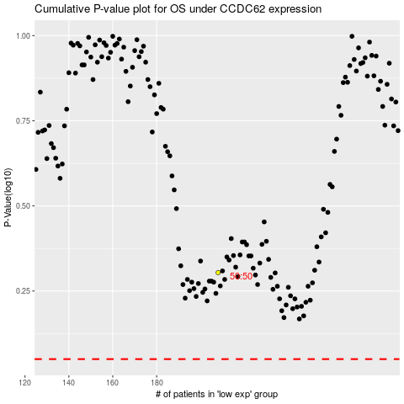

 |  |  |  |  |  | cases_OS | p_OS | rank | exp
 |  |  |  |  |  |  | cases_RFS | p_RFS | rank | exp

