CCDC66 _multivariate
Reported by Tex Li-Hsing Chi. tex@gate.sinica.edu.tw 2019-08-21

Table 2. The clinicopathological features of HNSCC cohort and CCDC66 expression. (Chi square test)
Cutoff at -0.079 (57.5%)
 |  | CCDC66 expression |  | CCDC66 expression |  | (Optimised)
 | Features | Low | (%) | High | (%) | Case no | P-value | Remark | Matthews
Gender | Female | 173 | 41.7 | 133 | 32 | 415 | 0.5383 | 0 | 0
2 | Male | 66 | 15.9 | 43 | 10.4
Age at diagnosis | <=65y | 157 | 37.8 | 117 | 28.2 | 415 | 0.9502 | 0 | 0
4 | >65y | 82 | 19.8 | 59 | 14.2
Clinical T Status | T1+T2 | 77 | 18.6 | 72 | 17.3 | 415 | 0.0853 | 0 | 0
6 | T3+T4 | 162 | 39 | 104 | 25.1
Clinical N Status | N0 | 128 | 30.8 | 88 | 21.2 | 415 | 0.537 | 0 | 0
8 | N1-3 | 111 | 26.7 | 88 | 21.2
Clinical M Status | M0 | 237 | 57.1 | 175 | 42.2 | 415 | 1 | 0 | 0
10 | M1 | 2 | 0.5 | 1 | 0.2
Clinical Stage | Stage I+II | 61 | 14.7 | 41 | 9.9 | 415 | 0.6851 | 0 | 0
12 | Stage III+IV | 178 | 42.9 | 135 | 32.5
Surgical Margin status | Negative | 194 | 46.7 | 124 | 29.9 | 415 | 0.0135 | 1 | 0
14 | Positive | 45 | 10.8 | 52 | 12.5
Tobacco Exposure | Low | 97 | 23.4 | 64 | 15.4 | 415 | 0.4154 | 0 | 0
16 | High | 142 | 34.2 | 112 | 27

Table 3. Univariate/Multivariate Cox's proportional hazards regression analyses on OS time of CCDC66 gene expression in HNSCC

 |  | Univariate |  |  |  | Multivariate
 | Features | HR | CI95%(L) | CI95%(H) | P-value | HR | CI95%(L) | CI95%(H) | P-value
1 | Female | 1 |  |  |  | 1
Gender | Male | 1.157 | 0.843 | 1.587 | 0.367 | 1.182 | 0.845 | 1.652 | 0.328
11 | <=65y | 1 |  |  |  | 1
Age at diagnosis | >65y | 1.329 | 0.99 | 1.784 | 0.058 | 1.394 | 1.026 | 1.895 | 0.034
12 | T1+T2 | 1 |  |  |  | 1
Clinical T Status | T3+T4 | 1.409 | 1.028 | 1.931 | 0.033 | 2.021 | 1.063 | 3.843 | 0.032
13 | N0 | 1 |  |  |  | 1
Clinical N Status | N1-3 | 1.185 | 0.89 | 1.577 | 0.246 | 1.205 | 0.844 | 1.72 | 0.304
14 | M0 | 1 |  |  |  | 1
Clinical M Status | M1 | 4.097 | 1.009 | 16.644 | 0.049 | 8.315 | 1.805 | 38.311 | 0.007
15 | Stage I+II | 1 |  |  |  | 1
Clinical Stage | Stage III+IV | 1.245 | 0.882 | 1.759 | 0.213 | 0.544 | 0.253 | 1.172 | 0.12
16 | Negative | 1 |  |  |  | 1
Surgical Margin status | Positive | 1.591 | 1.155 | 2.191 | 0.004 | 1.769 | 1.274 | 2.458 | 0.001
17 | Low | 1 |  |  |  | 1
Tobacco Exposure | High | 1.364 | 1.008 | 1.844 | 0.044 | 1.479 | 1.072 | 2.042 | 0.017
18 | Low | 1 |  |  |  | 1
RNAseq(z-score) | High | 0.738 | 0.547 | 0.995 | 0.046 | 0.732 | 0.537 | 0.997 | 0.048

Table 4. Univariate/Multivariate Cox's proportional hazards regression analyses on RFS time of CCDC66 gene expression in HNSCC

 |  | Univariate |  |  |  | Multivariate
 | Features | HR | CI95%(L) | CI95%(H) | P-value | HR | CI95%(L) | CI95%(H) | P-value
1 | Female | 1 |  |  |  | 1
Gender | Male | 1.157 | 0.843 | 1.587 | 0.367 | 1.182 | 0.845 | 1.652 | 0.328
11 | <=65y | 1 |  |  |  | 1
Age at diagnosis | >65y | 1.329 | 0.99 | 1.784 | 0.058 | 1.394 | 1.026 | 1.895 | 0.034
12 | T1+T2 | 1 |  |  |  | 1
Clinical T Status | T3+T4 | 1.409 | 1.028 | 1.931 | 0.033 | 2.021 | 1.063 | 3.843 | 0.032
13 | N0 | 1 |  |  |  | 1
Clinical N Status | N1-3 | 1.185 | 0.89 | 1.577 | 0.246 | 1.205 | 0.844 | 1.72 | 0.304
14 | M0 | 1 |  |  |  | 1
Clinical M Status | M1 | 4.097 | 1.009 | 16.644 | 0.049 | 8.315 | 1.805 | 38.311 | 0.007
15 | Stage I+II | 1 |  |  |  | 1
Clinical Stage | Stage III+IV | 1.245 | 0.882 | 1.759 | 0.213 | 0.544 | 0.253 | 1.172 | 0.12
16 | Negative | 1 |  |  |  | 1
Surgical Margin status | Positive | 1.591 | 1.155 | 2.191 | 0.004 | 1.769 | 1.274 | 2.458 | 0.001
17 | Low | 1 |  |  |  | 1
Tobacco Exposure | High | 1.364 | 1.008 | 1.844 | 0.044 | 1.479 | 1.072 | 2.042 | 0.017
18 | Low | 1 |  |  |  | 1
RNAseq(z-score) | High | 0.738 | 0.547 | 0.995 | 0.046 | 0.732 | 0.537 | 0.997 | 0.048

Kaplan-Meier survival estimate: Cutoff at -0.079 (57.5%)



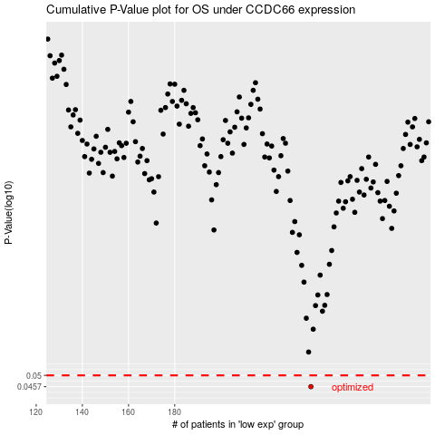

 |  |  |  |  |  | cases_OS | p_OS | rank | exp
 |  |  |  |  |  | 239 | 0.0457 | 175 | -0.079282457932
 |  |  |  |  |  |  | cases_RFS | p_RFS | rank | exp
 |  |  |  |  |  |  | 238 | 0.0457 | 97 | -0.085076875639

