CCDC69 _multivariate
Reported by Tex Li-Hsing Chi. tex@gate.sinica.edu.tw 2019-08-21

Table 2. The clinicopathological features of HNSCC cohort and CCDC69 expression. (Chi square test)
Cutoff at -0.216 (57.0%)
 |  | CCDC69 expression |  | CCDC69 expression |  | (Optimised)
 | Features | Low | (%) | High | (%) | Case no | P-value | Remark | Matthews
Gender | Female | 181 | 43.6 | 125 | 30.1 | 415 | 0.1441 | 0 | 0
2 | Male | 55 | 13.3 | 54 | 13
Age at diagnosis | <=65y | 165 | 39.8 | 109 | 26.3 | 415 | 0.0692 | 0 | 0
4 | >65y | 71 | 17.1 | 70 | 16.9
Clinical T Status | T1+T2 | 78 | 18.8 | 71 | 17.1 | 415 | 0.1978 | 0 | 0
6 | T3+T4 | 158 | 38.1 | 108 | 26
Clinical N Status | N0 | 121 | 29.2 | 95 | 22.9 | 415 | 0.7913 | 0 | 0
8 | N1-3 | 115 | 27.7 | 84 | 20.2
Clinical M Status | M0 | 233 | 56.1 | 179 | 43.1 | 415 | 0.2624 | 0 | 0
10 | M1 | 3 | 0.7 | 0 | 0
Clinical Stage | Stage I+II | 54 | 13 | 48 | 11.6 | 415 | 0.4198 | 0 | 0
12 | Stage III+IV | 182 | 43.9 | 131 | 31.6
Surgical Margin status | Negative | 177 | 42.7 | 141 | 34 | 415 | 0.4129 | 0 | 0
14 | Positive | 59 | 14.2 | 38 | 9.2
Tobacco Exposure | Low | 78 | 18.8 | 83 | 20 | 415 | 0.0062 | 1 | 0
16 | High | 158 | 38.1 | 96 | 23.1

Table 3. Univariate/Multivariate Cox's proportional hazards regression analyses on OS time of CCDC69 gene expression in HNSCC

 |  | Univariate |  |  |  | Multivariate
 | Features | HR | CI95%(L) | CI95%(H) | P-value | HR | CI95%(L) | CI95%(H) | P-value
1 | Female | 1 |  |  |  | 1
Gender | Male | 1.157 | 0.843 | 1.587 | 0.367 | 1.205 | 0.862 | 1.684 | 0.275
11 | <=65y | 1 |  |  |  | 1
Age at diagnosis | >65y | 1.329 | 0.99 | 1.784 | 0.058 | 1.405 | 1.034 | 1.91 | 0.03
12 | T1+T2 | 1 |  |  |  | 1
Clinical T Status | T3+T4 | 1.409 | 1.028 | 1.931 | 0.033 | 2.111 | 1.114 | 4.002 | 0.022
13 | N0 | 1 |  |  |  | 1
Clinical N Status | N1-3 | 1.185 | 0.89 | 1.577 | 0.246 | 1.232 | 0.863 | 1.758 | 0.251
14 | M0 | 1 |  |  |  | 1
Clinical M Status | M1 | 4.097 | 1.009 | 16.644 | 0.049 | 8.426 | 1.824 | 38.931 | 0.006
15 | Stage I+II | 1 |  |  |  | 1
Clinical Stage | Stage III+IV | 1.245 | 0.882 | 1.759 | 0.213 | 0.511 | 0.238 | 1.097 | 0.085
16 | Negative | 1 |  |  |  | 1
Surgical Margin status | Positive | 1.591 | 1.155 | 2.191 | 0.004 | 1.659 | 1.201 | 2.293 | 0.002
17 | Low | 1 |  |  |  | 1
Tobacco Exposure | High | 1.364 | 1.008 | 1.844 | 0.044 | 1.407 | 1.017 | 1.947 | 0.039
18 | Low | 1 |  |  |  | 1
RNAseq(z-score) | High | 0.738 | 0.549 | 0.992 | 0.044 | 0.816 | 0.601 | 1.109 | 0.194

Table 4. Univariate/Multivariate Cox's proportional hazards regression analyses on RFS time of CCDC69 gene expression in HNSCC

 |  | Univariate |  |  |  | Multivariate
 | Features | HR | CI95%(L) | CI95%(H) | P-value | HR | CI95%(L) | CI95%(H) | P-value
1 | Female | 1 |  |  |  | 1
Gender | Male | 1.157 | 0.843 | 1.587 | 0.367 | 1.205 | 0.862 | 1.684 | 0.275
11 | <=65y | 1 |  |  |  | 1
Age at diagnosis | >65y | 1.329 | 0.99 | 1.784 | 0.058 | 1.405 | 1.034 | 1.91 | 0.03
12 | T1+T2 | 1 |  |  |  | 1
Clinical T Status | T3+T4 | 1.409 | 1.028 | 1.931 | 0.033 | 2.111 | 1.114 | 4.002 | 0.022
13 | N0 | 1 |  |  |  | 1
Clinical N Status | N1-3 | 1.185 | 0.89 | 1.577 | 0.246 | 1.232 | 0.863 | 1.758 | 0.251
14 | M0 | 1 |  |  |  | 1
Clinical M Status | M1 | 4.097 | 1.009 | 16.644 | 0.049 | 8.426 | 1.824 | 38.931 | 0.006
15 | Stage I+II | 1 |  |  |  | 1
Clinical Stage | Stage III+IV | 1.245 | 0.882 | 1.759 | 0.213 | 0.511 | 0.238 | 1.097 | 0.085
16 | Negative | 1 |  |  |  | 1
Surgical Margin status | Positive | 1.591 | 1.155 | 2.191 | 0.004 | 1.659 | 1.201 | 2.293 | 0.002
17 | Low | 1 |  |  |  | 1
Tobacco Exposure | High | 1.364 | 1.008 | 1.844 | 0.044 | 1.407 | 1.017 | 1.947 | 0.039
18 | Low | 1 |  |  |  | 1
RNAseq(z-score) | High | 0.738 | 0.549 | 0.992 | 0.044 | 0.816 | 0.601 | 1.109 | 0.194

Kaplan-Meier survival estimate: Cutoff at -0.216 (57.0%)



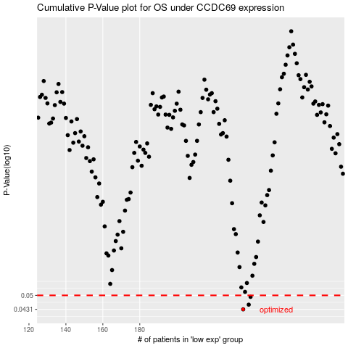

 |  |  |  |  |  | cases_OS | p_OS | rank | exp
 |  |  |  |  |  | 236 | 0.0431 | 174 | -0.21608376646
 |  |  |  |  |  | 239 | 0.0453 | 343 | -0.19872297812
 |  |  |  |  |  | 240 | 0.0492 | 363 | -0.17925995228
 |  |  |  |  |  |  | cases_RFS | p_RFS | rank | exp
 |  |  |  |  |  |  | 235 | 0.0431 | 181 | -0.21887282958
 |  |  |  |  |  |  | 238 | 0.0453 | 143 | -0.20392012409
 |  |  |  |  |  |  | 239 | 0.0492 | 343 | -0.19872297812

