CCDC72 _multivariate
Reported by Tex Li-Hsing Chi. tex@gate.sinica.edu.tw 2019-08-21

Table 2. The clinicopathological features of HNSCC cohort and CCDC72 expression. (Chi square test)
Cutoff at -0.374 (50.0%)
 |  | CCDC72 expression |  | CCDC72 expression |  | (Optimised)
 | Features | Low | (%) | High | (%) | Case no | P-value | Remark | Matthews
Gender | Female | 154 | 37.1 | 152 | 36.6 | 415 | 0.8463 | 0 | 0
2 | Male | 53 | 12.8 | 56 | 13.5
Age at diagnosis | <=65y | 136 | 32.8 | 138 | 33.3 | 415 | 0.9719 | 0 | 0
4 | >65y | 71 | 17.1 | 70 | 16.9
Clinical T Status | T1+T2 | 74 | 17.8 | 75 | 18.1 | 415 | 1 | 0 | 0
6 | T3+T4 | 133 | 32 | 133 | 32
Clinical N Status | N0 | 108 | 26 | 108 | 26 | 415 | 1 | 0 | 0
8 | N1-3 | 99 | 23.9 | 100 | 24.1
Clinical M Status | M0 | 207 | 49.9 | 205 | 49.4 | 415 | 0.2482 | 0 | 0
10 | M1 | 0 | 0 | 3 | 0.7
Clinical Stage | Stage I+II | 54 | 13 | 48 | 11.6 | 415 | 0.5498 | 0 | 0
12 | Stage III+IV | 153 | 36.9 | 160 | 38.6
Surgical Margin status | Negative | 171 | 41.2 | 147 | 35.4 | 415 | 0.0052 | 1 | 0
14 | Positive | 36 | 8.7 | 61 | 14.7
Tobacco Exposure | Low | 78 | 18.8 | 83 | 20 | 415 | 0.6873 | 0 | 0
16 | High | 129 | 31.1 | 125 | 30.1

Table 3. Univariate/Multivariate Cox's proportional hazards regression analyses on OS time of CCDC72 gene expression in HNSCC

 |  | Univariate |  |  |  | Multivariate
 | Features | HR | CI95%(L) | CI95%(H) | P-value | HR | CI95%(L) | CI95%(H) | P-value
1 | Female | 1 |  |  |  | 1
Gender | Male | 1.157 | 0.843 | 1.587 | 0.367 | 1.192 | 0.851 | 1.668 | 0.306
11 | <=65y | 1 |  |  |  | 1
Age at diagnosis | >65y | 1.329 | 0.99 | 1.784 | 0.058 | 1.393 | 1.025 | 1.894 | 0.034
12 | T1+T2 | 1 |  |  |  | 1
Clinical T Status | T3+T4 | 1.409 | 1.028 | 1.931 | 0.033 | 2.212 | 1.17 | 4.184 | 0.015
13 | N0 | 1 |  |  |  | 1
Clinical N Status | N1-3 | 1.185 | 0.89 | 1.577 | 0.246 | 1.249 | 0.874 | 1.783 | 0.222
14 | M0 | 1 |  |  |  | 1
Clinical M Status | M1 | 4.097 | 1.009 | 16.644 | 0.049 | 9.085 | 1.967 | 41.964 | 0.005
15 | Stage I+II | 1 |  |  |  | 1
Clinical Stage | Stage III+IV | 1.245 | 0.882 | 1.759 | 0.213 | 0.501 | 0.233 | 1.076 | 0.076
16 | Negative | 1 |  |  |  | 1
Surgical Margin status | Positive | 1.591 | 1.155 | 2.191 | 0.004 | 1.649 | 1.187 | 2.291 | 0.003
17 | Low | 1 |  |  |  | 1
Tobacco Exposure | High | 1.364 | 1.008 | 1.844 | 0.044 | 1.45 | 1.053 | 1.997 | 0.023
18 | Low | 1 |  |  |  | 1
RNAseq(z-score) | High | 1.144 | 0.859 | 1.524 | 0.357 | 1.069 | 0.795 | 1.437 | 0.66

Table 4. Univariate/Multivariate Cox's proportional hazards regression analyses on RFS time of CCDC72 gene expression in HNSCC

 |  | Univariate |  |  |  | Multivariate
 | Features | HR | CI95%(L) | CI95%(H) | P-value | HR | CI95%(L) | CI95%(H) | P-value
1 | Female | 1 |  |  |  | 1
Gender | Male | 1.157 | 0.843 | 1.587 | 0.367 | 1.192 | 0.851 | 1.668 | 0.306
11 | <=65y | 1 |  |  |  | 1
Age at diagnosis | >65y | 1.329 | 0.99 | 1.784 | 0.058 | 1.393 | 1.025 | 1.894 | 0.034
12 | T1+T2 | 1 |  |  |  | 1
Clinical T Status | T3+T4 | 1.409 | 1.028 | 1.931 | 0.033 | 2.212 | 1.17 | 4.184 | 0.015
13 | N0 | 1 |  |  |  | 1
Clinical N Status | N1-3 | 1.185 | 0.89 | 1.577 | 0.246 | 1.249 | 0.874 | 1.783 | 0.222
14 | M0 | 1 |  |  |  | 1
Clinical M Status | M1 | 4.097 | 1.009 | 16.644 | 0.049 | 9.085 | 1.967 | 41.964 | 0.005
15 | Stage I+II | 1 |  |  |  | 1
Clinical Stage | Stage III+IV | 1.245 | 0.882 | 1.759 | 0.213 | 0.501 | 0.233 | 1.076 | 0.076
16 | Negative | 1 |  |  |  | 1
Surgical Margin status | Positive | 1.591 | 1.155 | 2.191 | 0.004 | 1.649 | 1.187 | 2.291 | 0.003
17 | Low | 1 |  |  |  | 1
Tobacco Exposure | High | 1.364 | 1.008 | 1.844 | 0.044 | 1.45 | 1.053 | 1.997 | 0.023
18 | Low | 1 |  |  |  | 1
RNAseq(z-score) | High | 1.144 | 0.859 | 1.524 | 0.357 | 1.069 | 0.795 | 1.437 | 0.66

Kaplan-Meier survival estimate: Cutoff at -0.374 (50.0%)



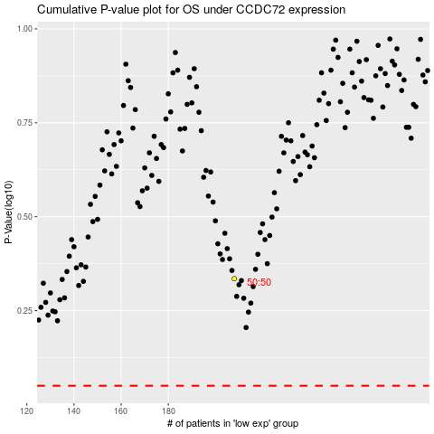

 |  |  |  |  |  | cases_OS | p_OS | rank | exp
 |  |  |  |  |  |  | cases_RFS | p_RFS | rank | exp

