CCDC73 _multivariate
Reported by Tex Li-Hsing Chi. tex@gate.sinica.edu.tw 2019-08-21

Table 2. The clinicopathological features of HNSCC cohort and CCDC73 expression. (Chi square test)
Cutoff at -0.235 (49.8%)
 |  | CCDC73 expression |  | CCDC73 expression |  | (Optimised)
 | Features | Low | (%) | High | (%) | Case no | P-value | Remark | Matthews
Gender | Female | 158 | 38.1 | 148 | 35.7 | 415 | 0.2774 | 0 | 0
2 | Male | 49 | 11.8 | 60 | 14.5
Age at diagnosis | <=65y | 140 | 33.7 | 134 | 32.3 | 415 | 0.5574 | 0 | 0
4 | >65y | 67 | 16.1 | 74 | 17.8
Clinical T Status | T1+T2 | 69 | 16.6 | 80 | 19.3 | 415 | 0.3239 | 0 | 0
6 | T3+T4 | 138 | 33.3 | 128 | 30.8
Clinical N Status | N0 | 101 | 24.3 | 115 | 27.7 | 415 | 0.2201 | 0 | 0
8 | N1-3 | 106 | 25.5 | 93 | 22.4
Clinical M Status | M0 | 206 | 49.6 | 206 | 49.6 | 415 | 1 | 0 | 0
10 | M1 | 1 | 0.2 | 2 | 0.5
Clinical Stage | Stage I+II | 42 | 10.1 | 60 | 14.5 | 415 | 0.0561 | 0 | 0
12 | Stage III+IV | 165 | 39.8 | 148 | 35.7
Surgical Margin status | Negative | 165 | 39.8 | 153 | 36.9 | 415 | 0.1639 | 0 | 0
14 | Positive | 42 | 10.1 | 55 | 13.3
Tobacco Exposure | Low | 77 | 18.6 | 84 | 20.2 | 415 | 0.5459 | 0 | 0
16 | High | 130 | 31.3 | 124 | 29.9

Table 3. Univariate/Multivariate Cox's proportional hazards regression analyses on OS time of CCDC73 gene expression in HNSCC

 |  | Univariate |  |  |  | Multivariate
 | Features | HR | CI95%(L) | CI95%(H) | P-value | HR | CI95%(L) | CI95%(H) | P-value
1 | Female | 1 |  |  |  | 1
Gender | Male | 1.157 | 0.843 | 1.587 | 0.367 | 1.199 | 0.858 | 1.675 | 0.288
11 | <=65y | 1 |  |  |  | 1
Age at diagnosis | >65y | 1.329 | 0.99 | 1.784 | 0.058 | 1.391 | 1.024 | 1.89 | 0.035
12 | T1+T2 | 1 |  |  |  | 1
Clinical T Status | T3+T4 | 1.409 | 1.028 | 1.931 | 0.033 | 2.183 | 1.154 | 4.128 | 0.016
13 | N0 | 1 |  |  |  | 1
Clinical N Status | N1-3 | 1.185 | 0.89 | 1.577 | 0.246 | 1.239 | 0.869 | 1.768 | 0.236
14 | M0 | 1 |  |  |  | 1
Clinical M Status | M1 | 4.097 | 1.009 | 16.644 | 0.049 | 9.203 | 2.005 | 42.251 | 0.004
15 | Stage I+II | 1 |  |  |  | 1
Clinical Stage | Stage III+IV | 1.245 | 0.882 | 1.759 | 0.213 | 0.514 | 0.239 | 1.105 | 0.088
16 | Negative | 1 |  |  |  | 1
Surgical Margin status | Positive | 1.591 | 1.155 | 2.191 | 0.004 | 1.646 | 1.186 | 2.283 | 0.003
17 | Low | 1 |  |  |  | 1
Tobacco Exposure | High | 1.364 | 1.008 | 1.844 | 0.044 | 1.458 | 1.058 | 2.009 | 0.021
18 | Low | 1 |  |  |  | 1
RNAseq(z-score) | High | 1.148 | 0.862 | 1.528 | 0.347 | 1.092 | 0.815 | 1.462 | 0.555

Table 4. Univariate/Multivariate Cox's proportional hazards regression analyses on RFS time of CCDC73 gene expression in HNSCC

 |  | Univariate |  |  |  | Multivariate
 | Features | HR | CI95%(L) | CI95%(H) | P-value | HR | CI95%(L) | CI95%(H) | P-value
1 | Female | 1 |  |  |  | 1
Gender | Male | 1.157 | 0.843 | 1.587 | 0.367 | 1.199 | 0.858 | 1.675 | 0.288
11 | <=65y | 1 |  |  |  | 1
Age at diagnosis | >65y | 1.329 | 0.99 | 1.784 | 0.058 | 1.391 | 1.024 | 1.89 | 0.035
12 | T1+T2 | 1 |  |  |  | 1
Clinical T Status | T3+T4 | 1.409 | 1.028 | 1.931 | 0.033 | 2.183 | 1.154 | 4.128 | 0.016
13 | N0 | 1 |  |  |  | 1
Clinical N Status | N1-3 | 1.185 | 0.89 | 1.577 | 0.246 | 1.239 | 0.869 | 1.768 | 0.236
14 | M0 | 1 |  |  |  | 1
Clinical M Status | M1 | 4.097 | 1.009 | 16.644 | 0.049 | 9.203 | 2.005 | 42.251 | 0.004
15 | Stage I+II | 1 |  |  |  | 1
Clinical Stage | Stage III+IV | 1.245 | 0.882 | 1.759 | 0.213 | 0.514 | 0.239 | 1.105 | 0.088
16 | Negative | 1 |  |  |  | 1
Surgical Margin status | Positive | 1.591 | 1.155 | 2.191 | 0.004 | 1.646 | 1.186 | 2.283 | 0.003
17 | Low | 1 |  |  |  | 1
Tobacco Exposure | High | 1.364 | 1.008 | 1.844 | 0.044 | 1.458 | 1.058 | 2.009 | 0.021
18 | Low | 1 |  |  |  | 1
RNAseq(z-score) | High | 1.148 | 0.862 | 1.528 | 0.347 | 1.092 | 0.815 | 1.462 | 0.555

Kaplan-Meier survival estimate: Cutoff at -0.235 (49.8%)



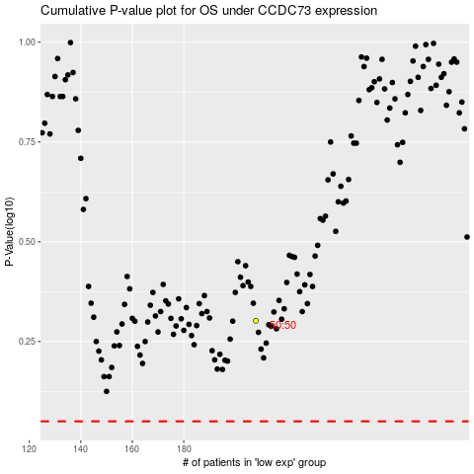

 |  |  |  |  |  | cases_OS | p_OS | rank | exp
 |  |  |  |  |  |  | cases_RFS | p_RFS | rank | exp

