CCDC74A _multivariate
Reported by Tex Li-Hsing Chi. tex@gate.sinica.edu.tw 2019-08-21

Table 2. The clinicopathological features of HNSCC cohort and CCDC74A expression. (Chi square test)
Cutoff at -0.307 (49.8%)
 |  | CCDC74A expression |  | CCDC74A expression |  | (Optimised)
 | Features | Low | (%) | High | (%) | Case no | P-value | Remark | Matthews
Gender | Female | 137 | 33 | 169 | 40.7 | 415 | 7e-04 | 1 | 0
2 | Male | 70 | 16.9 | 39 | 9.4
Age at diagnosis | <=65y | 131 | 31.6 | 143 | 34.5 | 415 | 0.2839 | 0 | 0
4 | >65y | 76 | 18.3 | 65 | 15.7
Clinical T Status | T1+T2 | 85 | 20.5 | 64 | 15.4 | 415 | 0.0372 | 1 | 0
6 | T3+T4 | 122 | 29.4 | 144 | 34.7
Clinical N Status | N0 | 114 | 27.5 | 102 | 24.6 | 415 | 0.2576 | 1 | 0
8 | N1-3 | 93 | 22.4 | 106 | 25.5
Clinical M Status | M0 | 204 | 49.2 | 208 | 50.1 | 415 | 0.1232 | 0 | 0
10 | M1 | 3 | 0.7 | 0 | 0
Clinical Stage | Stage I+II | 63 | 15.2 | 39 | 9.4 | 415 | 0.008 | 1 | 0
12 | Stage III+IV | 144 | 34.7 | 169 | 40.7
Surgical Margin status | Negative | 161 | 38.8 | 157 | 37.8 | 415 | 0.6429 | 0 | 0
14 | Positive | 46 | 11.1 | 51 | 12.3
Tobacco Exposure | Low | 102 | 24.6 | 59 | 14.2 | 415 | 0 | 1 | 0
16 | High | 105 | 25.3 | 149 | 35.9

Table 3. Univariate/Multivariate Cox's proportional hazards regression analyses on OS time of CCDC74A gene expression in HNSCC

 |  | Univariate |  |  |  | Multivariate
 | Features | HR | CI95%(L) | CI95%(H) | P-value | HR | CI95%(L) | CI95%(H) | P-value
1 | Female | 1 |  |  |  | 1
Gender | Male | 1.157 | 0.843 | 1.587 | 0.367 | 1.169 | 0.834 | 1.641 | 0.365
11 | <=65y | 1 |  |  |  | 1
Age at diagnosis | >65y | 1.329 | 0.99 | 1.784 | 0.058 | 1.395 | 1.026 | 1.896 | 0.034
12 | T1+T2 | 1 |  |  |  | 1
Clinical T Status | T3+T4 | 1.409 | 1.028 | 1.931 | 0.033 | 2.19 | 1.158 | 4.142 | 0.016
13 | N0 | 1 |  |  |  | 1
Clinical N Status | N1-3 | 1.185 | 0.89 | 1.577 | 0.246 | 1.248 | 0.875 | 1.781 | 0.221
14 | M0 | 1 |  |  |  | 1
Clinical M Status | M1 | 4.097 | 1.009 | 16.644 | 0.049 | 8.486 | 1.832 | 39.315 | 0.006
15 | Stage I+II | 1 |  |  |  | 1
Clinical Stage | Stage III+IV | 1.245 | 0.882 | 1.759 | 0.213 | 0.522 | 0.242 | 1.123 | 0.096
16 | Negative | 1 |  |  |  | 1
Surgical Margin status | Positive | 1.591 | 1.155 | 2.191 | 0.004 | 1.687 | 1.221 | 2.332 | 0.002
17 | Low | 1 |  |  |  | 1
Tobacco Exposure | High | 1.364 | 1.008 | 1.844 | 0.044 | 1.498 | 1.081 | 2.076 | 0.015
18 | Low | 1 |  |  |  | 1
RNAseq(z-score) | High | 0.91 | 0.681 | 1.215 | 0.521 | 0.845 | 0.621 | 1.149 | 0.283

Table 4. Univariate/Multivariate Cox's proportional hazards regression analyses on RFS time of CCDC74A gene expression in HNSCC

 |  | Univariate |  |  |  | Multivariate
 | Features | HR | CI95%(L) | CI95%(H) | P-value | HR | CI95%(L) | CI95%(H) | P-value
1 | Female | 1 |  |  |  | 1
Gender | Male | 1.157 | 0.843 | 1.587 | 0.367 | 1.169 | 0.834 | 1.641 | 0.365
11 | <=65y | 1 |  |  |  | 1
Age at diagnosis | >65y | 1.329 | 0.99 | 1.784 | 0.058 | 1.395 | 1.026 | 1.896 | 0.034
12 | T1+T2 | 1 |  |  |  | 1
Clinical T Status | T3+T4 | 1.409 | 1.028 | 1.931 | 0.033 | 2.19 | 1.158 | 4.142 | 0.016
13 | N0 | 1 |  |  |  | 1
Clinical N Status | N1-3 | 1.185 | 0.89 | 1.577 | 0.246 | 1.248 | 0.875 | 1.781 | 0.221
14 | M0 | 1 |  |  |  | 1
Clinical M Status | M1 | 4.097 | 1.009 | 16.644 | 0.049 | 8.486 | 1.832 | 39.315 | 0.006
15 | Stage I+II | 1 |  |  |  | 1
Clinical Stage | Stage III+IV | 1.245 | 0.882 | 1.759 | 0.213 | 0.522 | 0.242 | 1.123 | 0.096
16 | Negative | 1 |  |  |  | 1
Surgical Margin status | Positive | 1.591 | 1.155 | 2.191 | 0.004 | 1.687 | 1.221 | 2.332 | 0.002
17 | Low | 1 |  |  |  | 1
Tobacco Exposure | High | 1.364 | 1.008 | 1.844 | 0.044 | 1.498 | 1.081 | 2.076 | 0.015
18 | Low | 1 |  |  |  | 1
RNAseq(z-score) | High | 0.91 | 0.681 | 1.215 | 0.521 | 0.845 | 0.621 | 1.149 | 0.283

Kaplan-Meier survival estimate: Cutoff at -0.307 (49.8%)



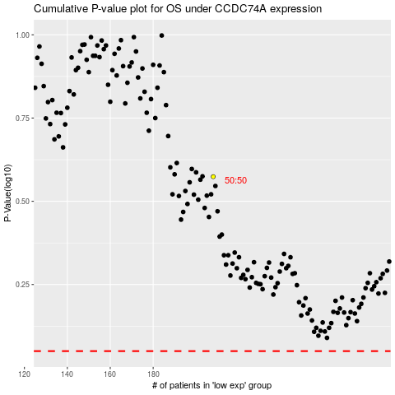

 |  |  |  |  |  | cases_OS | p_OS | rank | exp
 |  |  |  |  |  |  | cases_RFS | p_RFS | rank | exp

