CCDC74B _multivariate
Reported by Tex Li-Hsing Chi. tex@gate.sinica.edu.tw 2019-08-21

Table 2. The clinicopathological features of HNSCC cohort and CCDC74B expression. (Chi square test)
Cutoff at -0.355 (49.8%)
 |  | CCDC74B expression |  | CCDC74B expression |  | (Optimised)
 | Features | Low | (%) | High | (%) | Case no | P-value | Remark | Matthews
Gender | Female | 138 | 33.3 | 168 | 40.5 | 415 | 0.0016 | 1 | 0
2 | Male | 69 | 16.6 | 40 | 9.6
Age at diagnosis | <=65y | 131 | 31.6 | 143 | 34.5 | 415 | 0.2839 | 0 | 0
4 | >65y | 76 | 18.3 | 65 | 15.7
Clinical T Status | T1+T2 | 90 | 21.7 | 59 | 14.2 | 415 | 0.0019 | 1 | 0
6 | T3+T4 | 117 | 28.2 | 149 | 35.9
Clinical N Status | N0 | 110 | 26.5 | 106 | 25.5 | 415 | 0.7294 | 0 | 0
8 | N1-3 | 97 | 23.4 | 102 | 24.6
Clinical M Status | M0 | 204 | 49.2 | 208 | 50.1 | 415 | 0.1232 | 0 | 0
10 | M1 | 3 | 0.7 | 0 | 0
Clinical Stage | Stage I+II | 65 | 15.7 | 37 | 8.9 | 415 | 0.0019 | 1 | 0
12 | Stage III+IV | 142 | 34.2 | 171 | 41.2
Surgical Margin status | Negative | 159 | 38.3 | 159 | 38.3 | 415 | 1 | 0 | 0
14 | Positive | 48 | 11.6 | 49 | 11.8
Tobacco Exposure | Low | 103 | 24.8 | 58 | 14 | 415 | 0 | 1 | 0
16 | High | 104 | 25.1 | 150 | 36.1

Table 3. Univariate/Multivariate Cox's proportional hazards regression analyses on OS time of CCDC74B gene expression in HNSCC

 |  | Univariate |  |  |  | Multivariate
 | Features | HR | CI95%(L) | CI95%(H) | P-value | HR | CI95%(L) | CI95%(H) | P-value
1 | Female | 1 |  |  |  | 1
Gender | Male | 1.157 | 0.843 | 1.587 | 0.367 | 1.181 | 0.843 | 1.655 | 0.332
11 | <=65y | 1 |  |  |  | 1
Age at diagnosis | >65y | 1.329 | 0.99 | 1.784 | 0.058 | 1.391 | 1.023 | 1.891 | 0.035
12 | T1+T2 | 1 |  |  |  | 1
Clinical T Status | T3+T4 | 1.409 | 1.028 | 1.931 | 0.033 | 2.208 | 1.168 | 4.175 | 0.015
13 | N0 | 1 |  |  |  | 1
Clinical N Status | N1-3 | 1.185 | 0.89 | 1.577 | 0.246 | 1.237 | 0.867 | 1.765 | 0.241
14 | M0 | 1 |  |  |  | 1
Clinical M Status | M1 | 4.097 | 1.009 | 16.644 | 0.049 | 8.759 | 1.894 | 40.507 | 0.005
15 | Stage I+II | 1 |  |  |  | 1
Clinical Stage | Stage III+IV | 1.245 | 0.882 | 1.759 | 0.213 | 0.517 | 0.24 | 1.111 | 0.091
16 | Negative | 1 |  |  |  | 1
Surgical Margin status | Positive | 1.591 | 1.155 | 2.191 | 0.004 | 1.661 | 1.202 | 2.295 | 0.002
17 | Low | 1 |  |  |  | 1
Tobacco Exposure | High | 1.364 | 1.008 | 1.844 | 0.044 | 1.496 | 1.077 | 2.078 | 0.016
18 | Low | 1 |  |  |  | 1
RNAseq(z-score) | High | 0.925 | 0.693 | 1.234 | 0.595 | 0.878 | 0.645 | 1.197 | 0.411

Table 4. Univariate/Multivariate Cox's proportional hazards regression analyses on RFS time of CCDC74B gene expression in HNSCC

 |  | Univariate |  |  |  | Multivariate
 | Features | HR | CI95%(L) | CI95%(H) | P-value | HR | CI95%(L) | CI95%(H) | P-value
1 | Female | 1 |  |  |  | 1
Gender | Male | 1.157 | 0.843 | 1.587 | 0.367 | 1.181 | 0.843 | 1.655 | 0.332
11 | <=65y | 1 |  |  |  | 1
Age at diagnosis | >65y | 1.329 | 0.99 | 1.784 | 0.058 | 1.391 | 1.023 | 1.891 | 0.035
12 | T1+T2 | 1 |  |  |  | 1
Clinical T Status | T3+T4 | 1.409 | 1.028 | 1.931 | 0.033 | 2.208 | 1.168 | 4.175 | 0.015
13 | N0 | 1 |  |  |  | 1
Clinical N Status | N1-3 | 1.185 | 0.89 | 1.577 | 0.246 | 1.237 | 0.867 | 1.765 | 0.241
14 | M0 | 1 |  |  |  | 1
Clinical M Status | M1 | 4.097 | 1.009 | 16.644 | 0.049 | 8.759 | 1.894 | 40.507 | 0.005
15 | Stage I+II | 1 |  |  |  | 1
Clinical Stage | Stage III+IV | 1.245 | 0.882 | 1.759 | 0.213 | 0.517 | 0.24 | 1.111 | 0.091
16 | Negative | 1 |  |  |  | 1
Surgical Margin status | Positive | 1.591 | 1.155 | 2.191 | 0.004 | 1.661 | 1.202 | 2.295 | 0.002
17 | Low | 1 |  |  |  | 1
Tobacco Exposure | High | 1.364 | 1.008 | 1.844 | 0.044 | 1.496 | 1.077 | 2.078 | 0.016
18 | Low | 1 |  |  |  | 1
RNAseq(z-score) | High | 0.925 | 0.693 | 1.234 | 0.595 | 0.878 | 0.645 | 1.197 | 0.411

Kaplan-Meier survival estimate: Cutoff at -0.355 (49.8%)



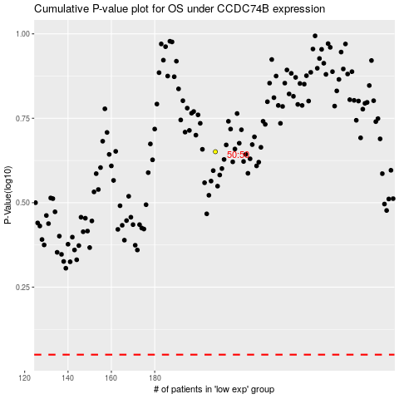

 |  |  |  |  |  | cases_OS | p_OS | rank | exp
 |  |  |  |  |  |  | cases_RFS | p_RFS | rank | exp

