CCDC77 _multivariate
Reported by Tex Li-Hsing Chi. tex@gate.sinica.edu.tw 2019-08-21

Table 2. The clinicopathological features of HNSCC cohort and CCDC77 expression. (Chi square test)
Cutoff at -0.215 (49.8%)
 |  | CCDC77 expression |  | CCDC77 expression |  | (Optimised)
 | Features | Low | (%) | High | (%) | Case no | P-value | Remark | Matthews
Gender | Female | 137 | 33 | 169 | 40.7 | 415 | 7e-04 | 1 | 0
2 | Male | 70 | 16.9 | 39 | 9.4
Age at diagnosis | <=65y | 132 | 31.8 | 142 | 34.2 | 415 | 0.3874 | 0 | 0
4 | >65y | 75 | 18.1 | 66 | 15.9
Clinical T Status | T1+T2 | 69 | 16.6 | 80 | 19.3 | 415 | 0.3239 | 0 | 0
6 | T3+T4 | 138 | 33.3 | 128 | 30.8
Clinical N Status | N0 | 109 | 26.3 | 107 | 25.8 | 415 | 0.8812 | 0 | 0
8 | N1-3 | 98 | 23.6 | 101 | 24.3
Clinical M Status | M0 | 206 | 49.6 | 206 | 49.6 | 415 | 1 | 0 | 0
10 | M1 | 1 | 0.2 | 2 | 0.5
Clinical Stage | Stage I+II | 54 | 13 | 48 | 11.6 | 415 | 0.5498 | 0 | 0
12 | Stage III+IV | 153 | 36.9 | 160 | 38.6
Surgical Margin status | Negative | 168 | 40.5 | 150 | 36.1 | 415 | 0.0366 | 1 | 0
14 | Positive | 39 | 9.4 | 58 | 14
Tobacco Exposure | Low | 90 | 21.7 | 71 | 17.1 | 415 | 0.0559 | 0 | 0
16 | High | 117 | 28.2 | 137 | 33

Table 3. Univariate/Multivariate Cox's proportional hazards regression analyses on OS time of CCDC77 gene expression in HNSCC

 |  | Univariate |  |  |  | Multivariate
 | Features | HR | CI95%(L) | CI95%(H) | P-value | HR | CI95%(L) | CI95%(H) | P-value
1 | Female | 1 |  |  |  | 1
Gender | Male | 1.157 | 0.843 | 1.587 | 0.367 | 1.166 | 0.829 | 1.64 | 0.376
11 | <=65y | 1 |  |  |  | 1
Age at diagnosis | >65y | 1.329 | 0.99 | 1.784 | 0.058 | 1.386 | 1.019 | 1.884 | 0.038
12 | T1+T2 | 1 |  |  |  | 1
Clinical T Status | T3+T4 | 1.409 | 1.028 | 1.931 | 0.033 | 2.134 | 1.124 | 4.052 | 0.021
13 | N0 | 1 |  |  |  | 1
Clinical N Status | N1-3 | 1.185 | 0.89 | 1.577 | 0.246 | 1.225 | 0.858 | 1.75 | 0.264
14 | M0 | 1 |  |  |  | 1
Clinical M Status | M1 | 4.097 | 1.009 | 16.644 | 0.049 | 9.281 | 2.024 | 42.556 | 0.004
15 | Stage I+II | 1 |  |  |  | 1
Clinical Stage | Stage III+IV | 1.245 | 0.882 | 1.759 | 0.213 | 0.521 | 0.242 | 1.122 | 0.096
16 | Negative | 1 |  |  |  | 1
Surgical Margin status | Positive | 1.591 | 1.155 | 2.191 | 0.004 | 1.715 | 1.234 | 2.383 | 0.001
17 | Low | 1 |  |  |  | 1
Tobacco Exposure | High | 1.364 | 1.008 | 1.844 | 0.044 | 1.476 | 1.069 | 2.039 | 0.018
18 | Low | 1 |  |  |  | 1
RNAseq(z-score) | High | 0.912 | 0.684 | 1.216 | 0.53 | 0.878 | 0.646 | 1.192 | 0.403

Table 4. Univariate/Multivariate Cox's proportional hazards regression analyses on RFS time of CCDC77 gene expression in HNSCC

 |  | Univariate |  |  |  | Multivariate
 | Features | HR | CI95%(L) | CI95%(H) | P-value | HR | CI95%(L) | CI95%(H) | P-value
1 | Female | 1 |  |  |  | 1
Gender | Male | 1.157 | 0.843 | 1.587 | 0.367 | 1.166 | 0.829 | 1.64 | 0.376
11 | <=65y | 1 |  |  |  | 1
Age at diagnosis | >65y | 1.329 | 0.99 | 1.784 | 0.058 | 1.386 | 1.019 | 1.884 | 0.038
12 | T1+T2 | 1 |  |  |  | 1
Clinical T Status | T3+T4 | 1.409 | 1.028 | 1.931 | 0.033 | 2.134 | 1.124 | 4.052 | 0.021
13 | N0 | 1 |  |  |  | 1
Clinical N Status | N1-3 | 1.185 | 0.89 | 1.577 | 0.246 | 1.225 | 0.858 | 1.75 | 0.264
14 | M0 | 1 |  |  |  | 1
Clinical M Status | M1 | 4.097 | 1.009 | 16.644 | 0.049 | 9.281 | 2.024 | 42.556 | 0.004
15 | Stage I+II | 1 |  |  |  | 1
Clinical Stage | Stage III+IV | 1.245 | 0.882 | 1.759 | 0.213 | 0.521 | 0.242 | 1.122 | 0.096
16 | Negative | 1 |  |  |  | 1
Surgical Margin status | Positive | 1.591 | 1.155 | 2.191 | 0.004 | 1.715 | 1.234 | 2.383 | 0.001
17 | Low | 1 |  |  |  | 1
Tobacco Exposure | High | 1.364 | 1.008 | 1.844 | 0.044 | 1.476 | 1.069 | 2.039 | 0.018
18 | Low | 1 |  |  |  | 1
RNAseq(z-score) | High | 0.912 | 0.684 | 1.216 | 0.53 | 0.878 | 0.646 | 1.192 | 0.403

Kaplan-Meier survival estimate: Cutoff at -0.215 (49.8%)



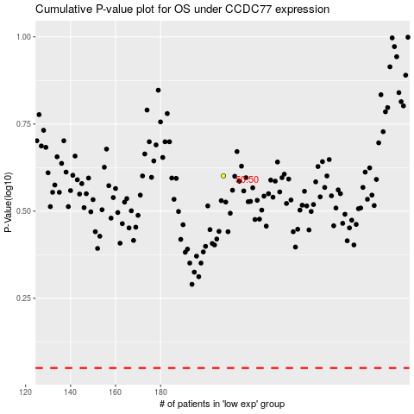

 |  |  |  |  |  | cases_OS | p_OS | rank | exp
 |  |  |  |  |  |  | cases_RFS | p_RFS | rank | exp

