CCDC78 _multivariate
Reported by Tex Li-Hsing Chi. tex@gate.sinica.edu.tw 2019-08-21

Table 2. The clinicopathological features of HNSCC cohort and CCDC78 expression. (Chi square test)
Cutoff at -0.167 (49.8%)
 |  | CCDC78 expression |  | CCDC78 expression |  | (Optimised)
 | Features | Low | (%) | High | (%) | Case no | P-value | Remark | Matthews
Gender | Female | 137 | 33 | 169 | 40.7 | 415 | 7e-04 | 1 | 0
2 | Male | 70 | 16.9 | 39 | 9.4
Age at diagnosis | <=65y | 136 | 32.8 | 138 | 33.3 | 415 | 0.9719 | 0 | 0
4 | >65y | 71 | 17.1 | 70 | 16.9
Clinical T Status | T1+T2 | 84 | 20.2 | 65 | 15.7 | 415 | 0.0603 | 0 | 0
6 | T3+T4 | 123 | 29.6 | 143 | 34.5
Clinical N Status | N0 | 112 | 27 | 104 | 25.1 | 415 | 0.4599 | 0 | 0
8 | N1-3 | 95 | 22.9 | 104 | 25.1
Clinical M Status | M0 | 206 | 49.6 | 206 | 49.6 | 415 | 1 | 0 | 0
10 | M1 | 1 | 0.2 | 2 | 0.5
Clinical Stage | Stage I+II | 59 | 14.2 | 43 | 10.4 | 415 | 0.0822 | 0 | 0
12 | Stage III+IV | 148 | 35.7 | 165 | 39.8
Surgical Margin status | Negative | 161 | 38.8 | 157 | 37.8 | 415 | 0.6429 | 0 | 0
14 | Positive | 46 | 11.1 | 51 | 12.3
Tobacco Exposure | Low | 90 | 21.7 | 71 | 17.1 | 415 | 0.0559 | 0 | 0
16 | High | 117 | 28.2 | 137 | 33

Table 3. Univariate/Multivariate Cox's proportional hazards regression analyses on OS time of CCDC78 gene expression in HNSCC

 |  | Univariate |  |  |  | Multivariate
 | Features | HR | CI95%(L) | CI95%(H) | P-value | HR | CI95%(L) | CI95%(H) | P-value
1 | Female | 1 |  |  |  | 1
Gender | Male | 1.157 | 0.843 | 1.587 | 0.367 | 1.158 | 0.828 | 1.62 | 0.391
11 | <=65y | 1 |  |  |  | 1
Age at diagnosis | >65y | 1.329 | 0.99 | 1.784 | 0.058 | 1.427 | 1.048 | 1.942 | 0.024
12 | T1+T2 | 1 |  |  |  | 1
Clinical T Status | T3+T4 | 1.409 | 1.028 | 1.931 | 0.033 | 2.229 | 1.179 | 4.215 | 0.014
13 | N0 | 1 |  |  |  | 1
Clinical N Status | N1-3 | 1.185 | 0.89 | 1.577 | 0.246 | 1.243 | 0.871 | 1.773 | 0.231
14 | M0 | 1 |  |  |  | 1
Clinical M Status | M1 | 4.097 | 1.009 | 16.644 | 0.049 | 9.746 | 2.126 | 44.68 | 0.003
15 | Stage I+II | 1 |  |  |  | 1
Clinical Stage | Stage III+IV | 1.245 | 0.882 | 1.759 | 0.213 | 0.51 | 0.237 | 1.095 | 0.084
16 | Negative | 1 |  |  |  | 1
Surgical Margin status | Positive | 1.591 | 1.155 | 2.191 | 0.004 | 1.689 | 1.222 | 2.334 | 0.001
17 | Low | 1 |  |  |  | 1
Tobacco Exposure | High | 1.364 | 1.008 | 1.844 | 0.044 | 1.511 | 1.094 | 2.089 | 0.012
18 | Low | 1 |  |  |  | 1
RNAseq(z-score) | High | 0.799 | 0.599 | 1.067 | 0.129 | 0.739 | 0.55 | 0.992 | 0.044

Table 4. Univariate/Multivariate Cox's proportional hazards regression analyses on RFS time of CCDC78 gene expression in HNSCC

 |  | Univariate |  |  |  | Multivariate
 | Features | HR | CI95%(L) | CI95%(H) | P-value | HR | CI95%(L) | CI95%(H) | P-value
1 | Female | 1 |  |  |  | 1
Gender | Male | 1.157 | 0.843 | 1.587 | 0.367 | 1.158 | 0.828 | 1.62 | 0.391
11 | <=65y | 1 |  |  |  | 1
Age at diagnosis | >65y | 1.329 | 0.99 | 1.784 | 0.058 | 1.427 | 1.048 | 1.942 | 0.024
12 | T1+T2 | 1 |  |  |  | 1
Clinical T Status | T3+T4 | 1.409 | 1.028 | 1.931 | 0.033 | 2.229 | 1.179 | 4.215 | 0.014
13 | N0 | 1 |  |  |  | 1
Clinical N Status | N1-3 | 1.185 | 0.89 | 1.577 | 0.246 | 1.243 | 0.871 | 1.773 | 0.231
14 | M0 | 1 |  |  |  | 1
Clinical M Status | M1 | 4.097 | 1.009 | 16.644 | 0.049 | 9.746 | 2.126 | 44.68 | 0.003
15 | Stage I+II | 1 |  |  |  | 1
Clinical Stage | Stage III+IV | 1.245 | 0.882 | 1.759 | 0.213 | 0.51 | 0.237 | 1.095 | 0.084
16 | Negative | 1 |  |  |  | 1
Surgical Margin status | Positive | 1.591 | 1.155 | 2.191 | 0.004 | 1.689 | 1.222 | 2.334 | 0.001
17 | Low | 1 |  |  |  | 1
Tobacco Exposure | High | 1.364 | 1.008 | 1.844 | 0.044 | 1.511 | 1.094 | 2.089 | 0.012
18 | Low | 1 |  |  |  | 1
RNAseq(z-score) | High | 0.799 | 0.599 | 1.067 | 0.129 | 0.739 | 0.55 | 0.992 | 0.044

Kaplan-Meier survival estimate: Cutoff at -0.167 (49.8%)



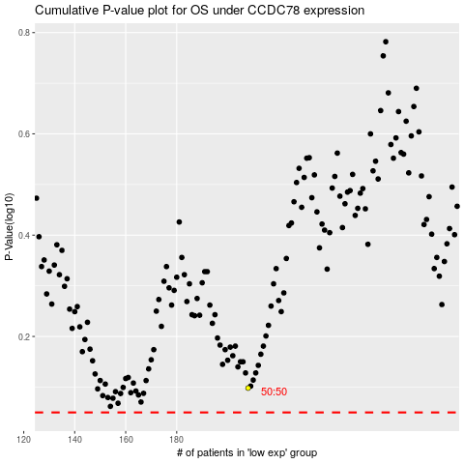

 |  |  |  |  |  | cases_OS | p_OS | rank | exp
 |  |  |  |  |  |  | cases_RFS | p_RFS | rank | exp

