CCDC80 _multivariate
Reported by Tex Li-Hsing Chi. tex@gate.sinica.edu.tw 2019-08-21

Table 2. The clinicopathological features of HNSCC cohort and CCDC80 expression. (Chi square test)
Cutoff at -0.309 (49.8%)
 |  | CCDC80 expression |  | CCDC80 expression |  | (Optimised)
 | Features | Low | (%) | High | (%) | Case no | P-value | Remark | Matthews
Gender | Female | 150 | 36.1 | 156 | 37.6 | 415 | 0.6344 | 0 | 0
2 | Male | 57 | 13.7 | 52 | 12.5
Age at diagnosis | <=65y | 137 | 33 | 137 | 33 | 415 | 1 | 0 | 0
4 | >65y | 70 | 16.9 | 71 | 17.1
Clinical T Status | T1+T2 | 73 | 17.6 | 76 | 18.3 | 415 | 0.8666 | 0 | 0
6 | T3+T4 | 134 | 32.3 | 132 | 31.8
Clinical N Status | N0 | 110 | 26.5 | 106 | 25.5 | 415 | 0.7294 | 0 | 0
8 | N1-3 | 97 | 23.4 | 102 | 24.6
Clinical M Status | M0 | 204 | 49.2 | 208 | 50.1 | 415 | 0.1232 | 0 | 0
10 | M1 | 3 | 0.7 | 0 | 0
Clinical Stage | Stage I+II | 50 | 12 | 52 | 12.5 | 415 | 0.9315 | 0 | 0
12 | Stage III+IV | 157 | 37.8 | 156 | 37.6
Surgical Margin status | Negative | 151 | 36.4 | 167 | 40.2 | 415 | 0.0828 | 0 | 0
14 | Positive | 56 | 13.5 | 41 | 9.9
Tobacco Exposure | Low | 81 | 19.5 | 80 | 19.3 | 415 | 0.9199 | 0 | 0
16 | High | 126 | 30.4 | 128 | 30.8

Table 3. Univariate/Multivariate Cox's proportional hazards regression analyses on OS time of CCDC80 gene expression in HNSCC

 |  | Univariate |  |  |  | Multivariate
 | Features | HR | CI95%(L) | CI95%(H) | P-value | HR | CI95%(L) | CI95%(H) | P-value
1 | Female | 1 |  |  |  | 1
Gender | Male | 1.157 | 0.843 | 1.587 | 0.367 | 1.196 | 0.855 | 1.672 | 0.297
11 | <=65y | 1 |  |  |  | 1
Age at diagnosis | >65y | 1.329 | 0.99 | 1.784 | 0.058 | 1.396 | 1.026 | 1.898 | 0.034
12 | T1+T2 | 1 |  |  |  | 1
Clinical T Status | T3+T4 | 1.409 | 1.028 | 1.931 | 0.033 | 2.2 | 1.163 | 4.16 | 0.015
13 | N0 | 1 |  |  |  | 1
Clinical N Status | N1-3 | 1.185 | 0.89 | 1.577 | 0.246 | 1.247 | 0.874 | 1.78 | 0.224
14 | M0 | 1 |  |  |  | 1
Clinical M Status | M1 | 4.097 | 1.009 | 16.644 | 0.049 | 8.974 | 1.94 | 41.502 | 0.005
15 | Stage I+II | 1 |  |  |  | 1
Clinical Stage | Stage III+IV | 1.245 | 0.882 | 1.759 | 0.213 | 0.507 | 0.236 | 1.089 | 0.082
16 | Negative | 1 |  |  |  | 1
Surgical Margin status | Positive | 1.591 | 1.155 | 2.191 | 0.004 | 1.658 | 1.198 | 2.294 | 0.002
17 | Low | 1 |  |  |  | 1
Tobacco Exposure | High | 1.364 | 1.008 | 1.844 | 0.044 | 1.455 | 1.056 | 2.006 | 0.022
18 | Low | 1 |  |  |  | 1
RNAseq(z-score) | High | 0.879 | 0.66 | 1.17 | 0.376 | 0.921 | 0.688 | 1.233 | 0.58

Table 4. Univariate/Multivariate Cox's proportional hazards regression analyses on RFS time of CCDC80 gene expression in HNSCC

 |  | Univariate |  |  |  | Multivariate
 | Features | HR | CI95%(L) | CI95%(H) | P-value | HR | CI95%(L) | CI95%(H) | P-value
1 | Female | 1 |  |  |  | 1
Gender | Male | 1.157 | 0.843 | 1.587 | 0.367 | 1.196 | 0.855 | 1.672 | 0.297
11 | <=65y | 1 |  |  |  | 1
Age at diagnosis | >65y | 1.329 | 0.99 | 1.784 | 0.058 | 1.396 | 1.026 | 1.898 | 0.034
12 | T1+T2 | 1 |  |  |  | 1
Clinical T Status | T3+T4 | 1.409 | 1.028 | 1.931 | 0.033 | 2.2 | 1.163 | 4.16 | 0.015
13 | N0 | 1 |  |  |  | 1
Clinical N Status | N1-3 | 1.185 | 0.89 | 1.577 | 0.246 | 1.247 | 0.874 | 1.78 | 0.224
14 | M0 | 1 |  |  |  | 1
Clinical M Status | M1 | 4.097 | 1.009 | 16.644 | 0.049 | 8.974 | 1.94 | 41.502 | 0.005
15 | Stage I+II | 1 |  |  |  | 1
Clinical Stage | Stage III+IV | 1.245 | 0.882 | 1.759 | 0.213 | 0.507 | 0.236 | 1.089 | 0.082
16 | Negative | 1 |  |  |  | 1
Surgical Margin status | Positive | 1.591 | 1.155 | 2.191 | 0.004 | 1.658 | 1.198 | 2.294 | 0.002
17 | Low | 1 |  |  |  | 1
Tobacco Exposure | High | 1.364 | 1.008 | 1.844 | 0.044 | 1.455 | 1.056 | 2.006 | 0.022
18 | Low | 1 |  |  |  | 1
RNAseq(z-score) | High | 0.879 | 0.66 | 1.17 | 0.376 | 0.921 | 0.688 | 1.233 | 0.58

Kaplan-Meier survival estimate: Cutoff at -0.309 (49.8%)



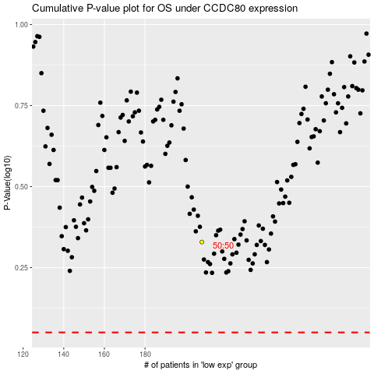

 |  |  |  |  |  | cases_OS | p_OS | rank | exp
 |  |  |  |  |  |  | cases_RFS | p_RFS | rank | exp

