CCDC81 _multivariate
Reported by Tex Li-Hsing Chi. tex@gate.sinica.edu.tw 2019-08-21

Table 2. The clinicopathological features of HNSCC cohort and CCDC81 expression. (Chi square test)
Cutoff at -0.098 (49.8%)
 |  | CCDC81 expression |  | CCDC81 expression |  | (Optimised)
 | Features | Low | (%) | High | (%) | Case no | P-value | Remark | Matthews
Gender | Female | 147 | 35.4 | 159 | 38.3 | 415 | 0.2523 | 0 | 0
2 | Male | 60 | 14.5 | 49 | 11.8
Age at diagnosis | <=65y | 131 | 31.6 | 143 | 34.5 | 415 | 0.2839 | 0 | 0
4 | >65y | 76 | 18.3 | 65 | 15.7
Clinical T Status | T1+T2 | 70 | 16.9 | 79 | 19 | 415 | 0.4343 | 0 | 0
6 | T3+T4 | 137 | 33 | 129 | 31.1
Clinical N Status | N0 | 95 | 22.9 | 121 | 29.2 | 415 | 0.0162 | 1 | 0
8 | N1-3 | 112 | 27 | 87 | 21
Clinical M Status | M0 | 205 | 49.4 | 207 | 49.9 | 415 | 0.6232 | 0 | 0
10 | M1 | 2 | 0.5 | 1 | 0.2
Clinical Stage | Stage I+II | 44 | 10.6 | 58 | 14 | 415 | 0.1459 | 0 | 0
12 | Stage III+IV | 163 | 39.3 | 150 | 36.1
Surgical Margin status | Negative | 159 | 38.3 | 159 | 38.3 | 415 | 1 | 0 | 0
14 | Positive | 48 | 11.6 | 49 | 11.8
Tobacco Exposure | Low | 77 | 18.6 | 84 | 20.2 | 415 | 0.5459 | 0 | 0
16 | High | 130 | 31.3 | 124 | 29.9

Table 3. Univariate/Multivariate Cox's proportional hazards regression analyses on OS time of CCDC81 gene expression in HNSCC

 |  | Univariate |  |  |  | Multivariate
 | Features | HR | CI95%(L) | CI95%(H) | P-value | HR | CI95%(L) | CI95%(H) | P-value
1 | Female | 1 |  |  |  | 1
Gender | Male | 1.157 | 0.843 | 1.587 | 0.367 | 1.197 | 0.856 | 1.673 | 0.293
11 | <=65y | 1 |  |  |  | 1
Age at diagnosis | >65y | 1.329 | 0.99 | 1.784 | 0.058 | 1.383 | 1.016 | 1.882 | 0.039
12 | T1+T2 | 1 |  |  |  | 1
Clinical T Status | T3+T4 | 1.409 | 1.028 | 1.931 | 0.033 | 2.2 | 1.163 | 4.159 | 0.015
13 | N0 | 1 |  |  |  | 1
Clinical N Status | N1-3 | 1.185 | 0.89 | 1.577 | 0.246 | 1.229 | 0.859 | 1.756 | 0.259
14 | M0 | 1 |  |  |  | 1
Clinical M Status | M1 | 4.097 | 1.009 | 16.644 | 0.049 | 9.36 | 2.042 | 42.91 | 0.004
15 | Stage I+II | 1 |  |  |  | 1
Clinical Stage | Stage III+IV | 1.245 | 0.882 | 1.759 | 0.213 | 0.506 | 0.236 | 1.086 | 0.08
16 | Negative | 1 |  |  |  | 1
Surgical Margin status | Positive | 1.591 | 1.155 | 2.191 | 0.004 | 1.677 | 1.213 | 2.318 | 0.002
17 | Low | 1 |  |  |  | 1
Tobacco Exposure | High | 1.364 | 1.008 | 1.844 | 0.044 | 1.448 | 1.05 | 1.997 | 0.024
18 | Low | 1 |  |  |  | 1
RNAseq(z-score) | High | 0.879 | 0.66 | 1.171 | 0.378 | 0.922 | 0.69 | 1.232 | 0.583

Table 4. Univariate/Multivariate Cox's proportional hazards regression analyses on RFS time of CCDC81 gene expression in HNSCC

 |  | Univariate |  |  |  | Multivariate
 | Features | HR | CI95%(L) | CI95%(H) | P-value | HR | CI95%(L) | CI95%(H) | P-value
1 | Female | 1 |  |  |  | 1
Gender | Male | 1.157 | 0.843 | 1.587 | 0.367 | 1.197 | 0.856 | 1.673 | 0.293
11 | <=65y | 1 |  |  |  | 1
Age at diagnosis | >65y | 1.329 | 0.99 | 1.784 | 0.058 | 1.383 | 1.016 | 1.882 | 0.039
12 | T1+T2 | 1 |  |  |  | 1
Clinical T Status | T3+T4 | 1.409 | 1.028 | 1.931 | 0.033 | 2.2 | 1.163 | 4.159 | 0.015
13 | N0 | 1 |  |  |  | 1
Clinical N Status | N1-3 | 1.185 | 0.89 | 1.577 | 0.246 | 1.229 | 0.859 | 1.756 | 0.259
14 | M0 | 1 |  |  |  | 1
Clinical M Status | M1 | 4.097 | 1.009 | 16.644 | 0.049 | 9.36 | 2.042 | 42.91 | 0.004
15 | Stage I+II | 1 |  |  |  | 1
Clinical Stage | Stage III+IV | 1.245 | 0.882 | 1.759 | 0.213 | 0.506 | 0.236 | 1.086 | 0.08
16 | Negative | 1 |  |  |  | 1
Surgical Margin status | Positive | 1.591 | 1.155 | 2.191 | 0.004 | 1.677 | 1.213 | 2.318 | 0.002
17 | Low | 1 |  |  |  | 1
Tobacco Exposure | High | 1.364 | 1.008 | 1.844 | 0.044 | 1.448 | 1.05 | 1.997 | 0.024
18 | Low | 1 |  |  |  | 1
RNAseq(z-score) | High | 0.879 | 0.66 | 1.171 | 0.378 | 0.922 | 0.69 | 1.232 | 0.583

Kaplan-Meier survival estimate: Cutoff at -0.098 (49.8%)



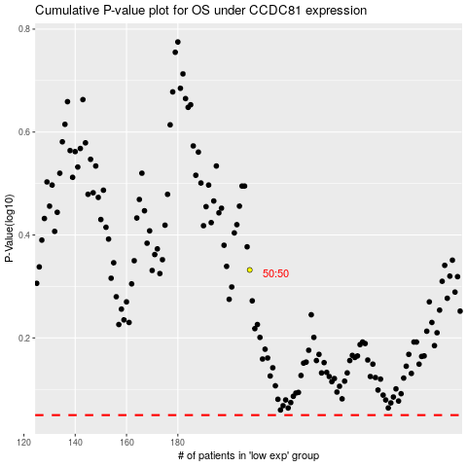

 |  |  |  |  |  | cases_OS | p_OS | rank | exp
 |  |  |  |  |  |  | cases_RFS | p_RFS | rank | exp

