CCDC82 _multivariate
Reported by Tex Li-Hsing Chi. tex@gate.sinica.edu.tw 2019-08-21

Table 2. The clinicopathological features of HNSCC cohort and CCDC82 expression. (Chi square test)
Cutoff at -0.134 (50.0%)
 |  | CCDC82 expression |  | CCDC82 expression |  | (Optimised)
 | Features | Low | (%) | High | (%) | Case no | P-value | Remark | Matthews
Gender | Female | 152 | 36.6 | 154 | 37.1 | 415 | 0.9766 | 0 | 0
2 | Male | 55 | 13.3 | 54 | 13
Age at diagnosis | <=65y | 135 | 32.5 | 139 | 33.5 | 415 | 0.8084 | 0 | 0
4 | >65y | 72 | 17.3 | 69 | 16.6
Clinical T Status | T1+T2 | 67 | 16.1 | 82 | 19.8 | 415 | 0.1628 | 0 | 0
6 | T3+T4 | 140 | 33.7 | 126 | 30.4
Clinical N Status | N0 | 104 | 25.1 | 112 | 27 | 415 | 0.5243 | 0 | 0
8 | N1-3 | 103 | 24.8 | 96 | 23.1
Clinical M Status | M0 | 204 | 49.2 | 208 | 50.1 | 415 | 0.1232 | 0 | 0
10 | M1 | 3 | 0.7 | 0 | 0
Clinical Stage | Stage I+II | 45 | 10.8 | 57 | 13.7 | 415 | 0.2202 | 0 | 0
12 | Stage III+IV | 162 | 39 | 151 | 36.4
Surgical Margin status | Negative | 161 | 38.8 | 157 | 37.8 | 415 | 0.6429 | 0 | 0
14 | Positive | 46 | 11.1 | 51 | 12.3
Tobacco Exposure | Low | 76 | 18.3 | 85 | 20.5 | 415 | 0.4207 | 0 | 0
16 | High | 131 | 31.6 | 123 | 29.6

Table 3. Univariate/Multivariate Cox's proportional hazards regression analyses on OS time of CCDC82 gene expression in HNSCC

 |  | Univariate |  |  |  | Multivariate
 | Features | HR | CI95%(L) | CI95%(H) | P-value | HR | CI95%(L) | CI95%(H) | P-value
1 | Female | 1 |  |  |  | 1
Gender | Male | 1.157 | 0.843 | 1.587 | 0.367 | 1.199 | 0.858 | 1.676 | 0.287
11 | <=65y | 1 |  |  |  | 1
Age at diagnosis | >65y | 1.329 | 0.99 | 1.784 | 0.058 | 1.408 | 1.035 | 1.914 | 0.029
12 | T1+T2 | 1 |  |  |  | 1
Clinical T Status | T3+T4 | 1.409 | 1.028 | 1.931 | 0.033 | 2.265 | 1.196 | 4.29 | 0.012
13 | N0 | 1 |  |  |  | 1
Clinical N Status | N1-3 | 1.185 | 0.89 | 1.577 | 0.246 | 1.266 | 0.886 | 1.809 | 0.196
14 | M0 | 1 |  |  |  | 1
Clinical M Status | M1 | 4.097 | 1.009 | 16.644 | 0.049 | 10.466 | 2.26 | 48.474 | 0.003
15 | Stage I+II | 1 |  |  |  | 1
Clinical Stage | Stage III+IV | 1.245 | 0.882 | 1.759 | 0.213 | 0.496 | 0.231 | 1.066 | 0.073
16 | Negative | 1 |  |  |  | 1
Surgical Margin status | Positive | 1.591 | 1.155 | 2.191 | 0.004 | 1.676 | 1.213 | 2.316 | 0.002
17 | Low | 1 |  |  |  | 1
Tobacco Exposure | High | 1.364 | 1.008 | 1.844 | 0.044 | 1.451 | 1.054 | 1.998 | 0.023
18 | Low | 1 |  |  |  | 1
RNAseq(z-score) | High | 1.075 | 0.807 | 1.431 | 0.621 | 1.196 | 0.894 | 1.602 | 0.228

Table 4. Univariate/Multivariate Cox's proportional hazards regression analyses on RFS time of CCDC82 gene expression in HNSCC

 |  | Univariate |  |  |  | Multivariate
 | Features | HR | CI95%(L) | CI95%(H) | P-value | HR | CI95%(L) | CI95%(H) | P-value
1 | Female | 1 |  |  |  | 1
Gender | Male | 1.157 | 0.843 | 1.587 | 0.367 | 1.199 | 0.858 | 1.676 | 0.287
11 | <=65y | 1 |  |  |  | 1
Age at diagnosis | >65y | 1.329 | 0.99 | 1.784 | 0.058 | 1.408 | 1.035 | 1.914 | 0.029
12 | T1+T2 | 1 |  |  |  | 1
Clinical T Status | T3+T4 | 1.409 | 1.028 | 1.931 | 0.033 | 2.265 | 1.196 | 4.29 | 0.012
13 | N0 | 1 |  |  |  | 1
Clinical N Status | N1-3 | 1.185 | 0.89 | 1.577 | 0.246 | 1.266 | 0.886 | 1.809 | 0.196
14 | M0 | 1 |  |  |  | 1
Clinical M Status | M1 | 4.097 | 1.009 | 16.644 | 0.049 | 10.466 | 2.26 | 48.474 | 0.003
15 | Stage I+II | 1 |  |  |  | 1
Clinical Stage | Stage III+IV | 1.245 | 0.882 | 1.759 | 0.213 | 0.496 | 0.231 | 1.066 | 0.073
16 | Negative | 1 |  |  |  | 1
Surgical Margin status | Positive | 1.591 | 1.155 | 2.191 | 0.004 | 1.676 | 1.213 | 2.316 | 0.002
17 | Low | 1 |  |  |  | 1
Tobacco Exposure | High | 1.364 | 1.008 | 1.844 | 0.044 | 1.451 | 1.054 | 1.998 | 0.023
18 | Low | 1 |  |  |  | 1
RNAseq(z-score) | High | 1.075 | 0.807 | 1.431 | 0.621 | 1.196 | 0.894 | 1.602 | 0.228

Kaplan-Meier survival estimate: Cutoff at -0.134 (50.0%)



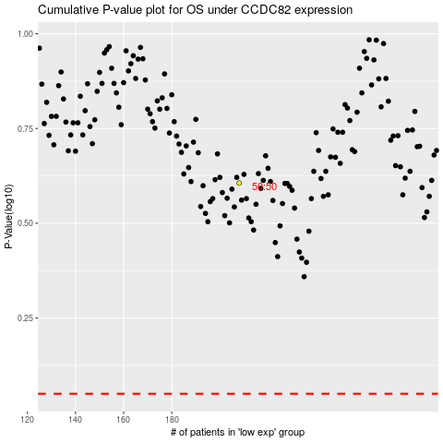

 |  |  |  |  |  | cases_OS | p_OS | rank | exp
 |  |  |  |  |  |  | cases_RFS | p_RFS | rank | exp

