CCDC84 _multivariate
Reported by Tex Li-Hsing Chi. tex@gate.sinica.edu.tw 2019-08-21

Table 2. The clinicopathological features of HNSCC cohort and CCDC84 expression. (Chi square test)
Cutoff at -0.236 (50.0%)
 |  | CCDC84 expression |  | CCDC84 expression |  | (Optimised)
 | Features | Low | (%) | High | (%) | Case no | P-value | Remark | Matthews
Gender | Female | 149 | 35.9 | 157 | 37.8 | 415 | 0.4848 | 0 | 0
2 | Male | 58 | 14 | 51 | 12.3
Age at diagnosis | <=65y | 133 | 32 | 141 | 34 | 415 | 0.5111 | 0 | 0
4 | >65y | 74 | 17.8 | 67 | 16.1
Clinical T Status | T1+T2 | 83 | 20 | 66 | 15.9 | 415 | 0.0941 | 0 | 0
6 | T3+T4 | 124 | 29.9 | 142 | 34.2
Clinical N Status | N0 | 106 | 25.5 | 110 | 26.5 | 415 | 0.8075 | 0 | 0
8 | N1-3 | 101 | 24.3 | 98 | 23.6
Clinical M Status | M0 | 206 | 49.6 | 206 | 49.6 | 415 | 1 | 0 | 0
10 | M1 | 1 | 0.2 | 2 | 0.5
Clinical Stage | Stage I+II | 60 | 14.5 | 42 | 10.1 | 415 | 0.0493 | 1 | 0
12 | Stage III+IV | 147 | 35.4 | 166 | 40
Surgical Margin status | Negative | 161 | 38.8 | 157 | 37.8 | 415 | 0.6429 | 0 | 0
14 | Positive | 46 | 11.1 | 51 | 12.3
Tobacco Exposure | Low | 81 | 19.5 | 80 | 19.3 | 415 | 0.9199 | 0 | 0
16 | High | 126 | 30.4 | 128 | 30.8

Table 3. Univariate/Multivariate Cox's proportional hazards regression analyses on OS time of CCDC84 gene expression in HNSCC

 |  | Univariate |  |  |  | Multivariate
 | Features | HR | CI95%(L) | CI95%(H) | P-value | HR | CI95%(L) | CI95%(H) | P-value
1 | Female | 1 |  |  |  | 1
Gender | Male | 1.157 | 0.843 | 1.587 | 0.367 | 1.202 | 0.861 | 1.679 | 0.279
11 | <=65y | 1 |  |  |  | 1
Age at diagnosis | >65y | 1.329 | 0.99 | 1.784 | 0.058 | 1.399 | 1.029 | 1.903 | 0.032
12 | T1+T2 | 1 |  |  |  | 1
Clinical T Status | T3+T4 | 1.409 | 1.028 | 1.931 | 0.033 | 2.209 | 1.169 | 4.177 | 0.015
13 | N0 | 1 |  |  |  | 1
Clinical N Status | N1-3 | 1.185 | 0.89 | 1.577 | 0.246 | 1.235 | 0.865 | 1.763 | 0.244
14 | M0 | 1 |  |  |  | 1
Clinical M Status | M1 | 4.097 | 1.009 | 16.644 | 0.049 | 9.985 | 2.173 | 45.876 | 0.003
15 | Stage I+II | 1 |  |  |  | 1
Clinical Stage | Stage III+IV | 1.245 | 0.882 | 1.759 | 0.213 | 0.52 | 0.242 | 1.117 | 0.094
16 | Negative | 1 |  |  |  | 1
Surgical Margin status | Positive | 1.591 | 1.155 | 2.191 | 0.004 | 1.703 | 1.231 | 2.356 | 0.001
17 | Low | 1 |  |  |  | 1
Tobacco Exposure | High | 1.364 | 1.008 | 1.844 | 0.044 | 1.475 | 1.07 | 2.035 | 0.018
18 | Low | 1 |  |  |  | 1
RNAseq(z-score) | High | 0.903 | 0.677 | 1.204 | 0.487 | 0.822 | 0.613 | 1.102 | 0.19

Table 4. Univariate/Multivariate Cox's proportional hazards regression analyses on RFS time of CCDC84 gene expression in HNSCC

 |  | Univariate |  |  |  | Multivariate
 | Features | HR | CI95%(L) | CI95%(H) | P-value | HR | CI95%(L) | CI95%(H) | P-value
1 | Female | 1 |  |  |  | 1
Gender | Male | 1.157 | 0.843 | 1.587 | 0.367 | 1.202 | 0.861 | 1.679 | 0.279
11 | <=65y | 1 |  |  |  | 1
Age at diagnosis | >65y | 1.329 | 0.99 | 1.784 | 0.058 | 1.399 | 1.029 | 1.903 | 0.032
12 | T1+T2 | 1 |  |  |  | 1
Clinical T Status | T3+T4 | 1.409 | 1.028 | 1.931 | 0.033 | 2.209 | 1.169 | 4.177 | 0.015
13 | N0 | 1 |  |  |  | 1
Clinical N Status | N1-3 | 1.185 | 0.89 | 1.577 | 0.246 | 1.235 | 0.865 | 1.763 | 0.244
14 | M0 | 1 |  |  |  | 1
Clinical M Status | M1 | 4.097 | 1.009 | 16.644 | 0.049 | 9.985 | 2.173 | 45.876 | 0.003
15 | Stage I+II | 1 |  |  |  | 1
Clinical Stage | Stage III+IV | 1.245 | 0.882 | 1.759 | 0.213 | 0.52 | 0.242 | 1.117 | 0.094
16 | Negative | 1 |  |  |  | 1
Surgical Margin status | Positive | 1.591 | 1.155 | 2.191 | 0.004 | 1.703 | 1.231 | 2.356 | 0.001
17 | Low | 1 |  |  |  | 1
Tobacco Exposure | High | 1.364 | 1.008 | 1.844 | 0.044 | 1.475 | 1.07 | 2.035 | 0.018
18 | Low | 1 |  |  |  | 1
RNAseq(z-score) | High | 0.903 | 0.677 | 1.204 | 0.487 | 0.822 | 0.613 | 1.102 | 0.19

Kaplan-Meier survival estimate: Cutoff at -0.236 (50.0%)



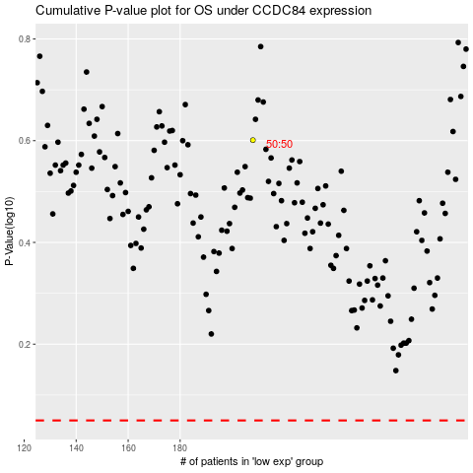

 |  |  |  |  |  | cases_OS | p_OS | rank | exp
 |  |  |  |  |  |  | cases_RFS | p_RFS | rank | exp

