CCDC87 _multivariate
Reported by Tex Li-Hsing Chi. tex@gate.sinica.edu.tw 2019-08-21

Table 2. The clinicopathological features of HNSCC cohort and CCDC87 expression. (Chi square test)
Cutoff at -0.278 (49.8%)
 |  | CCDC87 expression |  | CCDC87 expression |  | (Optimised)
 | Features | Low | (%) | High | (%) | Case no | P-value | Remark | Matthews
Gender | Female | 150 | 36.1 | 156 | 37.6 | 415 | 0.6344 | 0 | 0
2 | Male | 57 | 13.7 | 52 | 12.5
Age at diagnosis | <=65y | 138 | 33.3 | 136 | 32.8 | 415 | 0.8634 | 0 | 0
4 | >65y | 69 | 16.6 | 72 | 17.3
Clinical T Status | T1+T2 | 85 | 20.5 | 64 | 15.4 | 415 | 0.0372 | 1 | 0
6 | T3+T4 | 122 | 29.4 | 144 | 34.7
Clinical N Status | N0 | 103 | 24.8 | 113 | 27.2 | 415 | 0.4047 | 0 | 0
8 | N1-3 | 104 | 25.1 | 95 | 22.9
Clinical M Status | M0 | 204 | 49.2 | 208 | 50.1 | 415 | 0.1232 | 0 | 0
10 | M1 | 3 | 0.7 | 0 | 0
Clinical Stage | Stage I+II | 56 | 13.5 | 46 | 11.1 | 415 | 0.2918 | 0 | 0
12 | Stage III+IV | 151 | 36.4 | 162 | 39
Surgical Margin status | Negative | 165 | 39.8 | 153 | 36.9 | 415 | 0.1639 | 0 | 0
14 | Positive | 42 | 10.1 | 55 | 13.3
Tobacco Exposure | Low | 89 | 21.4 | 72 | 17.3 | 415 | 0.0872 | 0 | 0
16 | High | 118 | 28.4 | 136 | 32.8

Table 3. Univariate/Multivariate Cox's proportional hazards regression analyses on OS time of CCDC87 gene expression in HNSCC

 |  | Univariate |  |  |  | Multivariate
 | Features | HR | CI95%(L) | CI95%(H) | P-value | HR | CI95%(L) | CI95%(H) | P-value
1 | Female | 1 |  |  |  | 1
Gender | Male | 1.157 | 0.843 | 1.587 | 0.367 | 1.199 | 0.858 | 1.674 | 0.287
11 | <=65y | 1 |  |  |  | 1
Age at diagnosis | >65y | 1.329 | 0.99 | 1.784 | 0.058 | 1.403 | 1.032 | 1.908 | 0.031
12 | T1+T2 | 1 |  |  |  | 1
Clinical T Status | T3+T4 | 1.409 | 1.028 | 1.931 | 0.033 | 2.205 | 1.167 | 4.166 | 0.015
13 | N0 | 1 |  |  |  | 1
Clinical N Status | N1-3 | 1.185 | 0.89 | 1.577 | 0.246 | 1.227 | 0.86 | 1.75 | 0.259
14 | M0 | 1 |  |  |  | 1
Clinical M Status | M1 | 4.097 | 1.009 | 16.644 | 0.049 | 8.485 | 1.841 | 39.107 | 0.006
15 | Stage I+II | 1 |  |  |  | 1
Clinical Stage | Stage III+IV | 1.245 | 0.882 | 1.759 | 0.213 | 0.517 | 0.241 | 1.109 | 0.09
16 | Negative | 1 |  |  |  | 1
Surgical Margin status | Positive | 1.591 | 1.155 | 2.191 | 0.004 | 1.699 | 1.229 | 2.348 | 0.001
17 | Low | 1 |  |  |  | 1
Tobacco Exposure | High | 1.364 | 1.008 | 1.844 | 0.044 | 1.483 | 1.075 | 2.045 | 0.016
18 | Low | 1 |  |  |  | 1
RNAseq(z-score) | High | 0.853 | 0.64 | 1.136 | 0.277 | 0.809 | 0.604 | 1.083 | 0.154

Table 4. Univariate/Multivariate Cox's proportional hazards regression analyses on RFS time of CCDC87 gene expression in HNSCC

 |  | Univariate |  |  |  | Multivariate
 | Features | HR | CI95%(L) | CI95%(H) | P-value | HR | CI95%(L) | CI95%(H) | P-value
1 | Female | 1 |  |  |  | 1
Gender | Male | 1.157 | 0.843 | 1.587 | 0.367 | 1.199 | 0.858 | 1.674 | 0.287
11 | <=65y | 1 |  |  |  | 1
Age at diagnosis | >65y | 1.329 | 0.99 | 1.784 | 0.058 | 1.403 | 1.032 | 1.908 | 0.031
12 | T1+T2 | 1 |  |  |  | 1
Clinical T Status | T3+T4 | 1.409 | 1.028 | 1.931 | 0.033 | 2.205 | 1.167 | 4.166 | 0.015
13 | N0 | 1 |  |  |  | 1
Clinical N Status | N1-3 | 1.185 | 0.89 | 1.577 | 0.246 | 1.227 | 0.86 | 1.75 | 0.259
14 | M0 | 1 |  |  |  | 1
Clinical M Status | M1 | 4.097 | 1.009 | 16.644 | 0.049 | 8.485 | 1.841 | 39.107 | 0.006
15 | Stage I+II | 1 |  |  |  | 1
Clinical Stage | Stage III+IV | 1.245 | 0.882 | 1.759 | 0.213 | 0.517 | 0.241 | 1.109 | 0.09
16 | Negative | 1 |  |  |  | 1
Surgical Margin status | Positive | 1.591 | 1.155 | 2.191 | 0.004 | 1.699 | 1.229 | 2.348 | 0.001
17 | Low | 1 |  |  |  | 1
Tobacco Exposure | High | 1.364 | 1.008 | 1.844 | 0.044 | 1.483 | 1.075 | 2.045 | 0.016
18 | Low | 1 |  |  |  | 1
RNAseq(z-score) | High | 0.853 | 0.64 | 1.136 | 0.277 | 0.809 | 0.604 | 1.083 | 0.154

Kaplan-Meier survival estimate: Cutoff at -0.278 (49.8%)



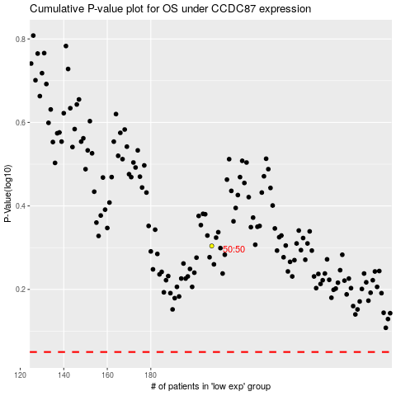

 |  |  |  |  |  | cases_OS | p_OS | rank | exp
 |  |  |  |  |  |  | cases_RFS | p_RFS | rank | exp

