CCDC89 _multivariate
Reported by Tex Li-Hsing Chi. tex@gate.sinica.edu.tw 2019-08-21

Table 2. The clinicopathological features of HNSCC cohort and CCDC89 expression. (Chi square test)
Cutoff at -0.207 (49.8%)
 |  | CCDC89 expression |  | CCDC89 expression |  | (Optimised)
 | Features | Low | (%) | High | (%) | Case no | P-value | Remark | Matthews
Gender | Female | 160 | 38.6 | 146 | 35.2 | 415 | 0.1254 | 0 | 0
2 | Male | 47 | 11.3 | 62 | 14.9
Age at diagnosis | <=65y | 131 | 31.6 | 143 | 34.5 | 415 | 0.2839 | 0 | 0
4 | >65y | 76 | 18.3 | 65 | 15.7
Clinical T Status | T1+T2 | 76 | 18.3 | 73 | 17.6 | 415 | 0.8092 | 0 | 0
6 | T3+T4 | 131 | 31.6 | 135 | 32.5
Clinical N Status | N0 | 104 | 25.1 | 112 | 27 | 415 | 0.5243 | 0 | 0
8 | N1-3 | 103 | 24.8 | 96 | 23.1
Clinical M Status | M0 | 204 | 49.2 | 208 | 50.1 | 415 | 0.1232 | 0 | 0
10 | M1 | 3 | 0.7 | 0 | 0
Clinical Stage | Stage I+II | 46 | 11.1 | 56 | 13.5 | 415 | 0.3182 | 0 | 0
12 | Stage III+IV | 161 | 38.8 | 152 | 36.6
Surgical Margin status | Negative | 160 | 38.6 | 158 | 38.1 | 415 | 0.8167 | 0 | 0
14 | Positive | 47 | 11.3 | 50 | 12
Tobacco Exposure | Low | 75 | 18.1 | 86 | 20.7 | 415 | 0.3141 | 0 | 0
16 | High | 132 | 31.8 | 122 | 29.4

Table 3. Univariate/Multivariate Cox's proportional hazards regression analyses on OS time of CCDC89 gene expression in HNSCC

 |  | Univariate |  |  |  | Multivariate
 | Features | HR | CI95%(L) | CI95%(H) | P-value | HR | CI95%(L) | CI95%(H) | P-value
1 | Female | 1 |  |  |  | 1
Gender | Male | 1.157 | 0.843 | 1.587 | 0.367 | 1.218 | 0.869 | 1.705 | 0.252
11 | <=65y | 1 |  |  |  | 1
Age at diagnosis | >65y | 1.329 | 0.99 | 1.784 | 0.058 | 1.379 | 1.013 | 1.877 | 0.041
12 | T1+T2 | 1 |  |  |  | 1
Clinical T Status | T3+T4 | 1.409 | 1.028 | 1.931 | 0.033 | 2.219 | 1.173 | 4.198 | 0.014
13 | N0 | 1 |  |  |  | 1
Clinical N Status | N1-3 | 1.185 | 0.89 | 1.577 | 0.246 | 1.235 | 0.866 | 1.763 | 0.244
14 | M0 | 1 |  |  |  | 1
Clinical M Status | M1 | 4.097 | 1.009 | 16.644 | 0.049 | 9.075 | 1.972 | 41.753 | 0.005
15 | Stage I+II | 1 |  |  |  | 1
Clinical Stage | Stage III+IV | 1.245 | 0.882 | 1.759 | 0.213 | 0.496 | 0.231 | 1.066 | 0.073
16 | Negative | 1 |  |  |  | 1
Surgical Margin status | Positive | 1.591 | 1.155 | 2.191 | 0.004 | 1.68 | 1.216 | 2.323 | 0.002
17 | Low | 1 |  |  |  | 1
Tobacco Exposure | High | 1.364 | 1.008 | 1.844 | 0.044 | 1.448 | 1.05 | 1.997 | 0.024
18 | Low | 1 |  |  |  | 1
RNAseq(z-score) | High | 0.877 | 0.659 | 1.169 | 0.371 | 0.907 | 0.676 | 1.218 | 0.517

Table 4. Univariate/Multivariate Cox's proportional hazards regression analyses on RFS time of CCDC89 gene expression in HNSCC

 |  | Univariate |  |  |  | Multivariate
 | Features | HR | CI95%(L) | CI95%(H) | P-value | HR | CI95%(L) | CI95%(H) | P-value
1 | Female | 1 |  |  |  | 1
Gender | Male | 1.157 | 0.843 | 1.587 | 0.367 | 1.218 | 0.869 | 1.705 | 0.252
11 | <=65y | 1 |  |  |  | 1
Age at diagnosis | >65y | 1.329 | 0.99 | 1.784 | 0.058 | 1.379 | 1.013 | 1.877 | 0.041
12 | T1+T2 | 1 |  |  |  | 1
Clinical T Status | T3+T4 | 1.409 | 1.028 | 1.931 | 0.033 | 2.219 | 1.173 | 4.198 | 0.014
13 | N0 | 1 |  |  |  | 1
Clinical N Status | N1-3 | 1.185 | 0.89 | 1.577 | 0.246 | 1.235 | 0.866 | 1.763 | 0.244
14 | M0 | 1 |  |  |  | 1
Clinical M Status | M1 | 4.097 | 1.009 | 16.644 | 0.049 | 9.075 | 1.972 | 41.753 | 0.005
15 | Stage I+II | 1 |  |  |  | 1
Clinical Stage | Stage III+IV | 1.245 | 0.882 | 1.759 | 0.213 | 0.496 | 0.231 | 1.066 | 0.073
16 | Negative | 1 |  |  |  | 1
Surgical Margin status | Positive | 1.591 | 1.155 | 2.191 | 0.004 | 1.68 | 1.216 | 2.323 | 0.002
17 | Low | 1 |  |  |  | 1
Tobacco Exposure | High | 1.364 | 1.008 | 1.844 | 0.044 | 1.448 | 1.05 | 1.997 | 0.024
18 | Low | 1 |  |  |  | 1
RNAseq(z-score) | High | 0.877 | 0.659 | 1.169 | 0.371 | 0.907 | 0.676 | 1.218 | 0.517

Kaplan-Meier survival estimate: Cutoff at -0.207 (49.8%)



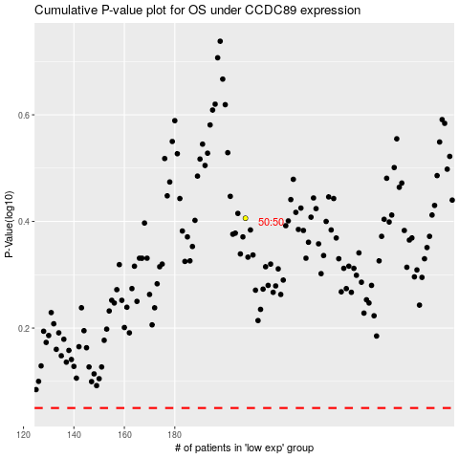

 |  |  |  |  |  | cases_OS | p_OS | rank | exp
 |  |  |  |  |  |  | cases_RFS | p_RFS | rank | exp

