CCDC9 _multivariate
Reported by Tex Li-Hsing Chi. tex@gate.sinica.edu.tw 2019-08-21

Table 2. The clinicopathological features of HNSCC cohort and CCDC9 expression. (Chi square test)
Cutoff at -0.071 (49.8%)
 |  | CCDC9 expression |  | CCDC9 expression |  | (Optimised)
 | Features | Low | (%) | High | (%) | Case no | P-value | Remark | Matthews
Gender | Female | 154 | 37.1 | 152 | 36.6 | 415 | 0.8463 | 0 | 0
2 | Male | 53 | 12.8 | 56 | 13.5
Age at diagnosis | <=65y | 140 | 33.7 | 134 | 32.3 | 415 | 0.5574 | 0 | 0
4 | >65y | 67 | 16.1 | 74 | 17.8
Clinical T Status | T1+T2 | 84 | 20.2 | 65 | 15.7 | 415 | 0.0603 | 0 | 0
6 | T3+T4 | 123 | 29.6 | 143 | 34.5
Clinical N Status | N0 | 108 | 26 | 108 | 26 | 415 | 1 | 0 | 0
8 | N1-3 | 99 | 23.9 | 100 | 24.1
Clinical M Status | M0 | 205 | 49.4 | 207 | 49.9 | 415 | 0.6232 | 0 | 0
10 | M1 | 2 | 0.5 | 1 | 0.2
Clinical Stage | Stage I+II | 56 | 13.5 | 46 | 11.1 | 415 | 0.2918 | 0 | 0
12 | Stage III+IV | 151 | 36.4 | 162 | 39
Surgical Margin status | Negative | 162 | 39 | 156 | 37.6 | 415 | 0.4867 | 0 | 0
14 | Positive | 45 | 10.8 | 52 | 12.5
Tobacco Exposure | Low | 76 | 18.3 | 85 | 20.5 | 415 | 0.4207 | 0 | 0
16 | High | 131 | 31.6 | 123 | 29.6

Table 3. Univariate/Multivariate Cox's proportional hazards regression analyses on OS time of CCDC9 gene expression in HNSCC

 |  | Univariate |  |  |  | Multivariate
 | Features | HR | CI95%(L) | CI95%(H) | P-value | HR | CI95%(L) | CI95%(H) | P-value
1 | Female | 1 |  |  |  | 1
Gender | Male | 1.157 | 0.843 | 1.587 | 0.367 | 1.224 | 0.875 | 1.712 | 0.238
11 | <=65y | 1 |  |  |  | 1
Age at diagnosis | >65y | 1.329 | 0.99 | 1.784 | 0.058 | 1.373 | 1.009 | 1.867 | 0.044
12 | T1+T2 | 1 |  |  |  | 1
Clinical T Status | T3+T4 | 1.409 | 1.028 | 1.931 | 0.033 | 2.266 | 1.196 | 4.293 | 0.012
13 | N0 | 1 |  |  |  | 1
Clinical N Status | N1-3 | 1.185 | 0.89 | 1.577 | 0.246 | 1.24 | 0.869 | 1.77 | 0.235
14 | M0 | 1 |  |  |  | 1
Clinical M Status | M1 | 4.097 | 1.009 | 16.644 | 0.049 | 9.484 | 2.068 | 43.487 | 0.004
15 | Stage I+II | 1 |  |  |  | 1
Clinical Stage | Stage III+IV | 1.245 | 0.882 | 1.759 | 0.213 | 0.504 | 0.235 | 1.081 | 0.079
16 | Negative | 1 |  |  |  | 1
Surgical Margin status | Positive | 1.591 | 1.155 | 2.191 | 0.004 | 1.708 | 1.233 | 2.367 | 0.001
17 | Low | 1 |  |  |  | 1
Tobacco Exposure | High | 1.364 | 1.008 | 1.844 | 0.044 | 1.443 | 1.048 | 1.987 | 0.025
18 | Low | 1 |  |  |  | 1
RNAseq(z-score) | High | 0.922 | 0.692 | 1.229 | 0.581 | 0.842 | 0.628 | 1.13 | 0.251

Table 4. Univariate/Multivariate Cox's proportional hazards regression analyses on RFS time of CCDC9 gene expression in HNSCC

 |  | Univariate |  |  |  | Multivariate
 | Features | HR | CI95%(L) | CI95%(H) | P-value | HR | CI95%(L) | CI95%(H) | P-value
1 | Female | 1 |  |  |  | 1
Gender | Male | 1.157 | 0.843 | 1.587 | 0.367 | 1.224 | 0.875 | 1.712 | 0.238
11 | <=65y | 1 |  |  |  | 1
Age at diagnosis | >65y | 1.329 | 0.99 | 1.784 | 0.058 | 1.373 | 1.009 | 1.867 | 0.044
12 | T1+T2 | 1 |  |  |  | 1
Clinical T Status | T3+T4 | 1.409 | 1.028 | 1.931 | 0.033 | 2.266 | 1.196 | 4.293 | 0.012
13 | N0 | 1 |  |  |  | 1
Clinical N Status | N1-3 | 1.185 | 0.89 | 1.577 | 0.246 | 1.24 | 0.869 | 1.77 | 0.235
14 | M0 | 1 |  |  |  | 1
Clinical M Status | M1 | 4.097 | 1.009 | 16.644 | 0.049 | 9.484 | 2.068 | 43.487 | 0.004
15 | Stage I+II | 1 |  |  |  | 1
Clinical Stage | Stage III+IV | 1.245 | 0.882 | 1.759 | 0.213 | 0.504 | 0.235 | 1.081 | 0.079
16 | Negative | 1 |  |  |  | 1
Surgical Margin status | Positive | 1.591 | 1.155 | 2.191 | 0.004 | 1.708 | 1.233 | 2.367 | 0.001
17 | Low | 1 |  |  |  | 1
Tobacco Exposure | High | 1.364 | 1.008 | 1.844 | 0.044 | 1.443 | 1.048 | 1.987 | 0.025
18 | Low | 1 |  |  |  | 1
RNAseq(z-score) | High | 0.922 | 0.692 | 1.229 | 0.581 | 0.842 | 0.628 | 1.13 | 0.251

Kaplan-Meier survival estimate: Cutoff at -0.071 (49.8%)



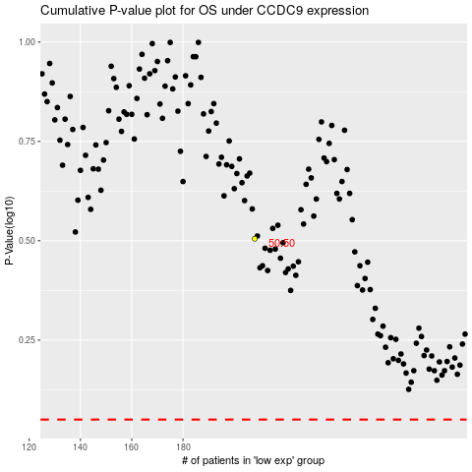

 |  |  |  |  |  | cases_OS | p_OS | rank | exp
 |  |  |  |  |  |  | cases_RFS | p_RFS | rank | exp

