CCDC90A _multivariate
Reported by Tex Li-Hsing Chi. tex@gate.sinica.edu.tw 2019-08-21

Table 2. The clinicopathological features of HNSCC cohort and CCDC90A expression. (Chi square test)
Cutoff at -0.032 (62.1%)
 |  | CCDC90A expression |  | CCDC90A expression |  | (Optimised)
 | Features | Low | (%) | High | (%) | Case no | P-value | Remark | Matthews
Gender | Female | 185 | 44.6 | 121 | 29.2 | 415 | 0.276 | 0 | 0
2 | Male | 73 | 17.6 | 36 | 8.7
Age at diagnosis | <=65y | 162 | 39 | 112 | 27 | 415 | 0.0937 | 0 | 0
4 | >65y | 96 | 23.1 | 45 | 10.8
Clinical T Status | T1+T2 | 93 | 22.4 | 56 | 13.5 | 415 | 1 | 0 | 0
6 | T3+T4 | 165 | 39.8 | 101 | 24.3
Clinical N Status | N0 | 133 | 32 | 83 | 20 | 415 | 0.8737 | 0 | 0
8 | N1-3 | 125 | 30.1 | 74 | 17.8
Clinical M Status | M0 | 257 | 61.9 | 155 | 37.3 | 415 | 0.5599 | 0 | 0
10 | M1 | 1 | 0.2 | 2 | 0.5
Clinical Stage | Stage I+II | 69 | 16.6 | 33 | 8 | 415 | 0.2316 | 0 | 0
12 | Stage III+IV | 189 | 45.5 | 124 | 29.9
Surgical Margin status | Negative | 202 | 48.7 | 116 | 28 | 415 | 0.339 | 0 | 0
14 | Positive | 56 | 13.5 | 41 | 9.9
Tobacco Exposure | Low | 108 | 26 | 53 | 12.8 | 415 | 0.1192 | 0 | 0
16 | High | 150 | 36.1 | 104 | 25.1

Table 3. Univariate/Multivariate Cox's proportional hazards regression analyses on OS time of CCDC90A gene expression in HNSCC

 |  | Univariate |  |  |  | Multivariate
 | Features | HR | CI95%(L) | CI95%(H) | P-value | HR | CI95%(L) | CI95%(H) | P-value
1 | Female | 1 |  |  |  | 1
Gender | Male | 1.157 | 0.843 | 1.587 | 0.367 | 1.202 | 0.86 | 1.681 | 0.282
11 | <=65y | 1 |  |  |  | 1
Age at diagnosis | >65y | 1.329 | 0.99 | 1.784 | 0.058 | 1.324 | 0.971 | 1.807 | 0.076
12 | T1+T2 | 1 |  |  |  | 1
Clinical T Status | T3+T4 | 1.409 | 1.028 | 1.931 | 0.033 | 2.128 | 1.125 | 4.027 | 0.02
13 | N0 | 1 |  |  |  | 1
Clinical N Status | N1-3 | 1.185 | 0.89 | 1.577 | 0.246 | 1.207 | 0.845 | 1.722 | 0.301
14 | M0 | 1 |  |  |  | 1
Clinical M Status | M1 | 4.097 | 1.009 | 16.644 | 0.049 | 10.539 | 2.29 | 48.507 | 0.002
15 | Stage I+II | 1 |  |  |  | 1
Clinical Stage | Stage III+IV | 1.245 | 0.882 | 1.759 | 0.213 | 0.538 | 0.25 | 1.158 | 0.113
16 | Negative | 1 |  |  |  | 1
Surgical Margin status | Positive | 1.591 | 1.155 | 2.191 | 0.004 | 1.721 | 1.244 | 2.38 | 0.001
17 | Low | 1 |  |  |  | 1
Tobacco Exposure | High | 1.364 | 1.008 | 1.844 | 0.044 | 1.483 | 1.074 | 2.048 | 0.017
18 | Low | 1 |  |  |  | 1
RNAseq(z-score) | High | 0.734 | 0.539 | 0.999 | 0.05 | 0.717 | 0.522 | 0.984 | 0.039

Table 4. Univariate/Multivariate Cox's proportional hazards regression analyses on RFS time of CCDC90A gene expression in HNSCC

 |  | Univariate |  |  |  | Multivariate
 | Features | HR | CI95%(L) | CI95%(H) | P-value | HR | CI95%(L) | CI95%(H) | P-value
1 | Female | 1 |  |  |  | 1
Gender | Male | 1.157 | 0.843 | 1.587 | 0.367 | 1.202 | 0.86 | 1.681 | 0.282
11 | <=65y | 1 |  |  |  | 1
Age at diagnosis | >65y | 1.329 | 0.99 | 1.784 | 0.058 | 1.324 | 0.971 | 1.807 | 0.076
12 | T1+T2 | 1 |  |  |  | 1
Clinical T Status | T3+T4 | 1.409 | 1.028 | 1.931 | 0.033 | 2.128 | 1.125 | 4.027 | 0.02
13 | N0 | 1 |  |  |  | 1
Clinical N Status | N1-3 | 1.185 | 0.89 | 1.577 | 0.246 | 1.207 | 0.845 | 1.722 | 0.301
14 | M0 | 1 |  |  |  | 1
Clinical M Status | M1 | 4.097 | 1.009 | 16.644 | 0.049 | 10.539 | 2.29 | 48.507 | 0.002
15 | Stage I+II | 1 |  |  |  | 1
Clinical Stage | Stage III+IV | 1.245 | 0.882 | 1.759 | 0.213 | 0.538 | 0.25 | 1.158 | 0.113
16 | Negative | 1 |  |  |  | 1
Surgical Margin status | Positive | 1.591 | 1.155 | 2.191 | 0.004 | 1.721 | 1.244 | 2.38 | 0.001
17 | Low | 1 |  |  |  | 1
Tobacco Exposure | High | 1.364 | 1.008 | 1.844 | 0.044 | 1.483 | 1.074 | 2.048 | 0.017
18 | Low | 1 |  |  |  | 1
RNAseq(z-score) | High | 0.734 | 0.539 | 0.999 | 0.05 | 0.717 | 0.522 | 0.984 | 0.039

Kaplan-Meier survival estimate: Cutoff at -0.032 (62.1%)



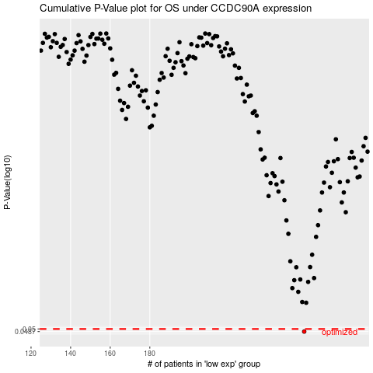

 |  |  |  |  |  | cases_OS | p_OS | rank | exp
 |  |  |  |  |  | 258 | 0.0487 | 120 | -0.031563632386
 |  |  |  |  |  |  | cases_RFS | p_RFS | rank | exp
 |  |  |  |  |  |  | 257 | 0.0487 | 196 | -0.033512101213

