CCDC90B _multivariate
Reported by Tex Li-Hsing Chi. tex@gate.sinica.edu.tw 2019-08-21

Table 2. The clinicopathological features of HNSCC cohort and CCDC90B expression. (Chi square test)
Cutoff at 0.162 (66.9%)
 |  | CCDC90B expression |  | CCDC90B expression |  | (Optimised)
 | Features | Low | (%) | High | (%) | Case no | P-value | Remark | Matthews
Gender | Female | 210 | 50.6 | 96 | 23.1 | 415 | 0.284 | 0 | 0
2 | Male | 68 | 16.4 | 41 | 9.9
Age at diagnosis | <=65y | 188 | 45.3 | 86 | 20.7 | 415 | 0.3836 | 0 | 0
4 | >65y | 90 | 21.7 | 51 | 12.3
Clinical T Status | T1+T2 | 90 | 21.7 | 59 | 14.2 | 415 | 0.0427 | 1 | 0
6 | T3+T4 | 188 | 45.3 | 78 | 18.8
Clinical N Status | N0 | 132 | 31.8 | 84 | 20.2 | 415 | 0.0108 | 1 | 0
8 | N1-3 | 146 | 35.2 | 53 | 12.8
Clinical M Status | M0 | 276 | 66.5 | 136 | 32.8 | 415 | 1 | 0 | 0
10 | M1 | 2 | 0.5 | 1 | 0.2
Clinical Stage | Stage I+II | 59 | 14.2 | 43 | 10.4 | 415 | 0.0323 | 1 | 0
12 | Stage III+IV | 219 | 52.8 | 94 | 22.7
Surgical Margin status | Negative | 219 | 52.8 | 99 | 23.9 | 415 | 0.1415 | 0 | 0
14 | Positive | 59 | 14.2 | 38 | 9.2
Tobacco Exposure | Low | 88 | 21.2 | 73 | 17.6 | 415 | 0 | 1 | 0
16 | High | 190 | 45.8 | 64 | 15.4

Table 3. Univariate/Multivariate Cox's proportional hazards regression analyses on OS time of CCDC90B gene expression in HNSCC

 |  | Univariate |  |  |  | Multivariate
 | Features | HR | CI95%(L) | CI95%(H) | P-value | HR | CI95%(L) | CI95%(H) | P-value
1 | Female | 1 |  |  |  | 1
Gender | Male | 1.157 | 0.843 | 1.587 | 0.367 | 1.187 | 0.851 | 1.655 | 0.314
11 | <=65y | 1 |  |  |  | 1
Age at diagnosis | >65y | 1.329 | 0.99 | 1.784 | 0.058 | 1.423 | 1.047 | 1.935 | 0.024
12 | T1+T2 | 1 |  |  |  | 1
Clinical T Status | T3+T4 | 1.409 | 1.028 | 1.931 | 0.033 | 2.323 | 1.228 | 4.393 | 0.01
13 | N0 | 1 |  |  |  | 1
Clinical N Status | N1-3 | 1.185 | 0.89 | 1.577 | 0.246 | 1.324 | 0.924 | 1.896 | 0.126
14 | M0 | 1 |  |  |  | 1
Clinical M Status | M1 | 4.097 | 1.009 | 16.644 | 0.049 | 9.12 | 1.987 | 41.856 | 0.004
15 | Stage I+II | 1 |  |  |  | 1
Clinical Stage | Stage III+IV | 1.245 | 0.882 | 1.759 | 0.213 | 0.487 | 0.227 | 1.045 | 0.065
16 | Negative | 1 |  |  |  | 1
Surgical Margin status | Positive | 1.591 | 1.155 | 2.191 | 0.004 | 1.585 | 1.144 | 2.198 | 0.006
17 | Low | 1 |  |  |  | 1
Tobacco Exposure | High | 1.364 | 1.008 | 1.844 | 0.044 | 1.579 | 1.139 | 2.191 | 0.006
18 | Low | 1 |  |  |  | 1
RNAseq(z-score) | High | 1.4 | 1.039 | 1.886 | 0.027 | 1.594 | 1.164 | 2.182 | 0.004

Table 4. Univariate/Multivariate Cox's proportional hazards regression analyses on RFS time of CCDC90B gene expression in HNSCC

 |  | Univariate |  |  |  | Multivariate
 | Features | HR | CI95%(L) | CI95%(H) | P-value | HR | CI95%(L) | CI95%(H) | P-value
1 | Female | 1 |  |  |  | 1
Gender | Male | 1.157 | 0.843 | 1.587 | 0.367 | 1.187 | 0.851 | 1.655 | 0.314
11 | <=65y | 1 |  |  |  | 1
Age at diagnosis | >65y | 1.329 | 0.99 | 1.784 | 0.058 | 1.423 | 1.047 | 1.935 | 0.024
12 | T1+T2 | 1 |  |  |  | 1
Clinical T Status | T3+T4 | 1.409 | 1.028 | 1.931 | 0.033 | 2.323 | 1.228 | 4.393 | 0.01
13 | N0 | 1 |  |  |  | 1
Clinical N Status | N1-3 | 1.185 | 0.89 | 1.577 | 0.246 | 1.324 | 0.924 | 1.896 | 0.126
14 | M0 | 1 |  |  |  | 1
Clinical M Status | M1 | 4.097 | 1.009 | 16.644 | 0.049 | 9.12 | 1.987 | 41.856 | 0.004
15 | Stage I+II | 1 |  |  |  | 1
Clinical Stage | Stage III+IV | 1.245 | 0.882 | 1.759 | 0.213 | 0.487 | 0.227 | 1.045 | 0.065
16 | Negative | 1 |  |  |  | 1
Surgical Margin status | Positive | 1.591 | 1.155 | 2.191 | 0.004 | 1.585 | 1.144 | 2.198 | 0.006
17 | Low | 1 |  |  |  | 1
Tobacco Exposure | High | 1.364 | 1.008 | 1.844 | 0.044 | 1.579 | 1.139 | 2.191 | 0.006
18 | Low | 1 |  |  |  | 1
RNAseq(z-score) | High | 1.4 | 1.039 | 1.886 | 0.027 | 1.594 | 1.164 | 2.182 | 0.004

Kaplan-Meier survival estimate: Cutoff at 0.162 (66.9%)

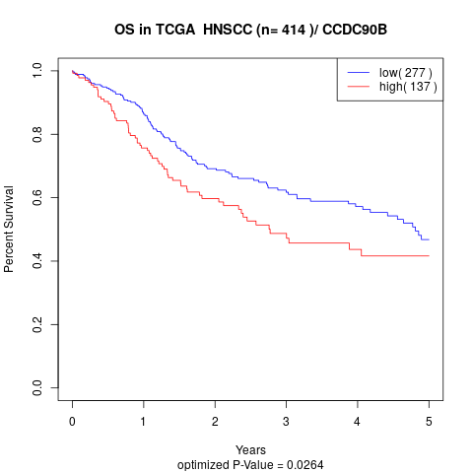

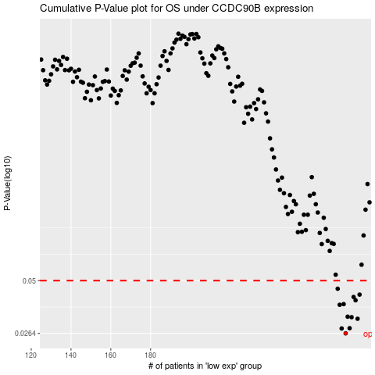

 |  |  |  |  |  | cases_OS | p_OS | rank | exp
 |  |  |  |  |  | 278 | 0.0264 | 76 | 0.16211631602
 |  |  |  |  |  | 276 | 0.028 | 409 | 0.15840053249
 |  |  |  |  |  | 280 | 0.0281 | 275 | 0.1660208504
 |  |  |  |  |  | 284 | 0.0315 | 54 | 0.18933975699
 |  |  |  |  |  | 281 | 0.0321 | 77 | 0.17405182295
 |  |  |  |  |  | 279 | 0.0323 | 386 | 0.16585464357
 |  |  |  |  |  | 275 | 0.0373 | 49 | 0.14672361864
 |  |  |  |  |  | 277 | 0.0376 | 195 | 0.161376342
 |  |  |  |  |  | 283 | 0.0394 | 392 | 0.18933047416
 |  |  |  |  |  | 282 | 0.041 | 391 | 0.18057941936
 |  |  |  |  |  | 285 | 0.0422 | 217 | 0.1933052928
 |  |  |  |  |  | 274 | 0.0453 | 314 | 0.14016110111
 |  |  |  |  |  |  | cases_RFS | p_RFS | rank | exp
 |  |  |  |  |  |  | 277 | 0.0264 | 195 | 0.161376342
 |  |  |  |  |  |  | 275 | 0.028 | 49 | 0.14672361864
 |  |  |  |  |  |  | 279 | 0.0281 | 386 | 0.16585464357
 |  |  |  |  |  |  | 283 | 0.0315 | 392 | 0.18933047416
 |  |  |  |  |  |  | 280 | 0.0321 | 275 | 0.1660208504
 |  |  |  |  |  |  | 278 | 0.0323 | 76 | 0.16211631602
 |  |  |  |  |  |  | 274 | 0.0373 | 314 | 0.14016110111
 |  |  |  |  |  |  | 276 | 0.0376 | 409 | 0.15840053249
 |  |  |  |  |  |  | 282 | 0.0394 | 391 | 0.18057941936
 |  |  |  |  |  |  | 281 | 0.041 | 77 | 0.17405182295
 |  |  |  |  |  |  | 284 | 0.0422 | 54 | 0.18933975699
 |  |  |  |  |  |  | 273 | 0.0453 | 335 | 0.13812153113

