CCDC92 _multivariate
Reported by Tex Li-Hsing Chi. tex@gate.sinica.edu.tw 2019-08-21

Table 2. The clinicopathological features of HNSCC cohort and CCDC92 expression. (Chi square test)
Cutoff at -0.114 (50.0%)
 |  | CCDC92 expression |  | CCDC92 expression |  | (Optimised)
 | Features | Low | (%) | High | (%) | Case no | P-value | Remark | Matthews
Gender | Female | 156 | 37.6 | 150 | 36.1 | 415 | 0.5222 | 0 | 0
2 | Male | 51 | 12.3 | 58 | 14
Age at diagnosis | <=65y | 131 | 31.6 | 143 | 34.5 | 415 | 0.2839 | 0 | 0
4 | >65y | 76 | 18.3 | 65 | 15.7
Clinical T Status | T1+T2 | 70 | 16.9 | 79 | 19 | 415 | 0.4343 | 0 | 0
6 | T3+T4 | 137 | 33 | 129 | 31.1
Clinical N Status | N0 | 107 | 25.8 | 109 | 26.3 | 415 | 0.9624 | 0 | 0
8 | N1-3 | 100 | 24.1 | 99 | 23.9
Clinical M Status | M0 | 206 | 49.6 | 206 | 49.6 | 415 | 1 | 0 | 0
10 | M1 | 1 | 0.2 | 2 | 0.5
Clinical Stage | Stage I+II | 42 | 10.1 | 60 | 14.5 | 415 | 0.0561 | 0 | 0
12 | Stage III+IV | 165 | 39.8 | 148 | 35.7
Surgical Margin status | Negative | 153 | 36.9 | 165 | 39.8 | 415 | 0.2036 | 0 | 0
14 | Positive | 54 | 13 | 43 | 10.4
Tobacco Exposure | Low | 74 | 17.8 | 87 | 21 | 415 | 0.227 | 0 | 0
16 | High | 133 | 32 | 121 | 29.2

Table 3. Univariate/Multivariate Cox's proportional hazards regression analyses on OS time of CCDC92 gene expression in HNSCC

 |  | Univariate |  |  |  | Multivariate
 | Features | HR | CI95%(L) | CI95%(H) | P-value | HR | CI95%(L) | CI95%(H) | P-value
1 | Female | 1 |  |  |  | 1
Gender | Male | 1.157 | 0.843 | 1.587 | 0.367 | 1.204 | 0.861 | 1.684 | 0.279
11 | <=65y | 1 |  |  |  | 1
Age at diagnosis | >65y | 1.329 | 0.99 | 1.784 | 0.058 | 1.383 | 1.016 | 1.881 | 0.039
12 | T1+T2 | 1 |  |  |  | 1
Clinical T Status | T3+T4 | 1.409 | 1.028 | 1.931 | 0.033 | 2.244 | 1.186 | 4.245 | 0.013
13 | N0 | 1 |  |  |  | 1
Clinical N Status | N1-3 | 1.185 | 0.89 | 1.577 | 0.246 | 1.253 | 0.878 | 1.79 | 0.214
14 | M0 | 1 |  |  |  | 1
Clinical M Status | M1 | 4.097 | 1.009 | 16.644 | 0.049 | 10.066 | 2.185 | 46.368 | 0.003
15 | Stage I+II | 1 |  |  |  | 1
Clinical Stage | Stage III+IV | 1.245 | 0.882 | 1.759 | 0.213 | 0.481 | 0.223 | 1.037 | 0.062
16 | Negative | 1 |  |  |  | 1
Surgical Margin status | Positive | 1.591 | 1.155 | 2.191 | 0.004 | 1.664 | 1.204 | 2.301 | 0.002
17 | Low | 1 |  |  |  | 1
Tobacco Exposure | High | 1.364 | 1.008 | 1.844 | 0.044 | 1.463 | 1.061 | 2.018 | 0.02
18 | Low | 1 |  |  |  | 1
RNAseq(z-score) | High | 0.857 | 0.644 | 1.142 | 0.293 | 0.848 | 0.634 | 1.135 | 0.267

Table 4. Univariate/Multivariate Cox's proportional hazards regression analyses on RFS time of CCDC92 gene expression in HNSCC

 |  | Univariate |  |  |  | Multivariate
 | Features | HR | CI95%(L) | CI95%(H) | P-value | HR | CI95%(L) | CI95%(H) | P-value
1 | Female | 1 |  |  |  | 1
Gender | Male | 1.157 | 0.843 | 1.587 | 0.367 | 1.204 | 0.861 | 1.684 | 0.279
11 | <=65y | 1 |  |  |  | 1
Age at diagnosis | >65y | 1.329 | 0.99 | 1.784 | 0.058 | 1.383 | 1.016 | 1.881 | 0.039
12 | T1+T2 | 1 |  |  |  | 1
Clinical T Status | T3+T4 | 1.409 | 1.028 | 1.931 | 0.033 | 2.244 | 1.186 | 4.245 | 0.013
13 | N0 | 1 |  |  |  | 1
Clinical N Status | N1-3 | 1.185 | 0.89 | 1.577 | 0.246 | 1.253 | 0.878 | 1.79 | 0.214
14 | M0 | 1 |  |  |  | 1
Clinical M Status | M1 | 4.097 | 1.009 | 16.644 | 0.049 | 10.066 | 2.185 | 46.368 | 0.003
15 | Stage I+II | 1 |  |  |  | 1
Clinical Stage | Stage III+IV | 1.245 | 0.882 | 1.759 | 0.213 | 0.481 | 0.223 | 1.037 | 0.062
16 | Negative | 1 |  |  |  | 1
Surgical Margin status | Positive | 1.591 | 1.155 | 2.191 | 0.004 | 1.664 | 1.204 | 2.301 | 0.002
17 | Low | 1 |  |  |  | 1
Tobacco Exposure | High | 1.364 | 1.008 | 1.844 | 0.044 | 1.463 | 1.061 | 2.018 | 0.02
18 | Low | 1 |  |  |  | 1
RNAseq(z-score) | High | 0.857 | 0.644 | 1.142 | 0.293 | 0.848 | 0.634 | 1.135 | 0.267

Kaplan-Meier survival estimate: Cutoff at -0.114 (50.0%)



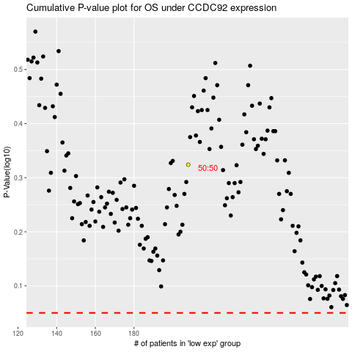

 |  |  |  |  |  | cases_OS | p_OS | rank | exp
 |  |  |  |  |  |  | cases_RFS | p_RFS | rank | exp

