CCDC93 _multivariate
Reported by Tex Li-Hsing Chi. tex@gate.sinica.edu.tw 2019-08-21

Table 2. The clinicopathological features of HNSCC cohort and CCDC93 expression. (Chi square test)
Cutoff at -0.19 (49.8%)
 |  | CCDC93 expression |  | CCDC93 expression |  | (Optimised)
 | Features | Low | (%) | High | (%) | Case no | P-value | Remark | Matthews
Gender | Female | 143 | 34.5 | 163 | 39.3 | 415 | 0.0416 | 1 | 0
2 | Male | 64 | 15.4 | 45 | 10.8
Age at diagnosis | <=65y | 126 | 30.4 | 148 | 35.7 | 415 | 0.035 | 1 | 0
4 | >65y | 81 | 19.5 | 60 | 14.5
Clinical T Status | T1+T2 | 82 | 19.8 | 67 | 16.1 | 415 | 0.1417 | 0 | 0
6 | T3+T4 | 125 | 30.1 | 141 | 34
Clinical N Status | N0 | 113 | 27.2 | 103 | 24.8 | 415 | 0.3495 | 1 | 0
8 | N1-3 | 94 | 22.7 | 105 | 25.3
Clinical M Status | M0 | 205 | 49.4 | 207 | 49.9 | 415 | 0.6232 | 0 | 0
10 | M1 | 2 | 0.5 | 1 | 0.2
Clinical Stage | Stage I+II | 62 | 14.9 | 40 | 9.6 | 415 | 0.0154 | 1 | 0
12 | Stage III+IV | 145 | 34.9 | 168 | 40.5
Surgical Margin status | Negative | 159 | 38.3 | 159 | 38.3 | 415 | 1 | 0 | 0
14 | Positive | 48 | 11.6 | 49 | 11.8
Tobacco Exposure | Low | 86 | 20.7 | 75 | 18.1 | 415 | 0.2687 | 0 | 0
16 | High | 121 | 29.2 | 133 | 32

Table 3. Univariate/Multivariate Cox's proportional hazards regression analyses on OS time of CCDC93 gene expression in HNSCC

 |  | Univariate |  |  |  | Multivariate
 | Features | HR | CI95%(L) | CI95%(H) | P-value | HR | CI95%(L) | CI95%(H) | P-value
1 | Female | 1 |  |  |  | 1
Gender | Male | 1.157 | 0.843 | 1.587 | 0.367 | 1.199 | 0.858 | 1.676 | 0.289
11 | <=65y | 1 |  |  |  | 1
Age at diagnosis | >65y | 1.329 | 0.99 | 1.784 | 0.058 | 1.387 | 1.019 | 1.889 | 0.037
12 | T1+T2 | 1 |  |  |  | 1
Clinical T Status | T3+T4 | 1.409 | 1.028 | 1.931 | 0.033 | 2.196 | 1.161 | 4.154 | 0.016
13 | N0 | 1 |  |  |  | 1
Clinical N Status | N1-3 | 1.185 | 0.89 | 1.577 | 0.246 | 1.242 | 0.87 | 1.772 | 0.232
14 | M0 | 1 |  |  |  | 1
Clinical M Status | M1 | 4.097 | 1.009 | 16.644 | 0.049 | 9.261 | 2.007 | 42.738 | 0.004
15 | Stage I+II | 1 |  |  |  | 1
Clinical Stage | Stage III+IV | 1.245 | 0.882 | 1.759 | 0.213 | 0.509 | 0.236 | 1.095 | 0.084
16 | Negative | 1 |  |  |  | 1
Surgical Margin status | Positive | 1.591 | 1.155 | 2.191 | 0.004 | 1.667 | 1.206 | 2.306 | 0.002
17 | Low | 1 |  |  |  | 1
Tobacco Exposure | High | 1.364 | 1.008 | 1.844 | 0.044 | 1.455 | 1.055 | 2.004 | 0.022
18 | Low | 1 |  |  |  | 1
RNAseq(z-score) | High | 0.917 | 0.687 | 1.224 | 0.556 | 0.968 | 0.719 | 1.304 | 0.831

Table 4. Univariate/Multivariate Cox's proportional hazards regression analyses on RFS time of CCDC93 gene expression in HNSCC

 |  | Univariate |  |  |  | Multivariate
 | Features | HR | CI95%(L) | CI95%(H) | P-value | HR | CI95%(L) | CI95%(H) | P-value
1 | Female | 1 |  |  |  | 1
Gender | Male | 1.157 | 0.843 | 1.587 | 0.367 | 1.199 | 0.858 | 1.676 | 0.289
11 | <=65y | 1 |  |  |  | 1
Age at diagnosis | >65y | 1.329 | 0.99 | 1.784 | 0.058 | 1.387 | 1.019 | 1.889 | 0.037
12 | T1+T2 | 1 |  |  |  | 1
Clinical T Status | T3+T4 | 1.409 | 1.028 | 1.931 | 0.033 | 2.196 | 1.161 | 4.154 | 0.016
13 | N0 | 1 |  |  |  | 1
Clinical N Status | N1-3 | 1.185 | 0.89 | 1.577 | 0.246 | 1.242 | 0.87 | 1.772 | 0.232
14 | M0 | 1 |  |  |  | 1
Clinical M Status | M1 | 4.097 | 1.009 | 16.644 | 0.049 | 9.261 | 2.007 | 42.738 | 0.004
15 | Stage I+II | 1 |  |  |  | 1
Clinical Stage | Stage III+IV | 1.245 | 0.882 | 1.759 | 0.213 | 0.509 | 0.236 | 1.095 | 0.084
16 | Negative | 1 |  |  |  | 1
Surgical Margin status | Positive | 1.591 | 1.155 | 2.191 | 0.004 | 1.667 | 1.206 | 2.306 | 0.002
17 | Low | 1 |  |  |  | 1
Tobacco Exposure | High | 1.364 | 1.008 | 1.844 | 0.044 | 1.455 | 1.055 | 2.004 | 0.022
18 | Low | 1 |  |  |  | 1
RNAseq(z-score) | High | 0.917 | 0.687 | 1.224 | 0.556 | 0.968 | 0.719 | 1.304 | 0.831

Kaplan-Meier survival estimate: Cutoff at -0.19 (49.8%)



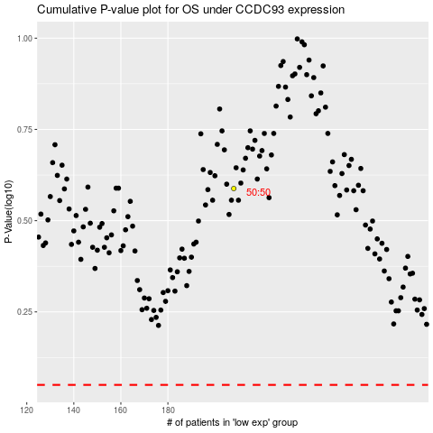

 |  |  |  |  |  | cases_OS | p_OS | rank | exp
 |  |  |  |  |  |  | cases_RFS | p_RFS | rank | exp

