CCHCR1 _multivariate
Reported by Tex Li-Hsing Chi. tex@gate.sinica.edu.tw 2019-08-21

Table 2. The clinicopathological features of HNSCC cohort and CCHCR1 expression. (Chi square test)
Cutoff at -0.272 (49.8%)
 |  | CCHCR1 expression |  | CCHCR1 expression |  | (Optimised)
 | Features | Low | (%) | High | (%) | Case no | P-value | Remark | Matthews
Gender | Female | 141 | 34 | 165 | 39.8 | 415 | 0.013 | 1 | 0
2 | Male | 66 | 15.9 | 43 | 10.4
Age at diagnosis | <=65y | 129 | 31.1 | 145 | 34.9 | 415 | 0.1372 | 0 | 0
4 | >65y | 78 | 18.8 | 63 | 15.2
Clinical T Status | T1+T2 | 67 | 16.1 | 82 | 19.8 | 415 | 0.1628 | 0 | 0
6 | T3+T4 | 140 | 33.7 | 126 | 30.4
Clinical N Status | N0 | 116 | 28 | 100 | 24.1 | 415 | 0.1273 | 1 | 0
8 | N1-3 | 91 | 21.9 | 108 | 26
Clinical M Status | M0 | 207 | 49.9 | 205 | 49.4 | 415 | 0.2482 | 0 | 0
10 | M1 | 0 | 0 | 3 | 0.7
Clinical Stage | Stage I+II | 56 | 13.5 | 46 | 11.1 | 415 | 0.2918 | 0 | 0
12 | Stage III+IV | 151 | 36.4 | 162 | 39
Surgical Margin status | Negative | 167 | 40.2 | 151 | 36.4 | 415 | 0.0632 | 0 | 0
14 | Positive | 40 | 9.6 | 57 | 13.7
Tobacco Exposure | Low | 83 | 20 | 78 | 18.8 | 415 | 0.6152 | 0 | 0
16 | High | 124 | 29.9 | 130 | 31.3

Table 3. Univariate/Multivariate Cox's proportional hazards regression analyses on OS time of CCHCR1 gene expression in HNSCC

 |  | Univariate |  |  |  | Multivariate
 | Features | HR | CI95%(L) | CI95%(H) | P-value | HR | CI95%(L) | CI95%(H) | P-value
1 | Female | 1 |  |  |  | 1
Gender | Male | 1.157 | 0.843 | 1.587 | 0.367 | 1.189 | 0.852 | 1.659 | 0.308
11 | <=65y | 1 |  |  |  | 1
Age at diagnosis | >65y | 1.329 | 0.99 | 1.784 | 0.058 | 1.396 | 1.026 | 1.899 | 0.034
12 | T1+T2 | 1 |  |  |  | 1
Clinical T Status | T3+T4 | 1.409 | 1.028 | 1.931 | 0.033 | 2.058 | 1.084 | 3.91 | 0.027
13 | N0 | 1 |  |  |  | 1
Clinical N Status | N1-3 | 1.185 | 0.89 | 1.577 | 0.246 | 1.247 | 0.874 | 1.779 | 0.224
14 | M0 | 1 |  |  |  | 1
Clinical M Status | M1 | 4.097 | 1.009 | 16.644 | 0.049 | 10.187 | 2.216 | 46.827 | 0.003
15 | Stage I+II | 1 |  |  |  | 1
Clinical Stage | Stage III+IV | 1.245 | 0.882 | 1.759 | 0.213 | 0.551 | 0.255 | 1.19 | 0.129
16 | Negative | 1 |  |  |  | 1
Surgical Margin status | Positive | 1.591 | 1.155 | 2.191 | 0.004 | 1.72 | 1.242 | 2.38 | 0.001
17 | Low | 1 |  |  |  | 1
Tobacco Exposure | High | 1.364 | 1.008 | 1.844 | 0.044 | 1.484 | 1.076 | 2.047 | 0.016
18 | Low | 1 |  |  |  | 1
RNAseq(z-score) | High | 0.81 | 0.607 | 1.081 | 0.152 | 0.761 | 0.566 | 1.024 | 0.072

Table 4. Univariate/Multivariate Cox's proportional hazards regression analyses on RFS time of CCHCR1 gene expression in HNSCC

 |  | Univariate |  |  |  | Multivariate
 | Features | HR | CI95%(L) | CI95%(H) | P-value | HR | CI95%(L) | CI95%(H) | P-value
1 | Female | 1 |  |  |  | 1
Gender | Male | 1.157 | 0.843 | 1.587 | 0.367 | 1.189 | 0.852 | 1.659 | 0.308
11 | <=65y | 1 |  |  |  | 1
Age at diagnosis | >65y | 1.329 | 0.99 | 1.784 | 0.058 | 1.396 | 1.026 | 1.899 | 0.034
12 | T1+T2 | 1 |  |  |  | 1
Clinical T Status | T3+T4 | 1.409 | 1.028 | 1.931 | 0.033 | 2.058 | 1.084 | 3.91 | 0.027
13 | N0 | 1 |  |  |  | 1
Clinical N Status | N1-3 | 1.185 | 0.89 | 1.577 | 0.246 | 1.247 | 0.874 | 1.779 | 0.224
14 | M0 | 1 |  |  |  | 1
Clinical M Status | M1 | 4.097 | 1.009 | 16.644 | 0.049 | 10.187 | 2.216 | 46.827 | 0.003
15 | Stage I+II | 1 |  |  |  | 1
Clinical Stage | Stage III+IV | 1.245 | 0.882 | 1.759 | 0.213 | 0.551 | 0.255 | 1.19 | 0.129
16 | Negative | 1 |  |  |  | 1
Surgical Margin status | Positive | 1.591 | 1.155 | 2.191 | 0.004 | 1.72 | 1.242 | 2.38 | 0.001
17 | Low | 1 |  |  |  | 1
Tobacco Exposure | High | 1.364 | 1.008 | 1.844 | 0.044 | 1.484 | 1.076 | 2.047 | 0.016
18 | Low | 1 |  |  |  | 1
RNAseq(z-score) | High | 0.81 | 0.607 | 1.081 | 0.152 | 0.761 | 0.566 | 1.024 | 0.072

Kaplan-Meier survival estimate: Cutoff at -0.272 (49.8%)



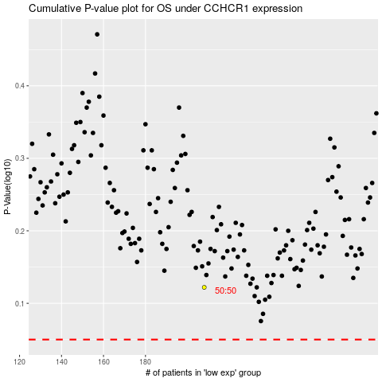

 |  |  |  |  |  | cases_OS | p_OS | rank | exp
 |  |  |  |  |  |  | cases_RFS | p_RFS | rank | exp

