CCK _multivariate
Reported by Tex Li-Hsing Chi. tex@gate.sinica.edu.tw 2019-08-21

Table 2. The clinicopathological features of HNSCC cohort and CCK expression. (Chi square test)
Cutoff at -0.102 (50.0%)
 |  | CCK expression |  | CCK expression |  | (Optimised)
 | Features | Low | (%) | High | (%) | Case no | P-value | Remark | Matthews
Gender | Female | 156 | 37.6 | 150 | 36.1 | 415 | 0.5222 | 0 | 0
2 | Male | 51 | 12.3 | 58 | 14
Age at diagnosis | <=65y | 142 | 34.2 | 132 | 31.8 | 415 | 0.3167 | 0 | 0
4 | >65y | 65 | 15.7 | 76 | 18.3
Clinical T Status | T1+T2 | 67 | 16.1 | 82 | 19.8 | 415 | 0.1628 | 0 | 0
6 | T3+T4 | 140 | 33.7 | 126 | 30.4
Clinical N Status | N0 | 103 | 24.8 | 113 | 27.2 | 415 | 0.4047 | 0 | 0
8 | N1-3 | 104 | 25.1 | 95 | 22.9
Clinical M Status | M0 | 205 | 49.4 | 207 | 49.9 | 415 | 0.6232 | 0 | 0
10 | M1 | 2 | 0.5 | 1 | 0.2
Clinical Stage | Stage I+II | 42 | 10.1 | 60 | 14.5 | 415 | 0.0561 | 0 | 0
12 | Stage III+IV | 165 | 39.8 | 148 | 35.7
Surgical Margin status | Negative | 159 | 38.3 | 159 | 38.3 | 415 | 1 | 0 | 0
14 | Positive | 48 | 11.6 | 49 | 11.8
Tobacco Exposure | Low | 74 | 17.8 | 87 | 21 | 415 | 0.227 | 0 | 0
16 | High | 133 | 32 | 121 | 29.2

Table 3. Univariate/Multivariate Cox's proportional hazards regression analyses on OS time of CCK gene expression in HNSCC

 |  | Univariate |  |  |  | Multivariate
 | Features | HR | CI95%(L) | CI95%(H) | P-value | HR | CI95%(L) | CI95%(H) | P-value
1 | Female | 1 |  |  |  | 1
Gender | Male | 1.157 | 0.843 | 1.587 | 0.367 | 1.199 | 0.858 | 1.676 | 0.288
11 | <=65y | 1 |  |  |  | 1
Age at diagnosis | >65y | 1.329 | 0.99 | 1.784 | 0.058 | 1.383 | 1.017 | 1.881 | 0.039
12 | T1+T2 | 1 |  |  |  | 1
Clinical T Status | T3+T4 | 1.409 | 1.028 | 1.931 | 0.033 | 2.211 | 1.169 | 4.182 | 0.015
13 | N0 | 1 |  |  |  | 1
Clinical N Status | N1-3 | 1.185 | 0.89 | 1.577 | 0.246 | 1.248 | 0.875 | 1.781 | 0.222
14 | M0 | 1 |  |  |  | 1
Clinical M Status | M1 | 4.097 | 1.009 | 16.644 | 0.049 | 9.423 | 2.055 | 43.198 | 0.004
15 | Stage I+II | 1 |  |  |  | 1
Clinical Stage | Stage III+IV | 1.245 | 0.882 | 1.759 | 0.213 | 0.511 | 0.238 | 1.099 | 0.086
16 | Negative | 1 |  |  |  | 1
Surgical Margin status | Positive | 1.591 | 1.155 | 2.191 | 0.004 | 1.666 | 1.205 | 2.302 | 0.002
17 | Low | 1 |  |  |  | 1
Tobacco Exposure | High | 1.364 | 1.008 | 1.844 | 0.044 | 1.45 | 1.052 | 1.999 | 0.023
18 | Low | 1 |  |  |  | 1
RNAseq(z-score) | High | 1.091 | 0.818 | 1.454 | 0.554 | 1.101 | 0.821 | 1.477 | 0.521

Table 4. Univariate/Multivariate Cox's proportional hazards regression analyses on RFS time of CCK gene expression in HNSCC

 |  | Univariate |  |  |  | Multivariate
 | Features | HR | CI95%(L) | CI95%(H) | P-value | HR | CI95%(L) | CI95%(H) | P-value
1 | Female | 1 |  |  |  | 1
Gender | Male | 1.157 | 0.843 | 1.587 | 0.367 | 1.199 | 0.858 | 1.676 | 0.288
11 | <=65y | 1 |  |  |  | 1
Age at diagnosis | >65y | 1.329 | 0.99 | 1.784 | 0.058 | 1.383 | 1.017 | 1.881 | 0.039
12 | T1+T2 | 1 |  |  |  | 1
Clinical T Status | T3+T4 | 1.409 | 1.028 | 1.931 | 0.033 | 2.211 | 1.169 | 4.182 | 0.015
13 | N0 | 1 |  |  |  | 1
Clinical N Status | N1-3 | 1.185 | 0.89 | 1.577 | 0.246 | 1.248 | 0.875 | 1.781 | 0.222
14 | M0 | 1 |  |  |  | 1
Clinical M Status | M1 | 4.097 | 1.009 | 16.644 | 0.049 | 9.423 | 2.055 | 43.198 | 0.004
15 | Stage I+II | 1 |  |  |  | 1
Clinical Stage | Stage III+IV | 1.245 | 0.882 | 1.759 | 0.213 | 0.511 | 0.238 | 1.099 | 0.086
16 | Negative | 1 |  |  |  | 1
Surgical Margin status | Positive | 1.591 | 1.155 | 2.191 | 0.004 | 1.666 | 1.205 | 2.302 | 0.002
17 | Low | 1 |  |  |  | 1
Tobacco Exposure | High | 1.364 | 1.008 | 1.844 | 0.044 | 1.45 | 1.052 | 1.999 | 0.023
18 | Low | 1 |  |  |  | 1
RNAseq(z-score) | High | 1.091 | 0.818 | 1.454 | 0.554 | 1.101 | 0.821 | 1.477 | 0.521

Kaplan-Meier survival estimate: Cutoff at -0.102 (50.0%)



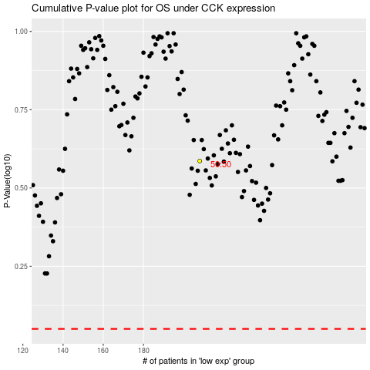

 |  |  |  |  |  | cases_OS | p_OS | rank | exp
 |  |  |  |  |  |  | cases_RFS | p_RFS | rank | exp

