CCL17 _multivariate
Reported by Tex Li-Hsing Chi. tex@gate.sinica.edu.tw 2019-08-21

Table 2. The clinicopathological features of HNSCC cohort and CCL17 expression. (Chi square test)
Cutoff at -0.176 (66.9%)
 |  | CCL17 expression |  | CCL17 expression |  | (Optimised)
 | Features | Low | (%) | High | (%) | Case no | P-value | Remark | Matthews
Gender | Female | 210 | 50.6 | 96 | 23.1 | 415 | 0.2135 | 0 | 0
2 | Male | 67 | 16.1 | 42 | 10.1
Age at diagnosis | <=65y | 174 | 41.9 | 100 | 24.1 | 415 | 0.065 | 0 | 0
4 | >65y | 103 | 24.8 | 38 | 9.2
Clinical T Status | T1+T2 | 85 | 20.5 | 64 | 15.4 | 415 | 0.0024 | 1 | 0
6 | T3+T4 | 192 | 46.3 | 74 | 17.8
Clinical N Status | N0 | 146 | 35.2 | 70 | 16.9 | 415 | 0.782 | 0 | 0
8 | N1-3 | 131 | 31.6 | 68 | 16.4
Clinical M Status | M0 | 275 | 66.3 | 137 | 33 | 415 | 1 | 0 | 0
10 | M1 | 2 | 0.5 | 1 | 0.2
Clinical Stage | Stage I+II | 58 | 14 | 44 | 10.6 | 415 | 0.0204 | 1 | 0
12 | Stage III+IV | 219 | 52.8 | 94 | 22.7
Surgical Margin status | Negative | 211 | 50.8 | 107 | 25.8 | 415 | 0.8062 | 0 | 0
14 | Positive | 66 | 15.9 | 31 | 7.5
Tobacco Exposure | Low | 106 | 25.5 | 55 | 13.3 | 415 | 0.8307 | 0 | 0
16 | High | 171 | 41.2 | 83 | 20

Table 3. Univariate/Multivariate Cox's proportional hazards regression analyses on OS time of CCL17 gene expression in HNSCC

 |  | Univariate |  |  |  | Multivariate
 | Features | HR | CI95%(L) | CI95%(H) | P-value | HR | CI95%(L) | CI95%(H) | P-value
1 | Female | 1 |  |  |  | 1
Gender | Male | 1.157 | 0.843 | 1.587 | 0.367 | 1.234 | 0.882 | 1.728 | 0.22
11 | <=65y | 1 |  |  |  | 1
Age at diagnosis | >65y | 1.329 | 0.99 | 1.784 | 0.058 | 1.337 | 0.981 | 1.823 | 0.066
12 | T1+T2 | 1 |  |  |  | 1
Clinical T Status | T3+T4 | 1.409 | 1.028 | 1.931 | 0.033 | 2.144 | 1.133 | 4.057 | 0.019
13 | N0 | 1 |  |  |  | 1
Clinical N Status | N1-3 | 1.185 | 0.89 | 1.577 | 0.246 | 1.247 | 0.874 | 1.78 | 0.224
14 | M0 | 1 |  |  |  | 1
Clinical M Status | M1 | 4.097 | 1.009 | 16.644 | 0.049 | 9.596 | 2.093 | 43.986 | 0.004
15 | Stage I+II | 1 |  |  |  | 1
Clinical Stage | Stage III+IV | 1.245 | 0.882 | 1.759 | 0.213 | 0.484 | 0.225 | 1.042 | 0.064
16 | Negative | 1 |  |  |  | 1
Surgical Margin status | Positive | 1.591 | 1.155 | 2.191 | 0.004 | 1.69 | 1.223 | 2.335 | 0.001
17 | Low | 1 |  |  |  | 1
Tobacco Exposure | High | 1.364 | 1.008 | 1.844 | 0.044 | 1.468 | 1.064 | 2.027 | 0.019
18 | Low | 1 |  |  |  | 1
RNAseq(z-score) | High | 0.696 | 0.506 | 0.957 | 0.026 | 0.715 | 0.515 | 0.992 | 0.045

Table 4. Univariate/Multivariate Cox's proportional hazards regression analyses on RFS time of CCL17 gene expression in HNSCC

 |  | Univariate |  |  |  | Multivariate
 | Features | HR | CI95%(L) | CI95%(H) | P-value | HR | CI95%(L) | CI95%(H) | P-value
1 | Female | 1 |  |  |  | 1
Gender | Male | 1.157 | 0.843 | 1.587 | 0.367 | 1.234 | 0.882 | 1.728 | 0.22
11 | <=65y | 1 |  |  |  | 1
Age at diagnosis | >65y | 1.329 | 0.99 | 1.784 | 0.058 | 1.337 | 0.981 | 1.823 | 0.066
12 | T1+T2 | 1 |  |  |  | 1
Clinical T Status | T3+T4 | 1.409 | 1.028 | 1.931 | 0.033 | 2.144 | 1.133 | 4.057 | 0.019
13 | N0 | 1 |  |  |  | 1
Clinical N Status | N1-3 | 1.185 | 0.89 | 1.577 | 0.246 | 1.247 | 0.874 | 1.78 | 0.224
14 | M0 | 1 |  |  |  | 1
Clinical M Status | M1 | 4.097 | 1.009 | 16.644 | 0.049 | 9.596 | 2.093 | 43.986 | 0.004
15 | Stage I+II | 1 |  |  |  | 1
Clinical Stage | Stage III+IV | 1.245 | 0.882 | 1.759 | 0.213 | 0.484 | 0.225 | 1.042 | 0.064
16 | Negative | 1 |  |  |  | 1
Surgical Margin status | Positive | 1.591 | 1.155 | 2.191 | 0.004 | 1.69 | 1.223 | 2.335 | 0.001
17 | Low | 1 |  |  |  | 1
Tobacco Exposure | High | 1.364 | 1.008 | 1.844 | 0.044 | 1.468 | 1.064 | 2.027 | 0.019
18 | Low | 1 |  |  |  | 1
RNAseq(z-score) | High | 0.696 | 0.506 | 0.957 | 0.026 | 0.715 | 0.515 | 0.992 | 0.045

Kaplan-Meier survival estimate: Cutoff at -0.176 (66.9%)

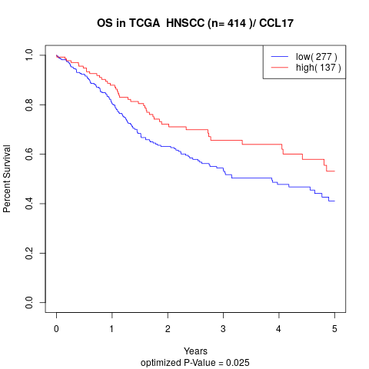

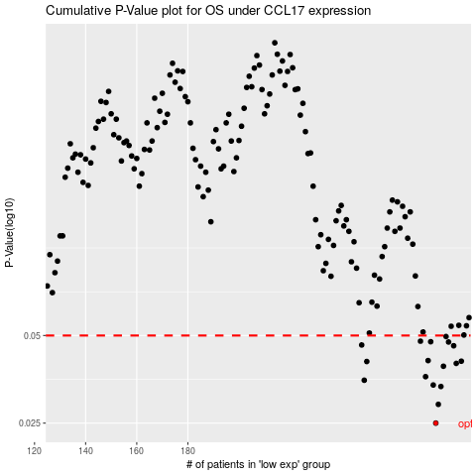

 |  |  |  |  |  | cases_OS | p_OS | rank | exp
 |  |  |  |  |  | 277 | 0.025 | 330 | -0.17556071259
 |  |  |  |  |  | 278 | 0.029 | 53 | -0.17446502999
 |  |  |  |  |  | 279 | 0.0334 | 381 | -0.17304830062
 |  |  |  |  |  | 276 | 0.0338 | 186 | -0.1768831897
 |  |  |  |  |  | 249 | 0.0351 | 171 | -0.2460614078
 |  |  |  |  |  | 273 | 0.0361 | 351 | -0.18093603715
 |  |  |  |  |  | 280 | 0.0392 | 71 | -0.1728568507
 |  |  |  |  |  | 285 | 0.0401 | 32 | -0.14689918748
 |  |  |  |  |  | 250 | 0.0407 | 40 | -0.24542225962
 |  |  |  |  |  | 287 | 0.0408 | 347 | -0.14205403191
 |  |  |  |  |  | 274 | 0.041 | 335 | -0.18027332591
 |  |  |  |  |  | 284 | 0.0461 | 278 | -0.15370302295
 |  |  |  |  |  | 248 | 0.0464 | 372 | -0.24916584182
 |  |  |  |  |  | 282 | 0.0475 | 354 | -0.1676641399
 |  |  |  |  |  | 275 | 0.0476 | 285 | -0.17797003615
 |  |  |  |  |  | 271 | 0.0478 | 46 | -0.1826060695
 |  |  |  |  |  | 281 | 0.0496 | 10 | -0.17270958153
 |  |  |  |  |  |  | cases_RFS | p_RFS | rank | exp
 |  |  |  |  |  |  | 276 | 0.025 | 186 | -0.1768831897
 |  |  |  |  |  |  | 277 | 0.029 | 330 | -0.17556071259
 |  |  |  |  |  |  | 278 | 0.0334 | 53 | -0.17446502999
 |  |  |  |  |  |  | 275 | 0.0338 | 285 | -0.17797003615
 |  |  |  |  |  |  | 248 | 0.0351 | 372 | -0.24916584182
 |  |  |  |  |  |  | 272 | 0.0361 | 398 | -0.18166649222
 |  |  |  |  |  |  | 279 | 0.0392 | 381 | -0.17304830062
 |  |  |  |  |  |  | 284 | 0.0401 | 278 | -0.15370302295
 |  |  |  |  |  |  | 249 | 0.0407 | 171 | -0.2460614078
 |  |  |  |  |  |  | 286 | 0.0408 | 23 | -0.14509955827
 |  |  |  |  |  |  | 273 | 0.041 | 351 | -0.18093603715
 |  |  |  |  |  |  | 283 | 0.0461 | 142 | -0.16293974505
 |  |  |  |  |  |  | 247 | 0.0464 | 370 | -0.2495575778
 |  |  |  |  |  |  | 281 | 0.0475 | 10 | -0.17270958153
 |  |  |  |  |  |  | 274 | 0.0476 | 335 | -0.18027332591
 |  |  |  |  |  |  | 270 | 0.0478 | 52 | -0.18331590688
 |  |  |  |  |  |  | 280 | 0.0496 | 71 | -0.1728568507

