CCL18 _multivariate
Reported by Tex Li-Hsing Chi. tex@gate.sinica.edu.tw 2019-08-21

Table 2. The clinicopathological features of HNSCC cohort and CCL18 expression. (Chi square test)
Cutoff at -0.323 (50.0%)
 |  | CCL18 expression |  | CCL18 expression |  | (Optimised)
 | Features | Low | (%) | High | (%) | Case no | P-value | Remark | Matthews
Gender | Female | 157 | 37.8 | 149 | 35.9 | 415 | 0.3881 | 0 | 0
2 | Male | 50 | 12 | 59 | 14.2
Age at diagnosis | <=65y | 144 | 34.7 | 130 | 31.3 | 415 | 0.1568 | 0 | 0
4 | >65y | 63 | 15.2 | 78 | 18.8
Clinical T Status | T1+T2 | 72 | 17.3 | 77 | 18.6 | 415 | 0.7095 | 0 | 0
6 | T3+T4 | 135 | 32.5 | 131 | 31.6
Clinical N Status | N0 | 117 | 28.2 | 99 | 23.9 | 415 | 0.0852 | 1 | 0
8 | N1-3 | 90 | 21.7 | 109 | 26.3
Clinical M Status | M0 | 207 | 49.9 | 205 | 49.4 | 415 | 0.2482 | 0 | 0
10 | M1 | 0 | 0 | 3 | 0.7
Clinical Stage | Stage I+II | 50 | 12 | 52 | 12.5 | 415 | 0.9315 | 0 | 0
12 | Stage III+IV | 157 | 37.8 | 156 | 37.6
Surgical Margin status | Negative | 154 | 37.1 | 164 | 39.5 | 415 | 0.2984 | 0 | 0
14 | Positive | 53 | 12.8 | 44 | 10.6
Tobacco Exposure | Low | 72 | 17.3 | 89 | 21.4 | 415 | 0.1071 | 0 | 0
16 | High | 135 | 32.5 | 119 | 28.7

Table 3. Univariate/Multivariate Cox's proportional hazards regression analyses on OS time of CCL18 gene expression in HNSCC

 |  | Univariate |  |  |  | Multivariate
 | Features | HR | CI95%(L) | CI95%(H) | P-value | HR | CI95%(L) | CI95%(H) | P-value
1 | Female | 1 |  |  |  | 1
Gender | Male | 1.157 | 0.843 | 1.587 | 0.367 | 1.201 | 0.86 | 1.677 | 0.283
11 | <=65y | 1 |  |  |  | 1
Age at diagnosis | >65y | 1.329 | 0.99 | 1.784 | 0.058 | 1.39 | 1.022 | 1.89 | 0.036
12 | T1+T2 | 1 |  |  |  | 1
Clinical T Status | T3+T4 | 1.409 | 1.028 | 1.931 | 0.033 | 2.183 | 1.153 | 4.131 | 0.016
13 | N0 | 1 |  |  |  | 1
Clinical N Status | N1-3 | 1.185 | 0.89 | 1.577 | 0.246 | 1.231 | 0.862 | 1.759 | 0.253
14 | M0 | 1 |  |  |  | 1
Clinical M Status | M1 | 4.097 | 1.009 | 16.644 | 0.049 | 9.01 | 1.949 | 41.656 | 0.005
15 | Stage I+II | 1 |  |  |  | 1
Clinical Stage | Stage III+IV | 1.245 | 0.882 | 1.759 | 0.213 | 0.511 | 0.238 | 1.099 | 0.086
16 | Negative | 1 |  |  |  | 1
Surgical Margin status | Positive | 1.591 | 1.155 | 2.191 | 0.004 | 1.67 | 1.209 | 2.307 | 0.002
17 | Low | 1 |  |  |  | 1
Tobacco Exposure | High | 1.364 | 1.008 | 1.844 | 0.044 | 1.461 | 1.06 | 2.013 | 0.021
18 | Low | 1 |  |  |  | 1
RNAseq(z-score) | High | 1.097 | 0.824 | 1.461 | 0.525 | 1.078 | 0.807 | 1.441 | 0.612

Table 4. Univariate/Multivariate Cox's proportional hazards regression analyses on RFS time of CCL18 gene expression in HNSCC

 |  | Univariate |  |  |  | Multivariate
 | Features | HR | CI95%(L) | CI95%(H) | P-value | HR | CI95%(L) | CI95%(H) | P-value
1 | Female | 1 |  |  |  | 1
Gender | Male | 1.157 | 0.843 | 1.587 | 0.367 | 1.201 | 0.86 | 1.677 | 0.283
11 | <=65y | 1 |  |  |  | 1
Age at diagnosis | >65y | 1.329 | 0.99 | 1.784 | 0.058 | 1.39 | 1.022 | 1.89 | 0.036
12 | T1+T2 | 1 |  |  |  | 1
Clinical T Status | T3+T4 | 1.409 | 1.028 | 1.931 | 0.033 | 2.183 | 1.153 | 4.131 | 0.016
13 | N0 | 1 |  |  |  | 1
Clinical N Status | N1-3 | 1.185 | 0.89 | 1.577 | 0.246 | 1.231 | 0.862 | 1.759 | 0.253
14 | M0 | 1 |  |  |  | 1
Clinical M Status | M1 | 4.097 | 1.009 | 16.644 | 0.049 | 9.01 | 1.949 | 41.656 | 0.005
15 | Stage I+II | 1 |  |  |  | 1
Clinical Stage | Stage III+IV | 1.245 | 0.882 | 1.759 | 0.213 | 0.511 | 0.238 | 1.099 | 0.086
16 | Negative | 1 |  |  |  | 1
Surgical Margin status | Positive | 1.591 | 1.155 | 2.191 | 0.004 | 1.67 | 1.209 | 2.307 | 0.002
17 | Low | 1 |  |  |  | 1
Tobacco Exposure | High | 1.364 | 1.008 | 1.844 | 0.044 | 1.461 | 1.06 | 2.013 | 0.021
18 | Low | 1 |  |  |  | 1
RNAseq(z-score) | High | 1.097 | 0.824 | 1.461 | 0.525 | 1.078 | 0.807 | 1.441 | 0.612

Kaplan-Meier survival estimate: Cutoff at -0.323 (50.0%)



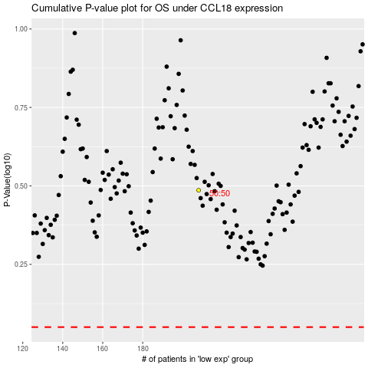

 |  |  |  |  |  | cases_OS | p_OS | rank | exp
 |  |  |  |  |  |  | cases_RFS | p_RFS | rank | exp

