CCL2 _multivariate
Reported by Tex Li-Hsing Chi. tex@gate.sinica.edu.tw 2019-08-21

Table 2. The clinicopathological features of HNSCC cohort and CCL2 expression. (Chi square test)
Cutoff at -0.262 (49.8%)
 |  | CCL2 expression |  | CCL2 expression |  | (Optimised)
 | Features | Low | (%) | High | (%) | Case no | P-value | Remark | Matthews
Gender | Female | 160 | 38.6 | 146 | 35.2 | 415 | 0.1254 | 0 | 0
2 | Male | 47 | 11.3 | 62 | 14.9
Age at diagnosis | <=65y | 143 | 34.5 | 131 | 31.6 | 415 | 0.2269 | 0 | 0
4 | >65y | 64 | 15.4 | 77 | 18.6
Clinical T Status | T1+T2 | 71 | 17.1 | 78 | 18.8 | 415 | 0.5638 | 0 | 0
6 | T3+T4 | 136 | 32.8 | 130 | 31.3
Clinical N Status | N0 | 102 | 24.6 | 114 | 27.5 | 415 | 0.3031 | 0 | 0
8 | N1-3 | 105 | 25.3 | 94 | 22.7
Clinical M Status | M0 | 206 | 49.6 | 206 | 49.6 | 415 | 1 | 0 | 0
10 | M1 | 1 | 0.2 | 2 | 0.5
Clinical Stage | Stage I+II | 46 | 11.1 | 56 | 13.5 | 415 | 0.3182 | 0 | 0
12 | Stage III+IV | 161 | 38.8 | 152 | 36.6
Surgical Margin status | Negative | 152 | 36.6 | 166 | 40 | 415 | 0.1329 | 0 | 0
14 | Positive | 55 | 13.3 | 42 | 10.1
Tobacco Exposure | Low | 79 | 19 | 82 | 19.8 | 415 | 0.8405 | 0 | 0
16 | High | 128 | 30.8 | 126 | 30.4

Table 3. Univariate/Multivariate Cox's proportional hazards regression analyses on OS time of CCL2 gene expression in HNSCC

 |  | Univariate |  |  |  | Multivariate
 | Features | HR | CI95%(L) | CI95%(H) | P-value | HR | CI95%(L) | CI95%(H) | P-value
1 | Female | 1 |  |  |  | 1
Gender | Male | 1.157 | 0.843 | 1.587 | 0.367 | 1.206 | 0.862 | 1.687 | 0.276
11 | <=65y | 1 |  |  |  | 1
Age at diagnosis | >65y | 1.329 | 0.99 | 1.784 | 0.058 | 1.394 | 1.025 | 1.895 | 0.034
12 | T1+T2 | 1 |  |  |  | 1
Clinical T Status | T3+T4 | 1.409 | 1.028 | 1.931 | 0.033 | 2.207 | 1.167 | 4.174 | 0.015
13 | N0 | 1 |  |  |  | 1
Clinical N Status | N1-3 | 1.185 | 0.89 | 1.577 | 0.246 | 1.238 | 0.868 | 1.768 | 0.239
14 | M0 | 1 |  |  |  | 1
Clinical M Status | M1 | 4.097 | 1.009 | 16.644 | 0.049 | 9.478 | 2.064 | 43.532 | 0.004
15 | Stage I+II | 1 |  |  |  | 1
Clinical Stage | Stage III+IV | 1.245 | 0.882 | 1.759 | 0.213 | 0.503 | 0.234 | 1.08 | 0.078
16 | Negative | 1 |  |  |  | 1
Surgical Margin status | Positive | 1.591 | 1.155 | 2.191 | 0.004 | 1.672 | 1.21 | 2.311 | 0.002
17 | Low | 1 |  |  |  | 1
Tobacco Exposure | High | 1.364 | 1.008 | 1.844 | 0.044 | 1.453 | 1.054 | 2.003 | 0.022
18 | Low | 1 |  |  |  | 1
RNAseq(z-score) | High | 0.995 | 0.748 | 1.325 | 0.975 | 0.971 | 0.727 | 1.298 | 0.843

Table 4. Univariate/Multivariate Cox's proportional hazards regression analyses on RFS time of CCL2 gene expression in HNSCC

 |  | Univariate |  |  |  | Multivariate
 | Features | HR | CI95%(L) | CI95%(H) | P-value | HR | CI95%(L) | CI95%(H) | P-value
1 | Female | 1 |  |  |  | 1
Gender | Male | 1.157 | 0.843 | 1.587 | 0.367 | 1.206 | 0.862 | 1.687 | 0.276
11 | <=65y | 1 |  |  |  | 1
Age at diagnosis | >65y | 1.329 | 0.99 | 1.784 | 0.058 | 1.394 | 1.025 | 1.895 | 0.034
12 | T1+T2 | 1 |  |  |  | 1
Clinical T Status | T3+T4 | 1.409 | 1.028 | 1.931 | 0.033 | 2.207 | 1.167 | 4.174 | 0.015
13 | N0 | 1 |  |  |  | 1
Clinical N Status | N1-3 | 1.185 | 0.89 | 1.577 | 0.246 | 1.238 | 0.868 | 1.768 | 0.239
14 | M0 | 1 |  |  |  | 1
Clinical M Status | M1 | 4.097 | 1.009 | 16.644 | 0.049 | 9.478 | 2.064 | 43.532 | 0.004
15 | Stage I+II | 1 |  |  |  | 1
Clinical Stage | Stage III+IV | 1.245 | 0.882 | 1.759 | 0.213 | 0.503 | 0.234 | 1.08 | 0.078
16 | Negative | 1 |  |  |  | 1
Surgical Margin status | Positive | 1.591 | 1.155 | 2.191 | 0.004 | 1.672 | 1.21 | 2.311 | 0.002
17 | Low | 1 |  |  |  | 1
Tobacco Exposure | High | 1.364 | 1.008 | 1.844 | 0.044 | 1.453 | 1.054 | 2.003 | 0.022
18 | Low | 1 |  |  |  | 1
RNAseq(z-score) | High | 0.995 | 0.748 | 1.325 | 0.975 | 0.971 | 0.727 | 1.298 | 0.843

Kaplan-Meier survival estimate: Cutoff at -0.262 (49.8%)



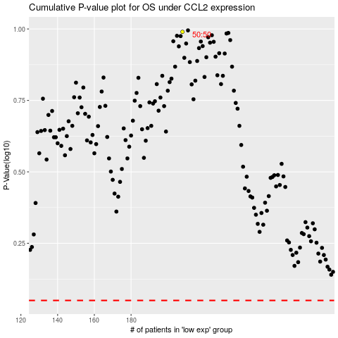

 |  |  |  |  |  | cases_OS | p_OS | rank | exp
 |  |  |  |  |  |  | cases_RFS | p_RFS | rank | exp

