CCL21 _multivariate
Reported by Tex Li-Hsing Chi. tex@gate.sinica.edu.tw 2019-08-21

Table 2. The clinicopathological features of HNSCC cohort and CCL21 expression. (Chi square test)
Cutoff at -0.314 (50.0%)
 |  | CCL21 expression |  | CCL21 expression |  | (Optimised)
 | Features | Low | (%) | High | (%) | Case no | P-value | Remark | Matthews
Gender | Female | 155 | 37.3 | 151 | 36.4 | 415 | 0.6768 | 0 | 0
2 | Male | 52 | 12.5 | 57 | 13.7
Age at diagnosis | <=65y | 138 | 33.3 | 136 | 32.8 | 415 | 0.8634 | 0 | 0
4 | >65y | 69 | 16.6 | 72 | 17.3
Clinical T Status | T1+T2 | 63 | 15.2 | 86 | 20.7 | 415 | 0.0268 | 1 | 0
6 | T3+T4 | 144 | 34.7 | 122 | 29.4
Clinical N Status | N0 | 112 | 27 | 104 | 25.1 | 415 | 0.4599 | 0 | 0
8 | N1-3 | 95 | 22.9 | 104 | 25.1
Clinical M Status | M0 | 206 | 49.6 | 206 | 49.6 | 415 | 1 | 0 | 0
10 | M1 | 1 | 0.2 | 2 | 0.5
Clinical Stage | Stage I+II | 45 | 10.8 | 57 | 13.7 | 415 | 0.2202 | 0 | 0
12 | Stage III+IV | 162 | 39 | 151 | 36.4
Surgical Margin status | Negative | 154 | 37.1 | 164 | 39.5 | 415 | 0.2984 | 0 | 0
14 | Positive | 53 | 12.8 | 44 | 10.6
Tobacco Exposure | Low | 75 | 18.1 | 86 | 20.7 | 415 | 0.3141 | 0 | 0
16 | High | 132 | 31.8 | 122 | 29.4

Table 3. Univariate/Multivariate Cox's proportional hazards regression analyses on OS time of CCL21 gene expression in HNSCC

 |  | Univariate |  |  |  | Multivariate
 | Features | HR | CI95%(L) | CI95%(H) | P-value | HR | CI95%(L) | CI95%(H) | P-value
1 | Female | 1 |  |  |  | 1
Gender | Male | 1.157 | 0.843 | 1.587 | 0.367 | 1.199 | 0.858 | 1.675 | 0.288
11 | <=65y | 1 |  |  |  | 1
Age at diagnosis | >65y | 1.329 | 0.99 | 1.784 | 0.058 | 1.394 | 1.025 | 1.895 | 0.034
12 | T1+T2 | 1 |  |  |  | 1
Clinical T Status | T3+T4 | 1.409 | 1.028 | 1.931 | 0.033 | 2.225 | 1.176 | 4.209 | 0.014
13 | N0 | 1 |  |  |  | 1
Clinical N Status | N1-3 | 1.185 | 0.89 | 1.577 | 0.246 | 1.228 | 0.86 | 1.754 | 0.258
14 | M0 | 1 |  |  |  | 1
Clinical M Status | M1 | 4.097 | 1.009 | 16.644 | 0.049 | 9.186 | 2.001 | 42.165 | 0.004
15 | Stage I+II | 1 |  |  |  | 1
Clinical Stage | Stage III+IV | 1.245 | 0.882 | 1.759 | 0.213 | 0.511 | 0.238 | 1.097 | 0.085
16 | Negative | 1 |  |  |  | 1
Surgical Margin status | Positive | 1.591 | 1.155 | 2.191 | 0.004 | 1.677 | 1.214 | 2.318 | 0.002
17 | Low | 1 |  |  |  | 1
Tobacco Exposure | High | 1.364 | 1.008 | 1.844 | 0.044 | 1.465 | 1.062 | 2.02 | 0.02
18 | Low | 1 |  |  |  | 1
RNAseq(z-score) | High | 1.05 | 0.789 | 1.398 | 0.739 | 1.116 | 0.833 | 1.493 | 0.463

Table 4. Univariate/Multivariate Cox's proportional hazards regression analyses on RFS time of CCL21 gene expression in HNSCC

 |  | Univariate |  |  |  | Multivariate
 | Features | HR | CI95%(L) | CI95%(H) | P-value | HR | CI95%(L) | CI95%(H) | P-value
1 | Female | 1 |  |  |  | 1
Gender | Male | 1.157 | 0.843 | 1.587 | 0.367 | 1.199 | 0.858 | 1.675 | 0.288
11 | <=65y | 1 |  |  |  | 1
Age at diagnosis | >65y | 1.329 | 0.99 | 1.784 | 0.058 | 1.394 | 1.025 | 1.895 | 0.034
12 | T1+T2 | 1 |  |  |  | 1
Clinical T Status | T3+T4 | 1.409 | 1.028 | 1.931 | 0.033 | 2.225 | 1.176 | 4.209 | 0.014
13 | N0 | 1 |  |  |  | 1
Clinical N Status | N1-3 | 1.185 | 0.89 | 1.577 | 0.246 | 1.228 | 0.86 | 1.754 | 0.258
14 | M0 | 1 |  |  |  | 1
Clinical M Status | M1 | 4.097 | 1.009 | 16.644 | 0.049 | 9.186 | 2.001 | 42.165 | 0.004
15 | Stage I+II | 1 |  |  |  | 1
Clinical Stage | Stage III+IV | 1.245 | 0.882 | 1.759 | 0.213 | 0.511 | 0.238 | 1.097 | 0.085
16 | Negative | 1 |  |  |  | 1
Surgical Margin status | Positive | 1.591 | 1.155 | 2.191 | 0.004 | 1.677 | 1.214 | 2.318 | 0.002
17 | Low | 1 |  |  |  | 1
Tobacco Exposure | High | 1.364 | 1.008 | 1.844 | 0.044 | 1.465 | 1.062 | 2.02 | 0.02
18 | Low | 1 |  |  |  | 1
RNAseq(z-score) | High | 1.05 | 0.789 | 1.398 | 0.739 | 1.116 | 0.833 | 1.493 | 0.463

Kaplan-Meier survival estimate: Cutoff at -0.314 (50.0%)



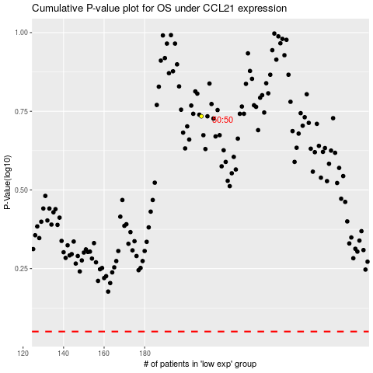

 |  |  |  |  |  | cases_OS | p_OS | rank | exp
 |  |  |  |  |  |  | cases_RFS | p_RFS | rank | exp

