CCL3 _multivariate
Reported by Tex Li-Hsing Chi. tex@gate.sinica.edu.tw 2019-08-21

Table 2. The clinicopathological features of HNSCC cohort and CCL3 expression. (Chi square test)
Cutoff at -0.274 (49.8%)
 |  | CCL3 expression |  | CCL3 expression |  | (Optimised)
 | Features | Low | (%) | High | (%) | Case no | P-value | Remark | Matthews
Gender | Female | 160 | 38.6 | 146 | 35.2 | 415 | 0.1254 | 0 | 0
2 | Male | 47 | 11.3 | 62 | 14.9
Age at diagnosis | <=65y | 142 | 34.2 | 132 | 31.8 | 415 | 0.3167 | 0 | 0
4 | >65y | 65 | 15.7 | 76 | 18.3
Clinical T Status | T1+T2 | 67 | 16.1 | 82 | 19.8 | 415 | 0.1628 | 0 | 0
6 | T3+T4 | 140 | 33.7 | 126 | 30.4
Clinical N Status | N0 | 110 | 26.5 | 106 | 25.5 | 415 | 0.7294 | 0 | 0
8 | N1-3 | 97 | 23.4 | 102 | 24.6
Clinical M Status | M0 | 207 | 49.9 | 205 | 49.4 | 415 | 0.2482 | 0 | 0
10 | M1 | 0 | 0 | 3 | 0.7
Clinical Stage | Stage I+II | 42 | 10.1 | 60 | 14.5 | 415 | 0.0561 | 0 | 0
12 | Stage III+IV | 165 | 39.8 | 148 | 35.7
Surgical Margin status | Negative | 161 | 38.8 | 157 | 37.8 | 415 | 0.6429 | 0 | 0
14 | Positive | 46 | 11.1 | 51 | 12.3
Tobacco Exposure | Low | 72 | 17.3 | 89 | 21.4 | 415 | 0.1071 | 0 | 0
16 | High | 135 | 32.5 | 119 | 28.7

Table 3. Univariate/Multivariate Cox's proportional hazards regression analyses on OS time of CCL3 gene expression in HNSCC

 |  | Univariate |  |  |  | Multivariate
 | Features | HR | CI95%(L) | CI95%(H) | P-value | HR | CI95%(L) | CI95%(H) | P-value
1 | Female | 1 |  |  |  | 1
Gender | Male | 1.157 | 0.843 | 1.587 | 0.367 | 1.201 | 0.859 | 1.679 | 0.283
11 | <=65y | 1 |  |  |  | 1
Age at diagnosis | >65y | 1.329 | 0.99 | 1.784 | 0.058 | 1.392 | 1.024 | 1.892 | 0.035
12 | T1+T2 | 1 |  |  |  | 1
Clinical T Status | T3+T4 | 1.409 | 1.028 | 1.931 | 0.033 | 2.201 | 1.161 | 4.172 | 0.016
13 | N0 | 1 |  |  |  | 1
Clinical N Status | N1-3 | 1.185 | 0.89 | 1.577 | 0.246 | 1.24 | 0.868 | 1.773 | 0.237
14 | M0 | 1 |  |  |  | 1
Clinical M Status | M1 | 4.097 | 1.009 | 16.644 | 0.049 | 9.383 | 2.02 | 43.578 | 0.004
15 | Stage I+II | 1 |  |  |  | 1
Clinical Stage | Stage III+IV | 1.245 | 0.882 | 1.759 | 0.213 | 0.505 | 0.234 | 1.093 | 0.083
16 | Negative | 1 |  |  |  | 1
Surgical Margin status | Positive | 1.591 | 1.155 | 2.191 | 0.004 | 1.671 | 1.206 | 2.314 | 0.002
17 | Low | 1 |  |  |  | 1
Tobacco Exposure | High | 1.364 | 1.008 | 1.844 | 0.044 | 1.453 | 1.054 | 2.005 | 0.023
18 | Low | 1 |  |  |  | 1
RNAseq(z-score) | High | 1.048 | 0.787 | 1.397 | 0.747 | 1.004 | 0.746 | 1.351 | 0.98

Table 4. Univariate/Multivariate Cox's proportional hazards regression analyses on RFS time of CCL3 gene expression in HNSCC

 |  | Univariate |  |  |  | Multivariate
 | Features | HR | CI95%(L) | CI95%(H) | P-value | HR | CI95%(L) | CI95%(H) | P-value
1 | Female | 1 |  |  |  | 1
Gender | Male | 1.157 | 0.843 | 1.587 | 0.367 | 1.201 | 0.859 | 1.679 | 0.283
11 | <=65y | 1 |  |  |  | 1
Age at diagnosis | >65y | 1.329 | 0.99 | 1.784 | 0.058 | 1.392 | 1.024 | 1.892 | 0.035
12 | T1+T2 | 1 |  |  |  | 1
Clinical T Status | T3+T4 | 1.409 | 1.028 | 1.931 | 0.033 | 2.201 | 1.161 | 4.172 | 0.016
13 | N0 | 1 |  |  |  | 1
Clinical N Status | N1-3 | 1.185 | 0.89 | 1.577 | 0.246 | 1.24 | 0.868 | 1.773 | 0.237
14 | M0 | 1 |  |  |  | 1
Clinical M Status | M1 | 4.097 | 1.009 | 16.644 | 0.049 | 9.383 | 2.02 | 43.578 | 0.004
15 | Stage I+II | 1 |  |  |  | 1
Clinical Stage | Stage III+IV | 1.245 | 0.882 | 1.759 | 0.213 | 0.505 | 0.234 | 1.093 | 0.083
16 | Negative | 1 |  |  |  | 1
Surgical Margin status | Positive | 1.591 | 1.155 | 2.191 | 0.004 | 1.671 | 1.206 | 2.314 | 0.002
17 | Low | 1 |  |  |  | 1
Tobacco Exposure | High | 1.364 | 1.008 | 1.844 | 0.044 | 1.453 | 1.054 | 2.005 | 0.023
18 | Low | 1 |  |  |  | 1
RNAseq(z-score) | High | 1.048 | 0.787 | 1.397 | 0.747 | 1.004 | 0.746 | 1.351 | 0.98

Kaplan-Meier survival estimate: Cutoff at -0.274 (49.8%)



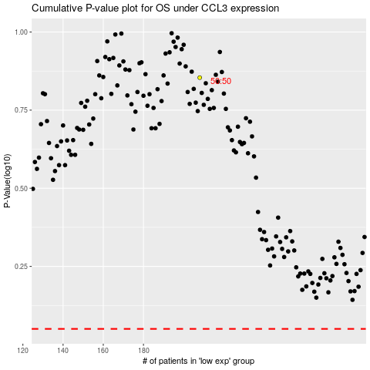

 |  |  |  |  |  | cases_OS | p_OS | rank | exp
 |  |  |  |  |  |  | cases_RFS | p_RFS | rank | exp

