CCL3L1 _multivariate
Reported by Tex Li-Hsing Chi. tex@gate.sinica.edu.tw 2019-08-21

Table 2. The clinicopathological features of HNSCC cohort and CCL3L1 expression. (Chi square test)
Cutoff at -0.243 (49.8%)
 |  | CCL3L1 expression |  | CCL3L1 expression |  | (Optimised)
 | Features | Low | (%) | High | (%) | Case no | P-value | Remark | Matthews
Gender | Female | 157 | 37.8 | 149 | 35.9 | 415 | 0.3881 | 0 | 0
2 | Male | 50 | 12 | 59 | 14.2
Age at diagnosis | <=65y | 139 | 33.5 | 135 | 32.5 | 415 | 0.7044 | 0 | 0
4 | >65y | 68 | 16.4 | 73 | 17.6
Clinical T Status | T1+T2 | 71 | 17.1 | 78 | 18.8 | 415 | 0.5638 | 0 | 0
6 | T3+T4 | 136 | 32.8 | 130 | 31.3
Clinical N Status | N0 | 105 | 25.3 | 111 | 26.7 | 415 | 0.6598 | 0 | 0
8 | N1-3 | 102 | 24.6 | 97 | 23.4
Clinical M Status | M0 | 207 | 49.9 | 205 | 49.4 | 415 | 0.2482 | 0 | 0
10 | M1 | 0 | 0 | 3 | 0.7
Clinical Stage | Stage I+II | 43 | 10.4 | 59 | 14.2 | 415 | 0.0925 | 0 | 0
12 | Stage III+IV | 164 | 39.5 | 149 | 35.9
Surgical Margin status | Negative | 157 | 37.8 | 161 | 38.8 | 415 | 0.729 | 0 | 0
14 | Positive | 50 | 12 | 47 | 11.3
Tobacco Exposure | Low | 75 | 18.1 | 86 | 20.7 | 415 | 0.3141 | 0 | 0
16 | High | 132 | 31.8 | 122 | 29.4

Table 3. Univariate/Multivariate Cox's proportional hazards regression analyses on OS time of CCL3L1 gene expression in HNSCC

 |  | Univariate |  |  |  | Multivariate
 | Features | HR | CI95%(L) | CI95%(H) | P-value | HR | CI95%(L) | CI95%(H) | P-value
1 | Female | 1 |  |  |  | 1
Gender | Male | 1.157 | 0.843 | 1.587 | 0.367 | 1.207 | 0.863 | 1.688 | 0.271
11 | <=65y | 1 |  |  |  | 1
Age at diagnosis | >65y | 1.329 | 0.99 | 1.784 | 0.058 | 1.39 | 1.022 | 1.889 | 0.036
12 | T1+T2 | 1 |  |  |  | 1
Clinical T Status | T3+T4 | 1.409 | 1.028 | 1.931 | 0.033 | 2.221 | 1.172 | 4.208 | 0.014
13 | N0 | 1 |  |  |  | 1
Clinical N Status | N1-3 | 1.185 | 0.89 | 1.577 | 0.246 | 1.244 | 0.872 | 1.776 | 0.229
14 | M0 | 1 |  |  |  | 1
Clinical M Status | M1 | 4.097 | 1.009 | 16.644 | 0.049 | 9.74 | 2.097 | 45.233 | 0.004
15 | Stage I+II | 1 |  |  |  | 1
Clinical Stage | Stage III+IV | 1.245 | 0.882 | 1.759 | 0.213 | 0.497 | 0.231 | 1.072 | 0.075
16 | Negative | 1 |  |  |  | 1
Surgical Margin status | Positive | 1.591 | 1.155 | 2.191 | 0.004 | 1.675 | 1.212 | 2.315 | 0.002
17 | Low | 1 |  |  |  | 1
Tobacco Exposure | High | 1.364 | 1.008 | 1.844 | 0.044 | 1.451 | 1.053 | 1.999 | 0.023
18 | Low | 1 |  |  |  | 1
RNAseq(z-score) | High | 0.98 | 0.736 | 1.305 | 0.889 | 0.95 | 0.709 | 1.272 | 0.729

Table 4. Univariate/Multivariate Cox's proportional hazards regression analyses on RFS time of CCL3L1 gene expression in HNSCC

 |  | Univariate |  |  |  | Multivariate
 | Features | HR | CI95%(L) | CI95%(H) | P-value | HR | CI95%(L) | CI95%(H) | P-value
1 | Female | 1 |  |  |  | 1
Gender | Male | 1.157 | 0.843 | 1.587 | 0.367 | 1.207 | 0.863 | 1.688 | 0.271
11 | <=65y | 1 |  |  |  | 1
Age at diagnosis | >65y | 1.329 | 0.99 | 1.784 | 0.058 | 1.39 | 1.022 | 1.889 | 0.036
12 | T1+T2 | 1 |  |  |  | 1
Clinical T Status | T3+T4 | 1.409 | 1.028 | 1.931 | 0.033 | 2.221 | 1.172 | 4.208 | 0.014
13 | N0 | 1 |  |  |  | 1
Clinical N Status | N1-3 | 1.185 | 0.89 | 1.577 | 0.246 | 1.244 | 0.872 | 1.776 | 0.229
14 | M0 | 1 |  |  |  | 1
Clinical M Status | M1 | 4.097 | 1.009 | 16.644 | 0.049 | 9.74 | 2.097 | 45.233 | 0.004
15 | Stage I+II | 1 |  |  |  | 1
Clinical Stage | Stage III+IV | 1.245 | 0.882 | 1.759 | 0.213 | 0.497 | 0.231 | 1.072 | 0.075
16 | Negative | 1 |  |  |  | 1
Surgical Margin status | Positive | 1.591 | 1.155 | 2.191 | 0.004 | 1.675 | 1.212 | 2.315 | 0.002
17 | Low | 1 |  |  |  | 1
Tobacco Exposure | High | 1.364 | 1.008 | 1.844 | 0.044 | 1.451 | 1.053 | 1.999 | 0.023
18 | Low | 1 |  |  |  | 1
RNAseq(z-score) | High | 0.98 | 0.736 | 1.305 | 0.889 | 0.95 | 0.709 | 1.272 | 0.729

Kaplan-Meier survival estimate: Cutoff at -0.243 (49.8%)



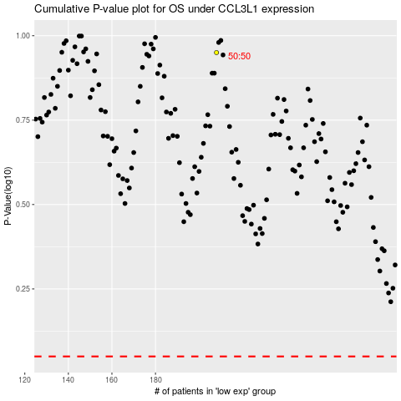

 |  |  |  |  |  | cases_OS | p_OS | rank | exp
 |  |  |  |  |  |  | cases_RFS | p_RFS | rank | exp

