CCL4L2 _multivariate
Reported by Tex Li-Hsing Chi. tex@gate.sinica.edu.tw 2019-08-21

Table 2. The clinicopathological features of HNSCC cohort and CCL4L2 expression. (Chi square test)
Cutoff at 0.099 (69.8%)
 |  | CCL4L2 expression |  | CCL4L2 expression |  | (Optimised)
 | Features | Low | (%) | High | (%) | Case no | P-value | Remark | Matthews
Gender | Female | 219 | 52.8 | 87 | 21 | 415 | 0.2563 | 0 | 0
2 | Male | 71 | 17.1 | 38 | 9.2
Age at diagnosis | <=65y | 200 | 48.2 | 74 | 17.8 | 415 | 0.0697 | 0 | 0
4 | >65y | 90 | 21.7 | 51 | 12.3
Clinical T Status | T1+T2 | 96 | 23.1 | 53 | 12.8 | 415 | 0.0892 | 0 | 0
6 | T3+T4 | 194 | 46.7 | 72 | 17.3
Clinical N Status | N0 | 158 | 38.1 | 58 | 14 | 415 | 0.16 | 0 | 0
8 | N1-3 | 132 | 31.8 | 67 | 16.1
Clinical M Status | M0 | 290 | 69.9 | 122 | 29.4 | 415 | 0.0269 | 1 | 0
10 | M1 | 0 | 0 | 3 | 0.7
Clinical Stage | Stage I+II | 64 | 15.4 | 38 | 9.2 | 415 | 0.0921 | 0 | 0
12 | Stage III+IV | 226 | 54.5 | 87 | 21
Surgical Margin status | Negative | 229 | 55.2 | 89 | 21.4 | 415 | 0.1003 | 0 | 0
14 | Positive | 61 | 14.7 | 36 | 8.7
Tobacco Exposure | Low | 109 | 26.3 | 52 | 12.5 | 415 | 0.4445 | 0 | 0
16 | High | 181 | 43.6 | 73 | 17.6

Table 3. Univariate/Multivariate Cox's proportional hazards regression analyses on OS time of CCL4L2 gene expression in HNSCC

 |  | Univariate |  |  |  | Multivariate
 | Features | HR | CI95%(L) | CI95%(H) | P-value | HR | CI95%(L) | CI95%(H) | P-value
1 | Female | 1 |  |  |  | 1
Gender | Male | 1.157 | 0.843 | 1.587 | 0.367 | 1.185 | 0.847 | 1.657 | 0.322
11 | <=65y | 1 |  |  |  | 1
Age at diagnosis | >65y | 1.329 | 0.99 | 1.784 | 0.058 | 1.384 | 1.018 | 1.882 | 0.038
12 | T1+T2 | 1 |  |  |  | 1
Clinical T Status | T3+T4 | 1.409 | 1.028 | 1.931 | 0.033 | 2.132 | 1.126 | 4.039 | 0.02
13 | N0 | 1 |  |  |  | 1
Clinical N Status | N1-3 | 1.185 | 0.89 | 1.577 | 0.246 | 1.201 | 0.838 | 1.721 | 0.318
14 | M0 | 1 |  |  |  | 1
Clinical M Status | M1 | 4.097 | 1.009 | 16.644 | 0.049 | 7.921 | 1.689 | 37.145 | 0.009
15 | Stage I+II | 1 |  |  |  | 1
Clinical Stage | Stage III+IV | 1.245 | 0.882 | 1.759 | 0.213 | 0.545 | 0.251 | 1.181 | 0.124
16 | Negative | 1 |  |  |  | 1
Surgical Margin status | Positive | 1.591 | 1.155 | 2.191 | 0.004 | 1.593 | 1.142 | 2.22 | 0.006
17 | Low | 1 |  |  |  | 1
Tobacco Exposure | High | 1.364 | 1.008 | 1.844 | 0.044 | 1.452 | 1.054 | 2.001 | 0.023
18 | Low | 1 |  |  |  | 1
RNAseq(z-score) | High | 1.401 | 1.03 | 1.906 | 0.032 | 1.228 | 0.885 | 1.704 | 0.219

Table 4. Univariate/Multivariate Cox's proportional hazards regression analyses on RFS time of CCL4L2 gene expression in HNSCC

 |  | Univariate |  |  |  | Multivariate
 | Features | HR | CI95%(L) | CI95%(H) | P-value | HR | CI95%(L) | CI95%(H) | P-value
1 | Female | 1 |  |  |  | 1
Gender | Male | 1.157 | 0.843 | 1.587 | 0.367 | 1.185 | 0.847 | 1.657 | 0.322
11 | <=65y | 1 |  |  |  | 1
Age at diagnosis | >65y | 1.329 | 0.99 | 1.784 | 0.058 | 1.384 | 1.018 | 1.882 | 0.038
12 | T1+T2 | 1 |  |  |  | 1
Clinical T Status | T3+T4 | 1.409 | 1.028 | 1.931 | 0.033 | 2.132 | 1.126 | 4.039 | 0.02
13 | N0 | 1 |  |  |  | 1
Clinical N Status | N1-3 | 1.185 | 0.89 | 1.577 | 0.246 | 1.201 | 0.838 | 1.721 | 0.318
14 | M0 | 1 |  |  |  | 1
Clinical M Status | M1 | 4.097 | 1.009 | 16.644 | 0.049 | 7.921 | 1.689 | 37.145 | 0.009
15 | Stage I+II | 1 |  |  |  | 1
Clinical Stage | Stage III+IV | 1.245 | 0.882 | 1.759 | 0.213 | 0.545 | 0.251 | 1.181 | 0.124
16 | Negative | 1 |  |  |  | 1
Surgical Margin status | Positive | 1.591 | 1.155 | 2.191 | 0.004 | 1.593 | 1.142 | 2.22 | 0.006
17 | Low | 1 |  |  |  | 1
Tobacco Exposure | High | 1.364 | 1.008 | 1.844 | 0.044 | 1.452 | 1.054 | 2.001 | 0.023
18 | Low | 1 |  |  |  | 1
RNAseq(z-score) | High | 1.401 | 1.03 | 1.906 | 0.032 | 1.228 | 0.885 | 1.704 | 0.219

Kaplan-Meier survival estimate: Cutoff at 0.099 (69.8%)



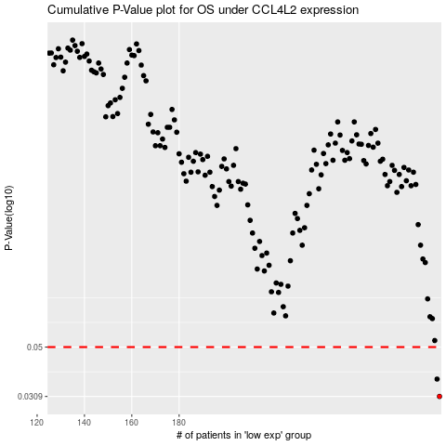

 |  |  |  |  |  | cases_OS | p_OS | rank | exp
 |  |  |  |  |  | 290 | 0.0309 | 43 | 0.098515749988
 |  |  |  |  |  | 289 | 0.0366 | 16 | 0.098132919887
 |  |  |  |  |  |  | cases_RFS | p_RFS | rank | exp
 |  |  |  |  |  |  | 289 | 0.0309 | 16 | 0.098132919887
 |  |  |  |  |  |  | 288 | 0.0366 | 120 | 0.091943393212

