CCL8 _multivariate
Reported by Tex Li-Hsing Chi. tex@gate.sinica.edu.tw 2019-08-21

Table 2. The clinicopathological features of HNSCC cohort and CCL8 expression. (Chi square test)
Cutoff at -0.3 (49.8%)
 |  | CCL8 expression |  | CCL8 expression |  | (Optimised)
 | Features | Low | (%) | High | (%) | Case no | P-value | Remark | Matthews
Gender | Female | 159 | 38.3 | 147 | 35.4 | 415 | 0.1905 | 0 | 0
2 | Male | 48 | 11.6 | 61 | 14.7
Age at diagnosis | <=65y | 145 | 34.9 | 129 | 31.1 | 415 | 0.1046 | 0 | 0
4 | >65y | 62 | 14.9 | 79 | 19
Clinical T Status | T1+T2 | 62 | 14.9 | 87 | 21 | 415 | 0.0156 | 1 | 0
6 | T3+T4 | 145 | 34.9 | 121 | 29.2
Clinical N Status | N0 | 107 | 25.8 | 109 | 26.3 | 415 | 0.9624 | 0 | 0
8 | N1-3 | 100 | 24.1 | 99 | 23.9
Clinical M Status | M0 | 207 | 49.9 | 205 | 49.4 | 415 | 0.2482 | 0 | 0
10 | M1 | 0 | 0 | 3 | 0.7
Clinical Stage | Stage I+II | 38 | 9.2 | 64 | 15.4 | 415 | 0.0048 | 1 | 0
12 | Stage III+IV | 169 | 40.7 | 144 | 34.7
Surgical Margin status | Negative | 163 | 39.3 | 155 | 37.3 | 415 | 0.3537 | 0 | 0
14 | Positive | 44 | 10.6 | 53 | 12.8
Tobacco Exposure | Low | 67 | 16.1 | 94 | 22.7 | 415 | 0.0088 | 1 | 0
16 | High | 140 | 33.7 | 114 | 27.5

Table 3. Univariate/Multivariate Cox's proportional hazards regression analyses on OS time of CCL8 gene expression in HNSCC

 |  | Univariate |  |  |  | Multivariate
 | Features | HR | CI95%(L) | CI95%(H) | P-value | HR | CI95%(L) | CI95%(H) | P-value
1 | Female | 1 |  |  |  | 1
Gender | Male | 1.157 | 0.843 | 1.587 | 0.367 | 1.202 | 0.86 | 1.679 | 0.281
11 | <=65y | 1 |  |  |  | 1
Age at diagnosis | >65y | 1.329 | 0.99 | 1.784 | 0.058 | 1.392 | 1.024 | 1.894 | 0.035
12 | T1+T2 | 1 |  |  |  | 1
Clinical T Status | T3+T4 | 1.409 | 1.028 | 1.931 | 0.033 | 2.204 | 1.165 | 4.17 | 0.015
13 | N0 | 1 |  |  |  | 1
Clinical N Status | N1-3 | 1.185 | 0.89 | 1.577 | 0.246 | 1.241 | 0.87 | 1.771 | 0.234
14 | M0 | 1 |  |  |  | 1
Clinical M Status | M1 | 4.097 | 1.009 | 16.644 | 0.049 | 9.456 | 2.038 | 43.871 | 0.004
15 | Stage I+II | 1 |  |  |  | 1
Clinical Stage | Stage III+IV | 1.245 | 0.882 | 1.759 | 0.213 | 0.503 | 0.234 | 1.085 | 0.08
16 | Negative | 1 |  |  |  | 1
Surgical Margin status | Positive | 1.591 | 1.155 | 2.191 | 0.004 | 1.673 | 1.208 | 2.317 | 0.002
17 | Low | 1 |  |  |  | 1
Tobacco Exposure | High | 1.364 | 1.008 | 1.844 | 0.044 | 1.451 | 1.05 | 2.006 | 0.024
18 | Low | 1 |  |  |  | 1
RNAseq(z-score) | High | 1.018 | 0.765 | 1.356 | 0.902 | 0.992 | 0.735 | 1.338 | 0.957

Table 4. Univariate/Multivariate Cox's proportional hazards regression analyses on RFS time of CCL8 gene expression in HNSCC

 |  | Univariate |  |  |  | Multivariate
 | Features | HR | CI95%(L) | CI95%(H) | P-value | HR | CI95%(L) | CI95%(H) | P-value
1 | Female | 1 |  |  |  | 1
Gender | Male | 1.157 | 0.843 | 1.587 | 0.367 | 1.202 | 0.86 | 1.679 | 0.281
11 | <=65y | 1 |  |  |  | 1
Age at diagnosis | >65y | 1.329 | 0.99 | 1.784 | 0.058 | 1.392 | 1.024 | 1.894 | 0.035
12 | T1+T2 | 1 |  |  |  | 1
Clinical T Status | T3+T4 | 1.409 | 1.028 | 1.931 | 0.033 | 2.204 | 1.165 | 4.17 | 0.015
13 | N0 | 1 |  |  |  | 1
Clinical N Status | N1-3 | 1.185 | 0.89 | 1.577 | 0.246 | 1.241 | 0.87 | 1.771 | 0.234
14 | M0 | 1 |  |  |  | 1
Clinical M Status | M1 | 4.097 | 1.009 | 16.644 | 0.049 | 9.456 | 2.038 | 43.871 | 0.004
15 | Stage I+II | 1 |  |  |  | 1
Clinical Stage | Stage III+IV | 1.245 | 0.882 | 1.759 | 0.213 | 0.503 | 0.234 | 1.085 | 0.08
16 | Negative | 1 |  |  |  | 1
Surgical Margin status | Positive | 1.591 | 1.155 | 2.191 | 0.004 | 1.673 | 1.208 | 2.317 | 0.002
17 | Low | 1 |  |  |  | 1
Tobacco Exposure | High | 1.364 | 1.008 | 1.844 | 0.044 | 1.451 | 1.05 | 2.006 | 0.024
18 | Low | 1 |  |  |  | 1
RNAseq(z-score) | High | 1.018 | 0.765 | 1.356 | 0.902 | 0.992 | 0.735 | 1.338 | 0.957

Kaplan-Meier survival estimate: Cutoff at -0.3 (49.8%)



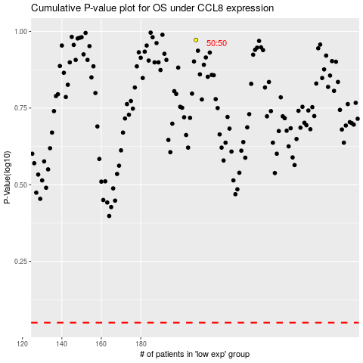

 |  |  |  |  |  | cases_OS | p_OS | rank | exp
 |  |  |  |  |  |  | cases_RFS | p_RFS | rank | exp

