CCNA2 _multivariate
Reported by Tex Li-Hsing Chi. tex@gate.sinica.edu.tw 2019-08-21

Table 2. The clinicopathological features of HNSCC cohort and CCNA2 expression. (Chi square test)
Cutoff at -0.531 (30.0%)
 |  | CCNA2 expression |  | CCNA2 expression |  | (Optimised)
 | Features | Low | (%) | High | (%) | Case no | P-value | Remark | Matthews
Gender | Female | 87 | 21 | 219 | 52.8 | 415 | 0.2563 | 0 | 0
2 | Male | 38 | 9.2 | 71 | 17.1
Age at diagnosis | <=65y | 80 | 19.3 | 194 | 46.7 | 415 | 0.6465 | 0 | 0
4 | >65y | 45 | 10.8 | 96 | 23.1
Clinical T Status | T1+T2 | 47 | 11.3 | 102 | 24.6 | 415 | 0.7178 | 0 | 0
6 | T3+T4 | 78 | 18.8 | 188 | 45.3
Clinical N Status | N0 | 70 | 16.9 | 146 | 35.2 | 415 | 0.3417 | 0 | 0
8 | N1-3 | 55 | 13.3 | 144 | 34.7
Clinical M Status | M0 | 124 | 29.9 | 288 | 69.4 | 415 | 1 | 0 | 0
10 | M1 | 1 | 0.2 | 2 | 0.5
Clinical Stage | Stage I+II | 34 | 8.2 | 68 | 16.4 | 415 | 0.4901 | 0 | 0
12 | Stage III+IV | 91 | 21.9 | 222 | 53.5
Surgical Margin status | Negative | 103 | 24.8 | 215 | 51.8 | 415 | 0.077 | 0 | 0
14 | Positive | 22 | 5.3 | 75 | 18.1
Tobacco Exposure | Low | 57 | 13.7 | 104 | 25.1 | 415 | 0.0787 | 0 | 0
16 | High | 68 | 16.4 | 186 | 44.8

Table 3. Univariate/Multivariate Cox's proportional hazards regression analyses on OS time of CCNA2 gene expression in HNSCC

 |  | Univariate |  |  |  | Multivariate
 | Features | HR | CI95%(L) | CI95%(H) | P-value | HR | CI95%(L) | CI95%(H) | P-value
1 | Female | 1 |  |  |  | 1
Gender | Male | 1.157 | 0.843 | 1.587 | 0.367 | 1.214 | 0.868 | 1.699 | 0.257
11 | <=65y | 1 |  |  |  | 1
Age at diagnosis | >65y | 1.329 | 0.99 | 1.784 | 0.058 | 1.411 | 1.037 | 1.921 | 0.028
12 | T1+T2 | 1 |  |  |  | 1
Clinical T Status | T3+T4 | 1.409 | 1.028 | 1.931 | 0.033 | 2.234 | 1.182 | 4.221 | 0.013
13 | N0 | 1 |  |  |  | 1
Clinical N Status | N1-3 | 1.185 | 0.89 | 1.577 | 0.246 | 1.277 | 0.894 | 1.825 | 0.18
14 | M0 | 1 |  |  |  | 1
Clinical M Status | M1 | 4.097 | 1.009 | 16.644 | 0.049 | 9.909 | 2.161 | 45.447 | 0.003
15 | Stage I+II | 1 |  |  |  | 1
Clinical Stage | Stage III+IV | 1.245 | 0.882 | 1.759 | 0.213 | 0.496 | 0.231 | 1.066 | 0.072
16 | Negative | 1 |  |  |  | 1
Surgical Margin status | Positive | 1.591 | 1.155 | 2.191 | 0.004 | 1.588 | 1.148 | 2.197 | 0.005
17 | Low | 1 |  |  |  | 1
Tobacco Exposure | High | 1.364 | 1.008 | 1.844 | 0.044 | 1.41 | 1.021 | 1.947 | 0.037
18 | Low | 1 |  |  |  | 1
RNAseq(z-score) | High | 1.614 | 1.148 | 2.271 | 0.006 | 1.569 | 1.11 | 2.218 | 0.011

Table 4. Univariate/Multivariate Cox's proportional hazards regression analyses on RFS time of CCNA2 gene expression in HNSCC

 |  | Univariate |  |  |  | Multivariate
 | Features | HR | CI95%(L) | CI95%(H) | P-value | HR | CI95%(L) | CI95%(H) | P-value
1 | Female | 1 |  |  |  | 1
Gender | Male | 1.157 | 0.843 | 1.587 | 0.367 | 1.214 | 0.868 | 1.699 | 0.257
11 | <=65y | 1 |  |  |  | 1
Age at diagnosis | >65y | 1.329 | 0.99 | 1.784 | 0.058 | 1.411 | 1.037 | 1.921 | 0.028
12 | T1+T2 | 1 |  |  |  | 1
Clinical T Status | T3+T4 | 1.409 | 1.028 | 1.931 | 0.033 | 2.234 | 1.182 | 4.221 | 0.013
13 | N0 | 1 |  |  |  | 1
Clinical N Status | N1-3 | 1.185 | 0.89 | 1.577 | 0.246 | 1.277 | 0.894 | 1.825 | 0.18
14 | M0 | 1 |  |  |  | 1
Clinical M Status | M1 | 4.097 | 1.009 | 16.644 | 0.049 | 9.909 | 2.161 | 45.447 | 0.003
15 | Stage I+II | 1 |  |  |  | 1
Clinical Stage | Stage III+IV | 1.245 | 0.882 | 1.759 | 0.213 | 0.496 | 0.231 | 1.066 | 0.072
16 | Negative | 1 |  |  |  | 1
Surgical Margin status | Positive | 1.591 | 1.155 | 2.191 | 0.004 | 1.588 | 1.148 | 2.197 | 0.005
17 | Low | 1 |  |  |  | 1
Tobacco Exposure | High | 1.364 | 1.008 | 1.844 | 0.044 | 1.41 | 1.021 | 1.947 | 0.037
18 | Low | 1 |  |  |  | 1
RNAseq(z-score) | High | 1.614 | 1.148 | 2.271 | 0.006 | 1.569 | 1.11 | 2.218 | 0.011

Kaplan-Meier survival estimate: Cutoff at -0.531 (30.0%)

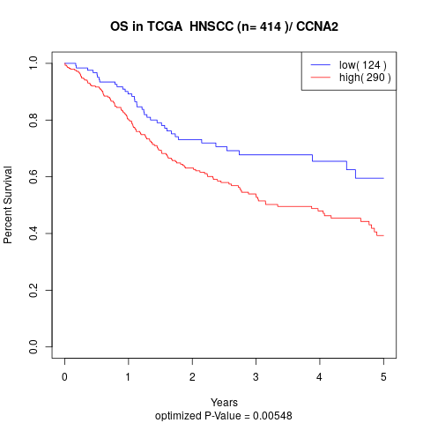

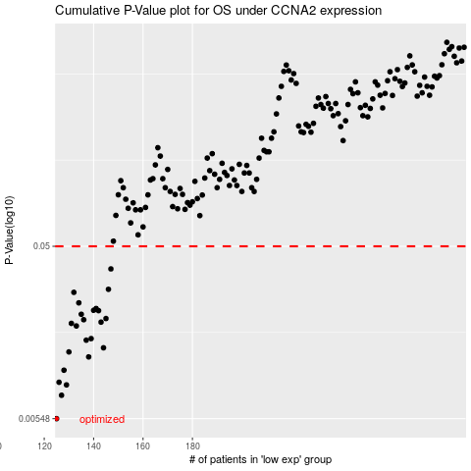

 |  |  |  |  |  | cases_OS | p_OS | rank | exp
 |  |  |  |  |  | 125 | 0.00548 | 250 | -0.53120104912
 |  |  |  |  |  | 127 | 0.0074 | 92 | -0.51712610678
 |  |  |  |  |  | 129 | 0.00845 | 217 | -0.50748401426
 |  |  |  |  |  | 126 | 0.00874 | 269 | -0.52752930958
 |  |  |  |  |  | 128 | 0.0102 | 39 | -0.51300033111
 |  |  |  |  |  | 138 | 0.0121 | 371 | -0.44966824403
 |  |  |  |  |  | 130 | 0.0129 | 204 | -0.49976131283
 |  |  |  |  |  | 144 | 0.0136 | 283 | -0.43746560097
 |  |  |  |  |  | 137 | 0.015 | 262 | -0.45591652755
 |  |  |  |  |  | 139 | 0.0153 | 61 | -0.44833190286
 |  |  |  |  |  | 133 | 0.018 | 258 | -0.47187141048
 |  |  |  |  |  | 131 | 0.0186 | 274 | -0.48918076049
 |  |  |  |  |  | 143 | 0.0189 | 396 | -0.44001797708
 |  |  |  |  |  | 136 | 0.0195 | 242 | -0.45633058006
 |  |  |  |  |  | 145 | 0.0198 | 43 | -0.43743112622
 |  |  |  |  |  | 135 | 0.0209 | 238 | -0.4623961829
 |  |  |  |  |  | 142 | 0.0219 | 11 | -0.44455602822
 |  |  |  |  |  | 140 | 0.022 | 179 | -0.44794415067
 |  |  |  |  |  | 141 | 0.0225 | 172 | -0.44481636596
 |  |  |  |  |  | 134 | 0.0242 | 9 | -0.47126774679
 |  |  |  |  |  | 132 | 0.0277 | 232 | -0.48506262614
 |  |  |  |  |  | 146 | 0.0288 | 176 | -0.43742366261
 |  |  |  |  |  | 147 | 0.0374 | 281 | -0.4373980731
 |  |  |  |  |  |  | cases_RFS | p_RFS | rank | exp
 |  |  |  |  |  |  |  | 0.00548 | 156 | -0.53164851017
 |  |  |  |  |  |  | 126 | 0.0074 | 269 | -0.52752930958
 |  |  |  |  |  |  | 128 | 0.00845 | 39 | -0.51300033111
 |  |  |  |  |  |  | 125 | 0.00874 | 250 | -0.53120104912
 |  |  |  |  |  |  | 127 | 0.0102 | 92 | -0.51712610678
 |  |  |  |  |  |  | 137 | 0.0121 | 262 | -0.45591652755
 |  |  |  |  |  |  | 129 | 0.0129 | 217 | -0.50748401426
 |  |  |  |  |  |  | 143 | 0.0136 | 396 | -0.44001797708
 |  |  |  |  |  |  | 136 | 0.015 | 242 | -0.45633058006
 |  |  |  |  |  |  | 138 | 0.0153 | 371 | -0.44966824403
 |  |  |  |  |  |  | 132 | 0.018 | 232 | -0.48506262614
 |  |  |  |  |  |  | 130 | 0.0186 | 204 | -0.49976131283
 |  |  |  |  |  |  | 142 | 0.0189 | 11 | -0.44455602822
 |  |  |  |  |  |  | 135 | 0.0195 | 238 | -0.4623961829
 |  |  |  |  |  |  | 144 | 0.0198 | 283 | -0.43746560097
 |  |  |  |  |  |  | 134 | 0.0209 | 9 | -0.47126774679
 |  |  |  |  |  |  | 141 | 0.0219 | 172 | -0.44481636596
 |  |  |  |  |  |  | 139 | 0.022 | 61 | -0.44833190286
 |  |  |  |  |  |  | 140 | 0.0225 | 179 | -0.44794415067
 |  |  |  |  |  |  | 133 | 0.0242 | 258 | -0.47187141048
 |  |  |  |  |  |  | 131 | 0.0277 | 274 | -0.48918076049
 |  |  |  |  |  |  | 145 | 0.0288 | 43 | -0.43743112622
 |  |  |  |  |  |  | 146 | 0.0374 | 176 | -0.43742366261

