CCNB1 _multivariate
Reported by Tex Li-Hsing Chi. tex@gate.sinica.edu.tw 2019-08-21

Table 2. The clinicopathological features of HNSCC cohort and CCNB1 expression. (Chi square test)
Cutoff at -0.164 (49.8%)
 |  | CCNB1 expression |  | CCNB1 expression |  | (Optimised)
 | Features | Low | (%) | High | (%) | Case no | P-value | Remark | Matthews
Gender | Female | 155 | 37.3 | 151 | 36.4 | 415 | 0.6768 | 0 | 0
2 | Male | 52 | 12.5 | 57 | 13.7
Age at diagnosis | <=65y | 140 | 33.7 | 134 | 32.3 | 415 | 0.5574 | 0 | 0
4 | >65y | 67 | 16.1 | 74 | 17.8
Clinical T Status | T1+T2 | 70 | 16.9 | 79 | 19 | 415 | 0.4343 | 0 | 0
6 | T3+T4 | 137 | 33 | 129 | 31.1
Clinical N Status | N0 | 116 | 28 | 100 | 24.1 | 415 | 0.1273 | 1 | 0
8 | N1-3 | 91 | 21.9 | 108 | 26
Clinical M Status | M0 | 206 | 49.6 | 206 | 49.6 | 415 | 1 | 0 | 0
10 | M1 | 1 | 0.2 | 2 | 0.5
Clinical Stage | Stage I+II | 52 | 12.5 | 50 | 12 | 415 | 0.8871 | 0 | 0
12 | Stage III+IV | 155 | 37.3 | 158 | 38.1
Surgical Margin status | Negative | 161 | 38.8 | 157 | 37.8 | 415 | 0.6429 | 0 | 0
14 | Positive | 46 | 11.1 | 51 | 12.3
Tobacco Exposure | Low | 81 | 19.5 | 80 | 19.3 | 415 | 0.9199 | 0 | 0
16 | High | 126 | 30.4 | 128 | 30.8

Table 3. Univariate/Multivariate Cox's proportional hazards regression analyses on OS time of CCNB1 gene expression in HNSCC

 |  | Univariate |  |  |  | Multivariate
 | Features | HR | CI95%(L) | CI95%(H) | P-value | HR | CI95%(L) | CI95%(H) | P-value
1 | Female | 1 |  |  |  | 1
Gender | Male | 1.157 | 0.843 | 1.587 | 0.367 | 1.206 | 0.864 | 1.685 | 0.271
11 | <=65y | 1 |  |  |  | 1
Age at diagnosis | >65y | 1.329 | 0.99 | 1.784 | 0.058 | 1.4 | 1.029 | 1.905 | 0.032
12 | T1+T2 | 1 |  |  |  | 1
Clinical T Status | T3+T4 | 1.409 | 1.028 | 1.931 | 0.033 | 2.192 | 1.159 | 4.146 | 0.016
13 | N0 | 1 |  |  |  | 1
Clinical N Status | N1-3 | 1.185 | 0.89 | 1.577 | 0.246 | 1.25 | 0.875 | 1.786 | 0.22
14 | M0 | 1 |  |  |  | 1
Clinical M Status | M1 | 4.097 | 1.009 | 16.644 | 0.049 | 9.427 | 2.056 | 43.221 | 0.004
15 | Stage I+II | 1 |  |  |  | 1
Clinical Stage | Stage III+IV | 1.245 | 0.882 | 1.759 | 0.213 | 0.503 | 0.234 | 1.079 | 0.078
16 | Negative | 1 |  |  |  | 1
Surgical Margin status | Positive | 1.591 | 1.155 | 2.191 | 0.004 | 1.681 | 1.215 | 2.326 | 0.002
17 | Low | 1 |  |  |  | 1
Tobacco Exposure | High | 1.364 | 1.008 | 1.844 | 0.044 | 1.454 | 1.056 | 2.003 | 0.022
18 | Low | 1 |  |  |  | 1
RNAseq(z-score) | High | 0.977 | 0.733 | 1.302 | 0.871 | 0.932 | 0.696 | 1.247 | 0.634

Table 4. Univariate/Multivariate Cox's proportional hazards regression analyses on RFS time of CCNB1 gene expression in HNSCC

 |  | Univariate |  |  |  | Multivariate
 | Features | HR | CI95%(L) | CI95%(H) | P-value | HR | CI95%(L) | CI95%(H) | P-value
1 | Female | 1 |  |  |  | 1
Gender | Male | 1.157 | 0.843 | 1.587 | 0.367 | 1.206 | 0.864 | 1.685 | 0.271
11 | <=65y | 1 |  |  |  | 1
Age at diagnosis | >65y | 1.329 | 0.99 | 1.784 | 0.058 | 1.4 | 1.029 | 1.905 | 0.032
12 | T1+T2 | 1 |  |  |  | 1
Clinical T Status | T3+T4 | 1.409 | 1.028 | 1.931 | 0.033 | 2.192 | 1.159 | 4.146 | 0.016
13 | N0 | 1 |  |  |  | 1
Clinical N Status | N1-3 | 1.185 | 0.89 | 1.577 | 0.246 | 1.25 | 0.875 | 1.786 | 0.22
14 | M0 | 1 |  |  |  | 1
Clinical M Status | M1 | 4.097 | 1.009 | 16.644 | 0.049 | 9.427 | 2.056 | 43.221 | 0.004
15 | Stage I+II | 1 |  |  |  | 1
Clinical Stage | Stage III+IV | 1.245 | 0.882 | 1.759 | 0.213 | 0.503 | 0.234 | 1.079 | 0.078
16 | Negative | 1 |  |  |  | 1
Surgical Margin status | Positive | 1.591 | 1.155 | 2.191 | 0.004 | 1.681 | 1.215 | 2.326 | 0.002
17 | Low | 1 |  |  |  | 1
Tobacco Exposure | High | 1.364 | 1.008 | 1.844 | 0.044 | 1.454 | 1.056 | 2.003 | 0.022
18 | Low | 1 |  |  |  | 1
RNAseq(z-score) | High | 0.977 | 0.733 | 1.302 | 0.871 | 0.932 | 0.696 | 1.247 | 0.634

Kaplan-Meier survival estimate: Cutoff at -0.164 (49.8%)



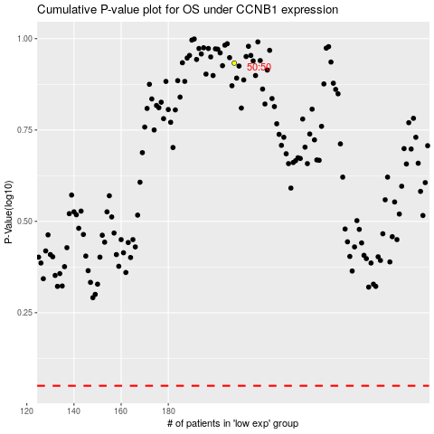

 |  |  |  |  |  | cases_OS | p_OS | rank | exp
 |  |  |  |  |  |  | cases_RFS | p_RFS | rank | exp

