CCNB1IP1 _multivariate
Reported by Tex Li-Hsing Chi. tex@gate.sinica.edu.tw 2019-08-21

Table 2. The clinicopathological features of HNSCC cohort and CCNB1IP1 expression. (Chi square test)
Cutoff at -0.272 (49.8%)
 |  | CCNB1IP1 expression |  | CCNB1IP1 expression |  | (Optimised)
 | Features | Low | (%) | High | (%) | Case no | P-value | Remark | Matthews
Gender | Female | 140 | 33.7 | 166 | 40 | 415 | 0.0068 | 1 | 0
2 | Male | 67 | 16.1 | 42 | 10.1
Age at diagnosis | <=65y | 136 | 32.8 | 138 | 33.3 | 415 | 0.9719 | 0 | 0
4 | >65y | 71 | 17.1 | 70 | 16.9
Clinical T Status | T1+T2 | 88 | 21.2 | 61 | 14.7 | 415 | 0.007 | 1 | 0
6 | T3+T4 | 119 | 28.7 | 147 | 35.4
Clinical N Status | N0 | 105 | 25.3 | 111 | 26.7 | 415 | 0.6598 | 0 | 0
8 | N1-3 | 102 | 24.6 | 97 | 23.4
Clinical M Status | M0 | 205 | 49.4 | 207 | 49.9 | 415 | 0.6232 | 0 | 0
10 | M1 | 2 | 0.5 | 1 | 0.2
Clinical Stage | Stage I+II | 61 | 14.7 | 41 | 9.9 | 415 | 0.0282 | 1 | 0
12 | Stage III+IV | 146 | 35.2 | 167 | 40.2
Surgical Margin status | Negative | 162 | 39 | 156 | 37.6 | 415 | 0.4867 | 0 | 0
14 | Positive | 45 | 10.8 | 52 | 12.5
Tobacco Exposure | Low | 97 | 23.4 | 64 | 15.4 | 415 | 9e-04 | 1 | 0
16 | High | 110 | 26.5 | 144 | 34.7

Table 3. Univariate/Multivariate Cox's proportional hazards regression analyses on OS time of CCNB1IP1 gene expression in HNSCC

 |  | Univariate |  |  |  | Multivariate
 | Features | HR | CI95%(L) | CI95%(H) | P-value | HR | CI95%(L) | CI95%(H) | P-value
1 | Female | 1 |  |  |  | 1
Gender | Male | 1.157 | 0.843 | 1.587 | 0.367 | 1.216 | 0.869 | 1.703 | 0.254
11 | <=65y | 1 |  |  |  | 1
Age at diagnosis | >65y | 1.329 | 0.99 | 1.784 | 0.058 | 1.396 | 1.027 | 1.897 | 0.033
12 | T1+T2 | 1 |  |  |  | 1
Clinical T Status | T3+T4 | 1.409 | 1.028 | 1.931 | 0.033 | 2.185 | 1.155 | 4.131 | 0.016
13 | N0 | 1 |  |  |  | 1
Clinical N Status | N1-3 | 1.185 | 0.89 | 1.577 | 0.246 | 1.256 | 0.879 | 1.794 | 0.211
14 | M0 | 1 |  |  |  | 1
Clinical M Status | M1 | 4.097 | 1.009 | 16.644 | 0.049 | 9.777 | 2.127 | 44.938 | 0.003
15 | Stage I+II | 1 |  |  |  | 1
Clinical Stage | Stage III+IV | 1.245 | 0.882 | 1.759 | 0.213 | 0.494 | 0.23 | 1.061 | 0.07
16 | Negative | 1 |  |  |  | 1
Surgical Margin status | Positive | 1.591 | 1.155 | 2.191 | 0.004 | 1.677 | 1.214 | 2.318 | 0.002
17 | Low | 1 |  |  |  | 1
Tobacco Exposure | High | 1.364 | 1.008 | 1.844 | 0.044 | 1.434 | 1.039 | 1.98 | 0.028
18 | Low | 1 |  |  |  | 1
RNAseq(z-score) | High | 1.169 | 0.877 | 1.558 | 0.288 | 1.143 | 0.85 | 1.537 | 0.376

Table 4. Univariate/Multivariate Cox's proportional hazards regression analyses on RFS time of CCNB1IP1 gene expression in HNSCC

 |  | Univariate |  |  |  | Multivariate
 | Features | HR | CI95%(L) | CI95%(H) | P-value | HR | CI95%(L) | CI95%(H) | P-value
1 | Female | 1 |  |  |  | 1
Gender | Male | 1.157 | 0.843 | 1.587 | 0.367 | 1.216 | 0.869 | 1.703 | 0.254
11 | <=65y | 1 |  |  |  | 1
Age at diagnosis | >65y | 1.329 | 0.99 | 1.784 | 0.058 | 1.396 | 1.027 | 1.897 | 0.033
12 | T1+T2 | 1 |  |  |  | 1
Clinical T Status | T3+T4 | 1.409 | 1.028 | 1.931 | 0.033 | 2.185 | 1.155 | 4.131 | 0.016
13 | N0 | 1 |  |  |  | 1
Clinical N Status | N1-3 | 1.185 | 0.89 | 1.577 | 0.246 | 1.256 | 0.879 | 1.794 | 0.211
14 | M0 | 1 |  |  |  | 1
Clinical M Status | M1 | 4.097 | 1.009 | 16.644 | 0.049 | 9.777 | 2.127 | 44.938 | 0.003
15 | Stage I+II | 1 |  |  |  | 1
Clinical Stage | Stage III+IV | 1.245 | 0.882 | 1.759 | 0.213 | 0.494 | 0.23 | 1.061 | 0.07
16 | Negative | 1 |  |  |  | 1
Surgical Margin status | Positive | 1.591 | 1.155 | 2.191 | 0.004 | 1.677 | 1.214 | 2.318 | 0.002
17 | Low | 1 |  |  |  | 1
Tobacco Exposure | High | 1.364 | 1.008 | 1.844 | 0.044 | 1.434 | 1.039 | 1.98 | 0.028
18 | Low | 1 |  |  |  | 1
RNAseq(z-score) | High | 1.169 | 0.877 | 1.558 | 0.288 | 1.143 | 0.85 | 1.537 | 0.376

Kaplan-Meier survival estimate: Cutoff at -0.272 (49.8%)



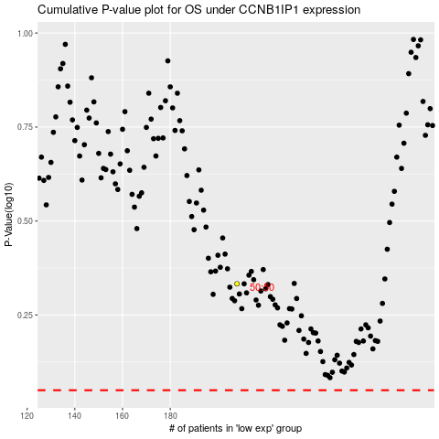

 |  |  |  |  |  | cases_OS | p_OS | rank | exp
 |  |  |  |  |  |  | cases_RFS | p_RFS | rank | exp

