CCND3 _multivariate
Reported by Tex Li-Hsing Chi. tex@gate.sinica.edu.tw 2019-08-21

Table 2. The clinicopathological features of HNSCC cohort and CCND3 expression. (Chi square test)
Cutoff at -0.216 (49.8%)
 |  | CCND3 expression |  | CCND3 expression |  | (Optimised)
 | Features | Low | (%) | High | (%) | Case no | P-value | Remark | Matthews
Gender | Female | 151 | 36.4 | 155 | 37.3 | 415 | 0.8007 | 0 | 0
2 | Male | 56 | 13.5 | 53 | 12.8
Age at diagnosis | <=65y | 133 | 32 | 141 | 34 | 415 | 0.5111 | 0 | 0
4 | >65y | 74 | 17.8 | 67 | 16.1
Clinical T Status | T1+T2 | 68 | 16.4 | 81 | 19.5 | 415 | 0.2336 | 0 | 0
6 | T3+T4 | 139 | 33.5 | 127 | 30.6
Clinical N Status | N0 | 110 | 26.5 | 106 | 25.5 | 415 | 0.7294 | 0 | 0
8 | N1-3 | 97 | 23.4 | 102 | 24.6
Clinical M Status | M0 | 206 | 49.6 | 206 | 49.6 | 415 | 1 | 0 | 0
10 | M1 | 1 | 0.2 | 2 | 0.5
Clinical Stage | Stage I+II | 47 | 11.3 | 55 | 13.3 | 415 | 0.4413 | 0 | 0
12 | Stage III+IV | 160 | 38.6 | 153 | 36.9
Surgical Margin status | Negative | 160 | 38.6 | 158 | 38.1 | 415 | 0.8167 | 0 | 0
14 | Positive | 47 | 11.3 | 50 | 12
Tobacco Exposure | Low | 76 | 18.3 | 85 | 20.5 | 415 | 0.4207 | 0 | 0
16 | High | 131 | 31.6 | 123 | 29.6

Table 3. Univariate/Multivariate Cox's proportional hazards regression analyses on OS time of CCND3 gene expression in HNSCC

 |  | Univariate |  |  |  | Multivariate
 | Features | HR | CI95%(L) | CI95%(H) | P-value | HR | CI95%(L) | CI95%(H) | P-value
1 | Female | 1 |  |  |  | 1
Gender | Male | 1.157 | 0.843 | 1.587 | 0.367 | 1.225 | 0.877 | 1.713 | 0.234
11 | <=65y | 1 |  |  |  | 1
Age at diagnosis | >65y | 1.329 | 0.99 | 1.784 | 0.058 | 1.427 | 1.049 | 1.943 | 0.024
12 | T1+T2 | 1 |  |  |  | 1
Clinical T Status | T3+T4 | 1.409 | 1.028 | 1.931 | 0.033 | 2.215 | 1.172 | 4.188 | 0.014
13 | N0 | 1 |  |  |  | 1
Clinical N Status | N1-3 | 1.185 | 0.89 | 1.577 | 0.246 | 1.239 | 0.869 | 1.767 | 0.237
14 | M0 | 1 |  |  |  | 1
Clinical M Status | M1 | 4.097 | 1.009 | 16.644 | 0.049 | 8.847 | 1.926 | 40.64 | 0.005
15 | Stage I+II | 1 |  |  |  | 1
Clinical Stage | Stage III+IV | 1.245 | 0.882 | 1.759 | 0.213 | 0.516 | 0.24 | 1.107 | 0.089
16 | Negative | 1 |  |  |  | 1
Surgical Margin status | Positive | 1.591 | 1.155 | 2.191 | 0.004 | 1.63 | 1.179 | 2.254 | 0.003
17 | Low | 1 |  |  |  | 1
Tobacco Exposure | High | 1.364 | 1.008 | 1.844 | 0.044 | 1.472 | 1.068 | 2.028 | 0.018
18 | Low | 1 |  |  |  | 1
RNAseq(z-score) | High | 1.229 | 0.922 | 1.638 | 0.159 | 1.27 | 0.947 | 1.702 | 0.11

Table 4. Univariate/Multivariate Cox's proportional hazards regression analyses on RFS time of CCND3 gene expression in HNSCC

 |  | Univariate |  |  |  | Multivariate
 | Features | HR | CI95%(L) | CI95%(H) | P-value | HR | CI95%(L) | CI95%(H) | P-value
1 | Female | 1 |  |  |  | 1
Gender | Male | 1.157 | 0.843 | 1.587 | 0.367 | 1.225 | 0.877 | 1.713 | 0.234
11 | <=65y | 1 |  |  |  | 1
Age at diagnosis | >65y | 1.329 | 0.99 | 1.784 | 0.058 | 1.427 | 1.049 | 1.943 | 0.024
12 | T1+T2 | 1 |  |  |  | 1
Clinical T Status | T3+T4 | 1.409 | 1.028 | 1.931 | 0.033 | 2.215 | 1.172 | 4.188 | 0.014
13 | N0 | 1 |  |  |  | 1
Clinical N Status | N1-3 | 1.185 | 0.89 | 1.577 | 0.246 | 1.239 | 0.869 | 1.767 | 0.237
14 | M0 | 1 |  |  |  | 1
Clinical M Status | M1 | 4.097 | 1.009 | 16.644 | 0.049 | 8.847 | 1.926 | 40.64 | 0.005
15 | Stage I+II | 1 |  |  |  | 1
Clinical Stage | Stage III+IV | 1.245 | 0.882 | 1.759 | 0.213 | 0.516 | 0.24 | 1.107 | 0.089
16 | Negative | 1 |  |  |  | 1
Surgical Margin status | Positive | 1.591 | 1.155 | 2.191 | 0.004 | 1.63 | 1.179 | 2.254 | 0.003
17 | Low | 1 |  |  |  | 1
Tobacco Exposure | High | 1.364 | 1.008 | 1.844 | 0.044 | 1.472 | 1.068 | 2.028 | 0.018
18 | Low | 1 |  |  |  | 1
RNAseq(z-score) | High | 1.229 | 0.922 | 1.638 | 0.159 | 1.27 | 0.947 | 1.702 | 0.11

Kaplan-Meier survival estimate: Cutoff at -0.216 (49.8%)



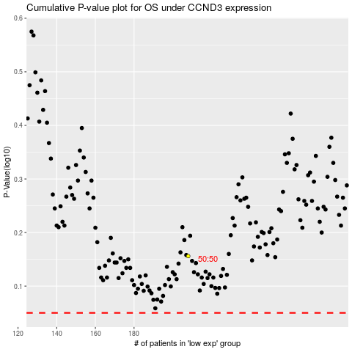

 |  |  |  |  |  | cases_OS | p_OS | rank | exp
 |  |  |  |  |  |  | cases_RFS | p_RFS | rank | exp

