CCNDBP1 _multivariate
Reported by Tex Li-Hsing Chi. tex@gate.sinica.edu.tw 2019-08-21

Table 2. The clinicopathological features of HNSCC cohort and CCNDBP1 expression. (Chi square test)
Cutoff at -0.19 (50.0%)
 |  | CCNDBP1 expression |  | CCNDBP1 expression |  | (Optimised)
 | Features | Low | (%) | High | (%) | Case no | P-value | Remark | Matthews
Gender | Female | 155 | 37.3 | 151 | 36.4 | 415 | 0.6768 | 0 | 0
2 | Male | 52 | 12.5 | 57 | 13.7
Age at diagnosis | <=65y | 146 | 35.2 | 128 | 30.8 | 415 | 0.0672 | 0 | 0
4 | >65y | 61 | 14.7 | 80 | 19.3
Clinical T Status | T1+T2 | 75 | 18.1 | 74 | 17.8 | 415 | 0.9707 | 0 | 0
6 | T3+T4 | 132 | 31.8 | 134 | 32.3
Clinical N Status | N0 | 103 | 24.8 | 113 | 27.2 | 415 | 0.4047 | 0 | 0
8 | N1-3 | 104 | 25.1 | 95 | 22.9
Clinical M Status | M0 | 206 | 49.6 | 206 | 49.6 | 415 | 1 | 0 | 0
10 | M1 | 1 | 0.2 | 2 | 0.5
Clinical Stage | Stage I+II | 50 | 12 | 52 | 12.5 | 415 | 0.9315 | 0 | 0
12 | Stage III+IV | 157 | 37.8 | 156 | 37.6
Surgical Margin status | Negative | 159 | 38.3 | 159 | 38.3 | 415 | 1 | 0 | 0
14 | Positive | 48 | 11.6 | 49 | 11.8
Tobacco Exposure | Low | 79 | 19 | 82 | 19.8 | 415 | 0.8405 | 0 | 0
16 | High | 128 | 30.8 | 126 | 30.4

Table 3. Univariate/Multivariate Cox's proportional hazards regression analyses on OS time of CCNDBP1 gene expression in HNSCC

 |  | Univariate |  |  |  | Multivariate
 | Features | HR | CI95%(L) | CI95%(H) | P-value | HR | CI95%(L) | CI95%(H) | P-value
1 | Female | 1 |  |  |  | 1
Gender | Male | 1.157 | 0.843 | 1.587 | 0.367 | 1.204 | 0.862 | 1.682 | 0.275
11 | <=65y | 1 |  |  |  | 1
Age at diagnosis | >65y | 1.329 | 0.99 | 1.784 | 0.058 | 1.388 | 1.021 | 1.888 | 0.037
12 | T1+T2 | 1 |  |  |  | 1
Clinical T Status | T3+T4 | 1.409 | 1.028 | 1.931 | 0.033 | 2.172 | 1.147 | 4.11 | 0.017
13 | N0 | 1 |  |  |  | 1
Clinical N Status | N1-3 | 1.185 | 0.89 | 1.577 | 0.246 | 1.252 | 0.877 | 1.787 | 0.216
14 | M0 | 1 |  |  |  | 1
Clinical M Status | M1 | 4.097 | 1.009 | 16.644 | 0.049 | 8.931 | 1.937 | 41.191 | 0.005
15 | Stage I+II | 1 |  |  |  | 1
Clinical Stage | Stage III+IV | 1.245 | 0.882 | 1.759 | 0.213 | 0.515 | 0.239 | 1.108 | 0.09
16 | Negative | 1 |  |  |  | 1
Surgical Margin status | Positive | 1.591 | 1.155 | 2.191 | 0.004 | 1.646 | 1.189 | 2.28 | 0.003
17 | Low | 1 |  |  |  | 1
Tobacco Exposure | High | 1.364 | 1.008 | 1.844 | 0.044 | 1.456 | 1.057 | 2.005 | 0.021
18 | Low | 1 |  |  |  | 1
RNAseq(z-score) | High | 1.181 | 0.886 | 1.573 | 0.257 | 1.116 | 0.832 | 1.496 | 0.463

Table 4. Univariate/Multivariate Cox's proportional hazards regression analyses on RFS time of CCNDBP1 gene expression in HNSCC

 |  | Univariate |  |  |  | Multivariate
 | Features | HR | CI95%(L) | CI95%(H) | P-value | HR | CI95%(L) | CI95%(H) | P-value
1 | Female | 1 |  |  |  | 1
Gender | Male | 1.157 | 0.843 | 1.587 | 0.367 | 1.204 | 0.862 | 1.682 | 0.275
11 | <=65y | 1 |  |  |  | 1
Age at diagnosis | >65y | 1.329 | 0.99 | 1.784 | 0.058 | 1.388 | 1.021 | 1.888 | 0.037
12 | T1+T2 | 1 |  |  |  | 1
Clinical T Status | T3+T4 | 1.409 | 1.028 | 1.931 | 0.033 | 2.172 | 1.147 | 4.11 | 0.017
13 | N0 | 1 |  |  |  | 1
Clinical N Status | N1-3 | 1.185 | 0.89 | 1.577 | 0.246 | 1.252 | 0.877 | 1.787 | 0.216
14 | M0 | 1 |  |  |  | 1
Clinical M Status | M1 | 4.097 | 1.009 | 16.644 | 0.049 | 8.931 | 1.937 | 41.191 | 0.005
15 | Stage I+II | 1 |  |  |  | 1
Clinical Stage | Stage III+IV | 1.245 | 0.882 | 1.759 | 0.213 | 0.515 | 0.239 | 1.108 | 0.09
16 | Negative | 1 |  |  |  | 1
Surgical Margin status | Positive | 1.591 | 1.155 | 2.191 | 0.004 | 1.646 | 1.189 | 2.28 | 0.003
17 | Low | 1 |  |  |  | 1
Tobacco Exposure | High | 1.364 | 1.008 | 1.844 | 0.044 | 1.456 | 1.057 | 2.005 | 0.021
18 | Low | 1 |  |  |  | 1
RNAseq(z-score) | High | 1.181 | 0.886 | 1.573 | 0.257 | 1.116 | 0.832 | 1.496 | 0.463

Kaplan-Meier survival estimate: Cutoff at -0.19 (50.0%)



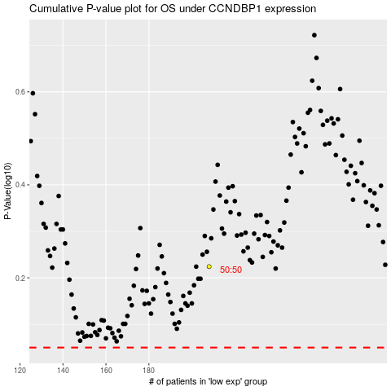

 |  |  |  |  |  | cases_OS | p_OS | rank | exp
 |  |  |  |  |  |  | cases_RFS | p_RFS | rank | exp

