CCNF _multivariate
Reported by Tex Li-Hsing Chi. tex@gate.sinica.edu.tw 2019-08-21

Table 2. The clinicopathological features of HNSCC cohort and CCNF expression. (Chi square test)
Cutoff at -0.141 (49.8%)
 |  | CCNF expression |  | CCNF expression |  | (Optimised)
 | Features | Low | (%) | High | (%) | Case no | P-value | Remark | Matthews
Gender | Female | 148 | 35.7 | 158 | 38.1 | 415 | 0.3567 | 0 | 0
2 | Male | 59 | 14.2 | 50 | 12
Age at diagnosis | <=65y | 134 | 32.3 | 140 | 33.7 | 415 | 0.6529 | 0 | 0
4 | >65y | 73 | 17.6 | 68 | 16.4
Clinical T Status | T1+T2 | 68 | 16.4 | 81 | 19.5 | 415 | 0.2336 | 0 | 0
6 | T3+T4 | 139 | 33.5 | 127 | 30.6
Clinical N Status | N0 | 112 | 27 | 104 | 25.1 | 415 | 0.4599 | 0 | 0
8 | N1-3 | 95 | 22.9 | 104 | 25.1
Clinical M Status | M0 | 207 | 49.9 | 205 | 49.4 | 415 | 0.2482 | 0 | 0
10 | M1 | 0 | 0 | 3 | 0.7
Clinical Stage | Stage I+II | 50 | 12 | 52 | 12.5 | 415 | 0.9315 | 0 | 0
12 | Stage III+IV | 157 | 37.8 | 156 | 37.6
Surgical Margin status | Negative | 157 | 37.8 | 161 | 38.8 | 415 | 0.729 | 0 | 0
14 | Positive | 50 | 12 | 47 | 11.3
Tobacco Exposure | Low | 81 | 19.5 | 80 | 19.3 | 415 | 0.9199 | 0 | 0
16 | High | 126 | 30.4 | 128 | 30.8

Table 3. Univariate/Multivariate Cox's proportional hazards regression analyses on OS time of CCNF gene expression in HNSCC

 |  | Univariate |  |  |  | Multivariate
 | Features | HR | CI95%(L) | CI95%(H) | P-value | HR | CI95%(L) | CI95%(H) | P-value
1 | Female | 1 |  |  |  | 1
Gender | Male | 1.157 | 0.843 | 1.587 | 0.367 | 1.202 | 0.86 | 1.682 | 0.282
11 | <=65y | 1 |  |  |  | 1
Age at diagnosis | >65y | 1.329 | 0.99 | 1.784 | 0.058 | 1.395 | 1.026 | 1.897 | 0.034
12 | T1+T2 | 1 |  |  |  | 1
Clinical T Status | T3+T4 | 1.409 | 1.028 | 1.931 | 0.033 | 2.24 | 1.183 | 4.242 | 0.013
13 | N0 | 1 |  |  |  | 1
Clinical N Status | N1-3 | 1.185 | 0.89 | 1.577 | 0.246 | 1.232 | 0.863 | 1.76 | 0.25
14 | M0 | 1 |  |  |  | 1
Clinical M Status | M1 | 4.097 | 1.009 | 16.644 | 0.049 | 9.041 | 1.966 | 41.566 | 0.005
15 | Stage I+II | 1 |  |  |  | 1
Clinical Stage | Stage III+IV | 1.245 | 0.882 | 1.759 | 0.213 | 0.499 | 0.232 | 1.073 | 0.075
16 | Negative | 1 |  |  |  | 1
Surgical Margin status | Positive | 1.591 | 1.155 | 2.191 | 0.004 | 1.669 | 1.208 | 2.306 | 0.002
17 | Low | 1 |  |  |  | 1
Tobacco Exposure | High | 1.364 | 1.008 | 1.844 | 0.044 | 1.465 | 1.062 | 2.021 | 0.02
18 | Low | 1 |  |  |  | 1
RNAseq(z-score) | High | 1.107 | 0.832 | 1.474 | 0.485 | 1.125 | 0.842 | 1.503 | 0.427

Table 4. Univariate/Multivariate Cox's proportional hazards regression analyses on RFS time of CCNF gene expression in HNSCC

 |  | Univariate |  |  |  | Multivariate
 | Features | HR | CI95%(L) | CI95%(H) | P-value | HR | CI95%(L) | CI95%(H) | P-value
1 | Female | 1 |  |  |  | 1
Gender | Male | 1.157 | 0.843 | 1.587 | 0.367 | 1.202 | 0.86 | 1.682 | 0.282
11 | <=65y | 1 |  |  |  | 1
Age at diagnosis | >65y | 1.329 | 0.99 | 1.784 | 0.058 | 1.395 | 1.026 | 1.897 | 0.034
12 | T1+T2 | 1 |  |  |  | 1
Clinical T Status | T3+T4 | 1.409 | 1.028 | 1.931 | 0.033 | 2.24 | 1.183 | 4.242 | 0.013
13 | N0 | 1 |  |  |  | 1
Clinical N Status | N1-3 | 1.185 | 0.89 | 1.577 | 0.246 | 1.232 | 0.863 | 1.76 | 0.25
14 | M0 | 1 |  |  |  | 1
Clinical M Status | M1 | 4.097 | 1.009 | 16.644 | 0.049 | 9.041 | 1.966 | 41.566 | 0.005
15 | Stage I+II | 1 |  |  |  | 1
Clinical Stage | Stage III+IV | 1.245 | 0.882 | 1.759 | 0.213 | 0.499 | 0.232 | 1.073 | 0.075
16 | Negative | 1 |  |  |  | 1
Surgical Margin status | Positive | 1.591 | 1.155 | 2.191 | 0.004 | 1.669 | 1.208 | 2.306 | 0.002
17 | Low | 1 |  |  |  | 1
Tobacco Exposure | High | 1.364 | 1.008 | 1.844 | 0.044 | 1.465 | 1.062 | 2.021 | 0.02
18 | Low | 1 |  |  |  | 1
RNAseq(z-score) | High | 1.107 | 0.832 | 1.474 | 0.485 | 1.125 | 0.842 | 1.503 | 0.427

Kaplan-Meier survival estimate: Cutoff at -0.141 (49.8%)



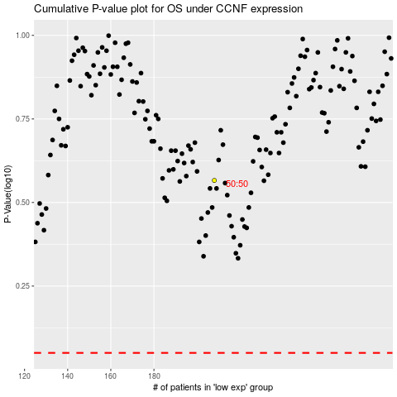

 |  |  |  |  |  | cases_OS | p_OS | rank | exp
 |  |  |  |  |  |  | cases_RFS | p_RFS | rank | exp

