CCNH _multivariate
Reported by Tex Li-Hsing Chi. tex@gate.sinica.edu.tw 2019-08-21

Table 2. The clinicopathological features of HNSCC cohort and CCNH expression. (Chi square test)
Cutoff at -0.238 (49.8%)
 |  | CCNH expression |  | CCNH expression |  | (Optimised)
 | Features | Low | (%) | High | (%) | Case no | P-value | Remark | Matthews
Gender | Female | 155 | 37.3 | 151 | 36.4 | 415 | 0.6768 | 0 | 0
2 | Male | 52 | 12.5 | 57 | 13.7
Age at diagnosis | <=65y | 143 | 34.5 | 131 | 31.6 | 415 | 0.2269 | 0 | 0
4 | >65y | 64 | 15.4 | 77 | 18.6
Clinical T Status | T1+T2 | 64 | 15.4 | 85 | 20.5 | 415 | 0.0445 | 1 | 0
6 | T3+T4 | 143 | 34.5 | 123 | 29.6
Clinical N Status | N0 | 105 | 25.3 | 111 | 26.7 | 415 | 0.6598 | 0 | 0
8 | N1-3 | 102 | 24.6 | 97 | 23.4
Clinical M Status | M0 | 206 | 49.6 | 206 | 49.6 | 415 | 1 | 0 | 0
10 | M1 | 1 | 0.2 | 2 | 0.5
Clinical Stage | Stage I+II | 46 | 11.1 | 56 | 13.5 | 415 | 0.3182 | 0 | 0
12 | Stage III+IV | 161 | 38.8 | 152 | 36.6
Surgical Margin status | Negative | 159 | 38.3 | 159 | 38.3 | 415 | 1 | 0 | 0
14 | Positive | 48 | 11.6 | 49 | 11.8
Tobacco Exposure | Low | 83 | 20 | 78 | 18.8 | 415 | 0.6152 | 0 | 0
16 | High | 124 | 29.9 | 130 | 31.3

Table 3. Univariate/Multivariate Cox's proportional hazards regression analyses on OS time of CCNH gene expression in HNSCC

 |  | Univariate |  |  |  | Multivariate
 | Features | HR | CI95%(L) | CI95%(H) | P-value | HR | CI95%(L) | CI95%(H) | P-value
1 | Female | 1 |  |  |  | 1
Gender | Male | 1.157 | 0.843 | 1.587 | 0.367 | 1.191 | 0.852 | 1.665 | 0.306
11 | <=65y | 1 |  |  |  | 1
Age at diagnosis | >65y | 1.329 | 0.99 | 1.784 | 0.058 | 1.377 | 1.012 | 1.874 | 0.042
12 | T1+T2 | 1 |  |  |  | 1
Clinical T Status | T3+T4 | 1.409 | 1.028 | 1.931 | 0.033 | 2.253 | 1.188 | 4.272 | 0.013
13 | N0 | 1 |  |  |  | 1
Clinical N Status | N1-3 | 1.185 | 0.89 | 1.577 | 0.246 | 1.238 | 0.868 | 1.767 | 0.238
14 | M0 | 1 |  |  |  | 1
Clinical M Status | M1 | 4.097 | 1.009 | 16.644 | 0.049 | 9.414 | 2.054 | 43.154 | 0.004
15 | Stage I+II | 1 |  |  |  | 1
Clinical Stage | Stage III+IV | 1.245 | 0.882 | 1.759 | 0.213 | 0.497 | 0.231 | 1.068 | 0.073
16 | Negative | 1 |  |  |  | 1
Surgical Margin status | Positive | 1.591 | 1.155 | 2.191 | 0.004 | 1.665 | 1.205 | 2.301 | 0.002
17 | Low | 1 |  |  |  | 1
Tobacco Exposure | High | 1.364 | 1.008 | 1.844 | 0.044 | 1.45 | 1.052 | 1.997 | 0.023
18 | Low | 1 |  |  |  | 1
RNAseq(z-score) | High | 1.119 | 0.84 | 1.49 | 0.444 | 1.118 | 0.836 | 1.495 | 0.453

Table 4. Univariate/Multivariate Cox's proportional hazards regression analyses on RFS time of CCNH gene expression in HNSCC

 |  | Univariate |  |  |  | Multivariate
 | Features | HR | CI95%(L) | CI95%(H) | P-value | HR | CI95%(L) | CI95%(H) | P-value
1 | Female | 1 |  |  |  | 1
Gender | Male | 1.157 | 0.843 | 1.587 | 0.367 | 1.191 | 0.852 | 1.665 | 0.306
11 | <=65y | 1 |  |  |  | 1
Age at diagnosis | >65y | 1.329 | 0.99 | 1.784 | 0.058 | 1.377 | 1.012 | 1.874 | 0.042
12 | T1+T2 | 1 |  |  |  | 1
Clinical T Status | T3+T4 | 1.409 | 1.028 | 1.931 | 0.033 | 2.253 | 1.188 | 4.272 | 0.013
13 | N0 | 1 |  |  |  | 1
Clinical N Status | N1-3 | 1.185 | 0.89 | 1.577 | 0.246 | 1.238 | 0.868 | 1.767 | 0.238
14 | M0 | 1 |  |  |  | 1
Clinical M Status | M1 | 4.097 | 1.009 | 16.644 | 0.049 | 9.414 | 2.054 | 43.154 | 0.004
15 | Stage I+II | 1 |  |  |  | 1
Clinical Stage | Stage III+IV | 1.245 | 0.882 | 1.759 | 0.213 | 0.497 | 0.231 | 1.068 | 0.073
16 | Negative | 1 |  |  |  | 1
Surgical Margin status | Positive | 1.591 | 1.155 | 2.191 | 0.004 | 1.665 | 1.205 | 2.301 | 0.002
17 | Low | 1 |  |  |  | 1
Tobacco Exposure | High | 1.364 | 1.008 | 1.844 | 0.044 | 1.45 | 1.052 | 1.997 | 0.023
18 | Low | 1 |  |  |  | 1
RNAseq(z-score) | High | 1.119 | 0.84 | 1.49 | 0.444 | 1.118 | 0.836 | 1.495 | 0.453

Kaplan-Meier survival estimate: Cutoff at -0.238 (49.8%)



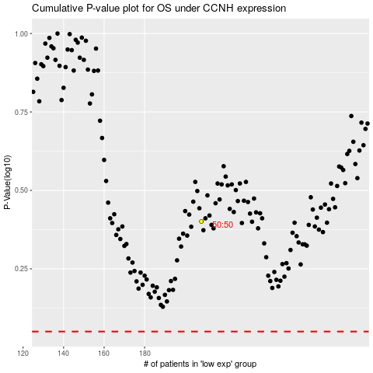

 |  |  |  |  |  | cases_OS | p_OS | rank | exp
 |  |  |  |  |  |  | cases_RFS | p_RFS | rank | exp

