CCNJL _multivariate
Reported by Tex Li-Hsing Chi. tex@gate.sinica.edu.tw 2019-08-21

Table 2. The clinicopathological features of HNSCC cohort and CCNJL expression. (Chi square test)
Cutoff at -0.26 (49.5%)
 |  | CCNJL expression |  | CCNJL expression |  | (Optimised)
 | Features | Low | (%) | High | (%) | Case no | P-value | Remark | Matthews
Gender | Female | 155 | 37.3 | 151 | 36.4 | 415 | 0.561 | 0 | 0
2 | Male | 51 | 12.3 | 58 | 14
Age at diagnosis | <=65y | 138 | 33.3 | 136 | 32.8 | 415 | 0.7574 | 0 | 0
4 | >65y | 68 | 16.4 | 73 | 17.6
Clinical T Status | T1+T2 | 60 | 14.5 | 89 | 21.4 | 415 | 0.0059 | 1 | 0
6 | T3+T4 | 146 | 35.2 | 120 | 28.9
Clinical N Status | N0 | 108 | 26 | 108 | 26 | 415 | 0.956 | 0 | 0
8 | N1-3 | 98 | 23.6 | 101 | 24.3
Clinical M Status | M0 | 206 | 49.6 | 206 | 49.6 | 415 | 0.2482 | 0 | 0
10 | M1 | 0 | 0 | 3 | 0.7
Clinical Stage | Stage I+II | 37 | 8.9 | 65 | 15.7 | 415 | 0.0028 | 1 | 0
12 | Stage III+IV | 169 | 40.7 | 144 | 34.7
Surgical Margin status | Negative | 159 | 38.3 | 159 | 38.3 | 415 | 0.8172 | 0 | 0
14 | Positive | 47 | 11.3 | 50 | 12
Tobacco Exposure | Low | 67 | 16.1 | 94 | 22.7 | 415 | 0.0117 | 1 | 0
16 | High | 139 | 33.5 | 115 | 27.7

Table 3. Univariate/Multivariate Cox's proportional hazards regression analyses on OS time of CCNJL gene expression in HNSCC

 |  | Univariate |  |  |  | Multivariate
 | Features | HR | CI95%(L) | CI95%(H) | P-value | HR | CI95%(L) | CI95%(H) | P-value
1 | Female | 1 |  |  |  | 1
Gender | Male | 1.157 | 0.843 | 1.587 | 0.367 | 1.201 | 0.86 | 1.679 | 0.283
11 | <=65y | 1 |  |  |  | 1
Age at diagnosis | >65y | 1.329 | 0.99 | 1.784 | 0.058 | 1.392 | 1.024 | 1.892 | 0.035
12 | T1+T2 | 1 |  |  |  | 1
Clinical T Status | T3+T4 | 1.409 | 1.028 | 1.931 | 0.033 | 2.203 | 1.165 | 4.167 | 0.015
13 | N0 | 1 |  |  |  | 1
Clinical N Status | N1-3 | 1.185 | 0.89 | 1.577 | 0.246 | 1.242 | 0.869 | 1.773 | 0.234
14 | M0 | 1 |  |  |  | 1
Clinical M Status | M1 | 4.097 | 1.009 | 16.644 | 0.049 | 9.443 | 2.043 | 43.658 | 0.004
15 | Stage I+II | 1 |  |  |  | 1
Clinical Stage | Stage III+IV | 1.245 | 0.882 | 1.759 | 0.213 | 0.503 | 0.233 | 1.087 | 0.081
16 | Negative | 1 |  |  |  | 1
Surgical Margin status | Positive | 1.591 | 1.155 | 2.191 | 0.004 | 1.672 | 1.209 | 2.313 | 0.002
17 | Low | 1 |  |  |  | 1
Tobacco Exposure | High | 1.364 | 1.008 | 1.844 | 0.044 | 1.451 | 1.05 | 2.007 | 0.024
18 | Low | 1 |  |  |  | 1
RNAseq(z-score) | High | 0.961 | 0.722 | 1.279 | 0.784 | 0.993 | 0.737 | 1.338 | 0.962

Table 4. Univariate/Multivariate Cox's proportional hazards regression analyses on RFS time of CCNJL gene expression in HNSCC

 |  | Univariate |  |  |  | Multivariate
 | Features | HR | CI95%(L) | CI95%(H) | P-value | HR | CI95%(L) | CI95%(H) | P-value
1 | Female | 1 |  |  |  | 1
Gender | Male | 1.157 | 0.843 | 1.587 | 0.367 | 1.201 | 0.86 | 1.679 | 0.283
11 | <=65y | 1 |  |  |  | 1
Age at diagnosis | >65y | 1.329 | 0.99 | 1.784 | 0.058 | 1.392 | 1.024 | 1.892 | 0.035
12 | T1+T2 | 1 |  |  |  | 1
Clinical T Status | T3+T4 | 1.409 | 1.028 | 1.931 | 0.033 | 2.203 | 1.165 | 4.167 | 0.015
13 | N0 | 1 |  |  |  | 1
Clinical N Status | N1-3 | 1.185 | 0.89 | 1.577 | 0.246 | 1.242 | 0.869 | 1.773 | 0.234
14 | M0 | 1 |  |  |  | 1
Clinical M Status | M1 | 4.097 | 1.009 | 16.644 | 0.049 | 9.443 | 2.043 | 43.658 | 0.004
15 | Stage I+II | 1 |  |  |  | 1
Clinical Stage | Stage III+IV | 1.245 | 0.882 | 1.759 | 0.213 | 0.503 | 0.233 | 1.087 | 0.081
16 | Negative | 1 |  |  |  | 1
Surgical Margin status | Positive | 1.591 | 1.155 | 2.191 | 0.004 | 1.672 | 1.209 | 2.313 | 0.002
17 | Low | 1 |  |  |  | 1
Tobacco Exposure | High | 1.364 | 1.008 | 1.844 | 0.044 | 1.451 | 1.05 | 2.007 | 0.024
18 | Low | 1 |  |  |  | 1
RNAseq(z-score) | High | 0.961 | 0.722 | 1.279 | 0.784 | 0.993 | 0.737 | 1.338 | 0.962

Kaplan-Meier survival estimate: Cutoff at -0.26 (49.5%)



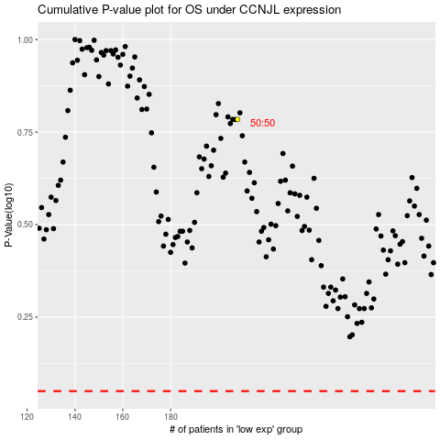

 |  |  |  |  |  | cases_OS | p_OS | rank | exp
 |  |  |  |  |  |  | cases_RFS | p_RFS | rank | exp

