CCNL1 _multivariate
Reported by Tex Li-Hsing Chi. tex@gate.sinica.edu.tw 2019-08-21

Table 2. The clinicopathological features of HNSCC cohort and CCNL1 expression. (Chi square test)
Cutoff at -0.198 (51.4%)
 |  | CCNL1 expression |  | CCNL1 expression |  | (Optimised)
 | Features | Low | (%) | High | (%) | Case no | P-value | Remark | Matthews
Gender | Female | 146 | 35.2 | 160 | 38.6 | 415 | 0.0185 | 1 | 0
2 | Male | 67 | 16.1 | 42 | 10.1
Age at diagnosis | <=65y | 138 | 33.3 | 136 | 32.8 | 415 | 0.6585 | 0 | 0
4 | >65y | 75 | 18.1 | 66 | 15.9
Clinical T Status | T1+T2 | 77 | 18.6 | 72 | 17.3 | 415 | 0.9959 | 0 | 0
6 | T3+T4 | 136 | 32.8 | 130 | 31.3
Clinical N Status | N0 | 111 | 26.7 | 105 | 25.3 | 415 | 1 | 0 | 0
8 | N1-3 | 102 | 24.6 | 97 | 23.4
Clinical M Status | M0 | 211 | 50.8 | 201 | 48.4 | 415 | 1 | 0 | 0
10 | M1 | 2 | 0.5 | 1 | 0.2
Clinical Stage | Stage I+II | 55 | 13.3 | 47 | 11.3 | 415 | 0.6241 | 0 | 0
12 | Stage III+IV | 158 | 38.1 | 155 | 37.3
Surgical Margin status | Negative | 172 | 41.4 | 146 | 35.2 | 415 | 0.0485 | 1 | 0
14 | Positive | 41 | 9.9 | 56 | 13.5
Tobacco Exposure | Low | 92 | 22.2 | 69 | 16.6 | 415 | 0.0696 | 0 | 0
16 | High | 121 | 29.2 | 133 | 32

Table 3. Univariate/Multivariate Cox's proportional hazards regression analyses on OS time of CCNL1 gene expression in HNSCC

 |  | Univariate |  |  |  | Multivariate
 | Features | HR | CI95%(L) | CI95%(H) | P-value | HR | CI95%(L) | CI95%(H) | P-value
1 | Female | 1 |  |  |  | 1
Gender | Male | 1.157 | 0.843 | 1.587 | 0.367 | 1.149 | 0.82 | 1.611 | 0.42
11 | <=65y | 1 |  |  |  | 1
Age at diagnosis | >65y | 1.329 | 0.99 | 1.784 | 0.058 | 1.421 | 1.044 | 1.935 | 0.025
12 | T1+T2 | 1 |  |  |  | 1
Clinical T Status | T3+T4 | 1.409 | 1.028 | 1.931 | 0.033 | 2.129 | 1.126 | 4.024 | 0.02
13 | N0 | 1 |  |  |  | 1
Clinical N Status | N1-3 | 1.185 | 0.89 | 1.577 | 0.246 | 1.237 | 0.867 | 1.765 | 0.241
14 | M0 | 1 |  |  |  | 1
Clinical M Status | M1 | 4.097 | 1.009 | 16.644 | 0.049 | 8.313 | 1.806 | 38.257 | 0.007
15 | Stage I+II | 1 |  |  |  | 1
Clinical Stage | Stage III+IV | 1.245 | 0.882 | 1.759 | 0.213 | 0.527 | 0.245 | 1.134 | 0.101
16 | Negative | 1 |  |  |  | 1
Surgical Margin status | Positive | 1.591 | 1.155 | 2.191 | 0.004 | 1.686 | 1.222 | 2.327 | 0.001
17 | Low | 1 |  |  |  | 1
Tobacco Exposure | High | 1.364 | 1.008 | 1.844 | 0.044 | 1.49 | 1.08 | 2.056 | 0.015
18 | Low | 1 |  |  |  | 1
RNAseq(z-score) | High | 0.743 | 0.556 | 0.994 | 0.045 | 0.739 | 0.55 | 0.994 | 0.045

Table 4. Univariate/Multivariate Cox's proportional hazards regression analyses on RFS time of CCNL1 gene expression in HNSCC

 |  | Univariate |  |  |  | Multivariate
 | Features | HR | CI95%(L) | CI95%(H) | P-value | HR | CI95%(L) | CI95%(H) | P-value
1 | Female | 1 |  |  |  | 1
Gender | Male | 1.157 | 0.843 | 1.587 | 0.367 | 1.149 | 0.82 | 1.611 | 0.42
11 | <=65y | 1 |  |  |  | 1
Age at diagnosis | >65y | 1.329 | 0.99 | 1.784 | 0.058 | 1.421 | 1.044 | 1.935 | 0.025
12 | T1+T2 | 1 |  |  |  | 1
Clinical T Status | T3+T4 | 1.409 | 1.028 | 1.931 | 0.033 | 2.129 | 1.126 | 4.024 | 0.02
13 | N0 | 1 |  |  |  | 1
Clinical N Status | N1-3 | 1.185 | 0.89 | 1.577 | 0.246 | 1.237 | 0.867 | 1.765 | 0.241
14 | M0 | 1 |  |  |  | 1
Clinical M Status | M1 | 4.097 | 1.009 | 16.644 | 0.049 | 8.313 | 1.806 | 38.257 | 0.007
15 | Stage I+II | 1 |  |  |  | 1
Clinical Stage | Stage III+IV | 1.245 | 0.882 | 1.759 | 0.213 | 0.527 | 0.245 | 1.134 | 0.101
16 | Negative | 1 |  |  |  | 1
Surgical Margin status | Positive | 1.591 | 1.155 | 2.191 | 0.004 | 1.686 | 1.222 | 2.327 | 0.001
17 | Low | 1 |  |  |  | 1
Tobacco Exposure | High | 1.364 | 1.008 | 1.844 | 0.044 | 1.49 | 1.08 | 2.056 | 0.015
18 | Low | 1 |  |  |  | 1
RNAseq(z-score) | High | 0.743 | 0.556 | 0.994 | 0.045 | 0.739 | 0.55 | 0.994 | 0.045

Kaplan-Meier survival estimate: Cutoff at -0.198 (51.4%)

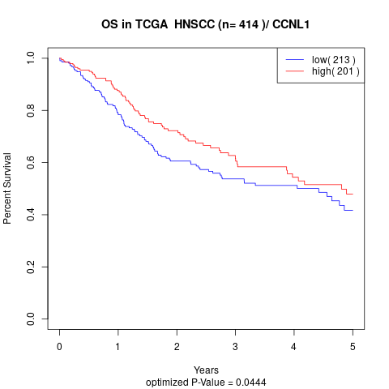

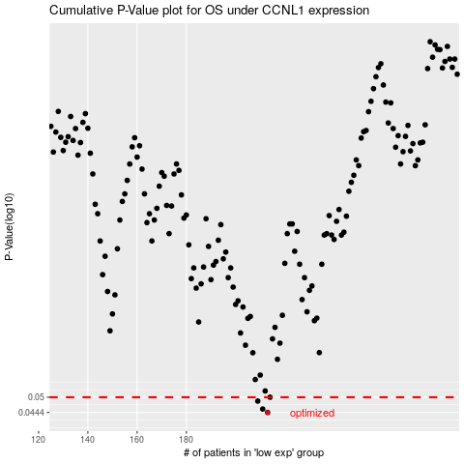

 |  |  |  |  |  | cases_OS | p_OS | rank | exp
 |  |  |  |  |  | 213 | 0.0444 | 309 | -0.19788130078
 |  |  |  |  |  | 211 | 0.0456 | 96 | -0.20012906748
 |  |  |  |  |  | 209 | 0.0485 | 128 | -0.20853855221
 |  |  |  |  |  | 214 | 0.05 | 219 | -0.19471029372
 |  |  |  |  |  |  | cases_RFS | p_RFS | rank | exp
 |  |  |  |  |  |  | 212 | 0.0444 | 118 | -0.19847715395
 |  |  |  |  |  |  | 210 | 0.0456 | 372 | -0.20770673158
 |  |  |  |  |  |  | 208 | 0.0485 | 323 | -0.2109807448
 |  |  |  |  |  |  | 213 | 0.05 | 309 | -0.19788130078

