CCNYL1 _multivariate
Reported by Tex Li-Hsing Chi. tex@gate.sinica.edu.tw 2019-08-21

Table 2. The clinicopathological features of HNSCC cohort and CCNYL1 expression. (Chi square test)
Cutoff at -0.139 (50.0%)
 |  | CCNYL1 expression |  | CCNYL1 expression |  | (Optimised)
 | Features | Low | (%) | High | (%) | Case no | P-value | Remark | Matthews
Gender | Female | 160 | 38.6 | 146 | 35.2 | 415 | 0.1254 | 0 | 0
2 | Male | 47 | 11.3 | 62 | 14.9
Age at diagnosis | <=65y | 135 | 32.5 | 139 | 33.5 | 415 | 0.8084 | 0 | 0
4 | >65y | 72 | 17.3 | 69 | 16.6
Clinical T Status | T1+T2 | 68 | 16.4 | 81 | 19.5 | 415 | 0.2336 | 0 | 0
6 | T3+T4 | 139 | 33.5 | 127 | 30.6
Clinical N Status | N0 | 101 | 24.3 | 115 | 27.7 | 415 | 0.2201 | 0 | 0
8 | N1-3 | 106 | 25.5 | 93 | 22.4
Clinical M Status | M0 | 205 | 49.4 | 207 | 49.9 | 415 | 0.6232 | 0 | 0
10 | M1 | 2 | 0.5 | 1 | 0.2
Clinical Stage | Stage I+II | 41 | 9.9 | 61 | 14.7 | 415 | 0.0325 | 1 | 0
12 | Stage III+IV | 166 | 40 | 147 | 35.4
Surgical Margin status | Negative | 157 | 37.8 | 161 | 38.8 | 415 | 0.729 | 0 | 0
14 | Positive | 50 | 12 | 47 | 11.3
Tobacco Exposure | Low | 75 | 18.1 | 86 | 20.7 | 415 | 0.3141 | 0 | 0
16 | High | 132 | 31.8 | 122 | 29.4

Table 3. Univariate/Multivariate Cox's proportional hazards regression analyses on OS time of CCNYL1 gene expression in HNSCC

 |  | Univariate |  |  |  | Multivariate
 | Features | HR | CI95%(L) | CI95%(H) | P-value | HR | CI95%(L) | CI95%(H) | P-value
1 | Female | 1 |  |  |  | 1
Gender | Male | 1.157 | 0.843 | 1.587 | 0.367 | 1.195 | 0.855 | 1.668 | 0.297
11 | <=65y | 1 |  |  |  | 1
Age at diagnosis | >65y | 1.329 | 0.99 | 1.784 | 0.058 | 1.4 | 1.03 | 1.902 | 0.032
12 | T1+T2 | 1 |  |  |  | 1
Clinical T Status | T3+T4 | 1.409 | 1.028 | 1.931 | 0.033 | 2.231 | 1.18 | 4.221 | 0.014
13 | N0 | 1 |  |  |  | 1
Clinical N Status | N1-3 | 1.185 | 0.89 | 1.577 | 0.246 | 1.251 | 0.876 | 1.786 | 0.217
14 | M0 | 1 |  |  |  | 1
Clinical M Status | M1 | 4.097 | 1.009 | 16.644 | 0.049 | 9.575 | 2.087 | 43.928 | 0.004
15 | Stage I+II | 1 |  |  |  | 1
Clinical Stage | Stage III+IV | 1.245 | 0.882 | 1.759 | 0.213 | 0.51 | 0.237 | 1.095 | 0.084
16 | Negative | 1 |  |  |  | 1
Surgical Margin status | Positive | 1.591 | 1.155 | 2.191 | 0.004 | 1.698 | 1.227 | 2.35 | 0.001
17 | Low | 1 |  |  |  | 1
Tobacco Exposure | High | 1.364 | 1.008 | 1.844 | 0.044 | 1.455 | 1.057 | 2.003 | 0.022
18 | Low | 1 |  |  |  | 1
RNAseq(z-score) | High | 1.093 | 0.821 | 1.456 | 0.542 | 1.19 | 0.889 | 1.593 | 0.242

Table 4. Univariate/Multivariate Cox's proportional hazards regression analyses on RFS time of CCNYL1 gene expression in HNSCC

 |  | Univariate |  |  |  | Multivariate
 | Features | HR | CI95%(L) | CI95%(H) | P-value | HR | CI95%(L) | CI95%(H) | P-value
1 | Female | 1 |  |  |  | 1
Gender | Male | 1.157 | 0.843 | 1.587 | 0.367 | 1.195 | 0.855 | 1.668 | 0.297
11 | <=65y | 1 |  |  |  | 1
Age at diagnosis | >65y | 1.329 | 0.99 | 1.784 | 0.058 | 1.4 | 1.03 | 1.902 | 0.032
12 | T1+T2 | 1 |  |  |  | 1
Clinical T Status | T3+T4 | 1.409 | 1.028 | 1.931 | 0.033 | 2.231 | 1.18 | 4.221 | 0.014
13 | N0 | 1 |  |  |  | 1
Clinical N Status | N1-3 | 1.185 | 0.89 | 1.577 | 0.246 | 1.251 | 0.876 | 1.786 | 0.217
14 | M0 | 1 |  |  |  | 1
Clinical M Status | M1 | 4.097 | 1.009 | 16.644 | 0.049 | 9.575 | 2.087 | 43.928 | 0.004
15 | Stage I+II | 1 |  |  |  | 1
Clinical Stage | Stage III+IV | 1.245 | 0.882 | 1.759 | 0.213 | 0.51 | 0.237 | 1.095 | 0.084
16 | Negative | 1 |  |  |  | 1
Surgical Margin status | Positive | 1.591 | 1.155 | 2.191 | 0.004 | 1.698 | 1.227 | 2.35 | 0.001
17 | Low | 1 |  |  |  | 1
Tobacco Exposure | High | 1.364 | 1.008 | 1.844 | 0.044 | 1.455 | 1.057 | 2.003 | 0.022
18 | Low | 1 |  |  |  | 1
RNAseq(z-score) | High | 1.093 | 0.821 | 1.456 | 0.542 | 1.19 | 0.889 | 1.593 | 0.242

Kaplan-Meier survival estimate: Cutoff at -0.139 (50.0%)



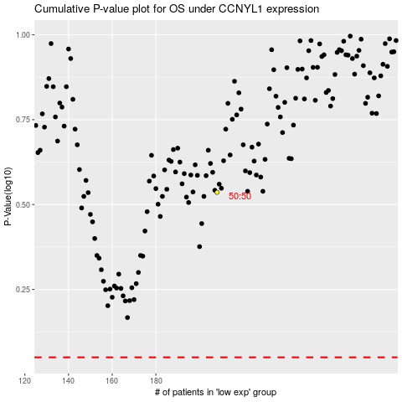

 |  |  |  |  |  | cases_OS | p_OS | rank | exp
 |  |  |  |  |  |  | cases_RFS | p_RFS | rank | exp

