CCRN4L _multivariate
Reported by Tex Li-Hsing Chi. tex@gate.sinica.edu.tw 2019-08-21

Table 2. The clinicopathological features of HNSCC cohort and CCRN4L expression. (Chi square test)
Cutoff at 0.282 (66.7%)
 |  | CCRN4L expression |  | CCRN4L expression |  | (Optimised)
 | Features | Low | (%) | High | (%) | Case no | P-value | Remark | Matthews
Gender | Female | 212 | 51.1 | 94 | 22.7 | 415 | 0.0859 | 0 | 0
2 | Male | 65 | 15.7 | 44 | 10.6
Age at diagnosis | <=65y | 187 | 45.1 | 87 | 21 | 415 | 0.4267 | 0 | 0
4 | >65y | 90 | 21.7 | 51 | 12.3
Clinical T Status | T1+T2 | 105 | 25.3 | 44 | 10.6 | 415 | 0.273 | 0 | 0
6 | T3+T4 | 172 | 41.4 | 94 | 22.7
Clinical N Status | N0 | 142 | 34.2 | 74 | 17.8 | 415 | 0.7271 | 0 | 0
8 | N1-3 | 135 | 32.5 | 64 | 15.4
Clinical M Status | M0 | 275 | 66.3 | 137 | 33 | 415 | 1 | 0 | 0
10 | M1 | 2 | 0.5 | 1 | 0.2
Clinical Stage | Stage I+II | 69 | 16.6 | 33 | 8 | 415 | 0.9194 | 0 | 0
12 | Stage III+IV | 208 | 50.1 | 105 | 25.3
Surgical Margin status | Negative | 211 | 50.8 | 107 | 25.8 | 415 | 0.8062 | 0 | 0
14 | Positive | 66 | 15.9 | 31 | 7.5
Tobacco Exposure | Low | 105 | 25.3 | 56 | 13.5 | 415 | 0.669 | 0 | 0
16 | High | 172 | 41.4 | 82 | 19.8

Table 3. Univariate/Multivariate Cox's proportional hazards regression analyses on OS time of CCRN4L gene expression in HNSCC

 |  | Univariate |  |  |  | Multivariate
 | Features | HR | CI95%(L) | CI95%(H) | P-value | HR | CI95%(L) | CI95%(H) | P-value
1 | Female | 1 |  |  |  | 1
Gender | Male | 1.157 | 0.843 | 1.587 | 0.367 | 1.161 | 0.829 | 1.625 | 0.386
11 | <=65y | 1 |  |  |  | 1
Age at diagnosis | >65y | 1.329 | 0.99 | 1.784 | 0.058 | 1.355 | 0.995 | 1.845 | 0.054
12 | T1+T2 | 1 |  |  |  | 1
Clinical T Status | T3+T4 | 1.409 | 1.028 | 1.931 | 0.033 | 2.152 | 1.139 | 4.069 | 0.018
13 | N0 | 1 |  |  |  | 1
Clinical N Status | N1-3 | 1.185 | 0.89 | 1.577 | 0.246 | 1.262 | 0.885 | 1.8 | 0.199
14 | M0 | 1 |  |  |  | 1
Clinical M Status | M1 | 4.097 | 1.009 | 16.644 | 0.049 | 8.903 | 1.94 | 40.859 | 0.005
15 | Stage I+II | 1 |  |  |  | 1
Clinical Stage | Stage III+IV | 1.245 | 0.882 | 1.759 | 0.213 | 0.519 | 0.242 | 1.113 | 0.092
16 | Negative | 1 |  |  |  | 1
Surgical Margin status | Positive | 1.591 | 1.155 | 2.191 | 0.004 | 1.692 | 1.224 | 2.339 | 0.001
17 | Low | 1 |  |  |  | 1
Tobacco Exposure | High | 1.364 | 1.008 | 1.844 | 0.044 | 1.485 | 1.075 | 2.051 | 0.017
18 | Low | 1 |  |  |  | 1
RNAseq(z-score) | High | 1.366 | 1.013 | 1.842 | 0.041 | 1.364 | 1.004 | 1.854 | 0.047

Table 4. Univariate/Multivariate Cox's proportional hazards regression analyses on RFS time of CCRN4L gene expression in HNSCC

 |  | Univariate |  |  |  | Multivariate
 | Features | HR | CI95%(L) | CI95%(H) | P-value | HR | CI95%(L) | CI95%(H) | P-value
1 | Female | 1 |  |  |  | 1
Gender | Male | 1.157 | 0.843 | 1.587 | 0.367 | 1.161 | 0.829 | 1.625 | 0.386
11 | <=65y | 1 |  |  |  | 1
Age at diagnosis | >65y | 1.329 | 0.99 | 1.784 | 0.058 | 1.355 | 0.995 | 1.845 | 0.054
12 | T1+T2 | 1 |  |  |  | 1
Clinical T Status | T3+T4 | 1.409 | 1.028 | 1.931 | 0.033 | 2.152 | 1.139 | 4.069 | 0.018
13 | N0 | 1 |  |  |  | 1
Clinical N Status | N1-3 | 1.185 | 0.89 | 1.577 | 0.246 | 1.262 | 0.885 | 1.8 | 0.199
14 | M0 | 1 |  |  |  | 1
Clinical M Status | M1 | 4.097 | 1.009 | 16.644 | 0.049 | 8.903 | 1.94 | 40.859 | 0.005
15 | Stage I+II | 1 |  |  |  | 1
Clinical Stage | Stage III+IV | 1.245 | 0.882 | 1.759 | 0.213 | 0.519 | 0.242 | 1.113 | 0.092
16 | Negative | 1 |  |  |  | 1
Surgical Margin status | Positive | 1.591 | 1.155 | 2.191 | 0.004 | 1.692 | 1.224 | 2.339 | 0.001
17 | Low | 1 |  |  |  | 1
Tobacco Exposure | High | 1.364 | 1.008 | 1.844 | 0.044 | 1.485 | 1.075 | 2.051 | 0.017
18 | Low | 1 |  |  |  | 1
RNAseq(z-score) | High | 1.366 | 1.013 | 1.842 | 0.041 | 1.364 | 1.004 | 1.854 | 0.047

Kaplan-Meier survival estimate: Cutoff at 0.282 (66.7%)



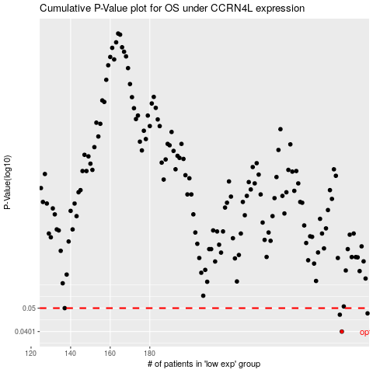

 |  |  |  |  |  | cases_OS | p_OS | rank | exp
 |  |  |  |  |  | 277 | 0.0401 | 369 | 0.28155359893
 |  |  |  |  |  | 276 | 0.047 | 11 | 0.27364527483
 |  |  |  |  |  | 290 | 0.0476 | 162 | 0.34495206868
 |  |  |  |  |  | 137 | 0.05 | 214 | -0.46366031734
 |  |  |  |  |  |  | cases_RFS | p_RFS | rank | exp
 |  |  |  |  |  |  | 276 | 0.0401 | 11 | 0.27364527483
 |  |  |  |  |  |  | 275 | 0.047 | 219 | 0.26067568573
 |  |  |  |  |  |  | 289 | 0.0476 | 111 | 0.3436067679
 |  |  |  |  |  |  | 136 | 0.05 | 106 | -0.46535598938

