CCS _multivariate
Reported by Tex Li-Hsing Chi. tex@gate.sinica.edu.tw 2019-08-21

Table 2. The clinicopathological features of HNSCC cohort and CCS expression. (Chi square test)
Cutoff at -0.244 (49.8%)
 |  | CCS expression |  | CCS expression |  | (Optimised)
 | Features | Low | (%) | High | (%) | Case no | P-value | Remark | Matthews
Gender | Female | 149 | 35.9 | 157 | 37.8 | 415 | 0.4848 | 0 | 0
2 | Male | 58 | 14 | 51 | 12.3
Age at diagnosis | <=65y | 133 | 32 | 141 | 34 | 415 | 0.5111 | 0 | 0
4 | >65y | 74 | 17.8 | 67 | 16.1
Clinical T Status | T1+T2 | 83 | 20 | 66 | 15.9 | 415 | 0.0941 | 0 | 0
6 | T3+T4 | 124 | 29.9 | 142 | 34.2
Clinical N Status | N0 | 112 | 27 | 104 | 25.1 | 415 | 0.4599 | 0 | 0
8 | N1-3 | 95 | 22.9 | 104 | 25.1
Clinical M Status | M0 | 206 | 49.6 | 206 | 49.6 | 415 | 1 | 0 | 0
10 | M1 | 1 | 0.2 | 2 | 0.5
Clinical Stage | Stage I+II | 59 | 14.2 | 43 | 10.4 | 415 | 0.0822 | 0 | 0
12 | Stage III+IV | 148 | 35.7 | 165 | 39.8
Surgical Margin status | Negative | 162 | 39 | 156 | 37.6 | 415 | 0.4867 | 0 | 0
14 | Positive | 45 | 10.8 | 52 | 12.5
Tobacco Exposure | Low | 90 | 21.7 | 71 | 17.1 | 415 | 0.0559 | 0 | 0
16 | High | 117 | 28.2 | 137 | 33

Table 3. Univariate/Multivariate Cox's proportional hazards regression analyses on OS time of CCS gene expression in HNSCC

 |  | Univariate |  |  |  | Multivariate
 | Features | HR | CI95%(L) | CI95%(H) | P-value | HR | CI95%(L) | CI95%(H) | P-value
1 | Female | 1 |  |  |  | 1
Gender | Male | 1.157 | 0.843 | 1.587 | 0.367 | 1.204 | 0.861 | 1.683 | 0.278
11 | <=65y | 1 |  |  |  | 1
Age at diagnosis | >65y | 1.329 | 0.99 | 1.784 | 0.058 | 1.39 | 1.022 | 1.891 | 0.036
12 | T1+T2 | 1 |  |  |  | 1
Clinical T Status | T3+T4 | 1.409 | 1.028 | 1.931 | 0.033 | 2.208 | 1.167 | 4.18 | 0.015
13 | N0 | 1 |  |  |  | 1
Clinical N Status | N1-3 | 1.185 | 0.89 | 1.577 | 0.246 | 1.242 | 0.87 | 1.772 | 0.233
14 | M0 | 1 |  |  |  | 1
Clinical M Status | M1 | 4.097 | 1.009 | 16.644 | 0.049 | 9.485 | 2.06 | 43.674 | 0.004
15 | Stage I+II | 1 |  |  |  | 1
Clinical Stage | Stage III+IV | 1.245 | 0.882 | 1.759 | 0.213 | 0.504 | 0.235 | 1.082 | 0.079
16 | Negative | 1 |  |  |  | 1
Surgical Margin status | Positive | 1.591 | 1.155 | 2.191 | 0.004 | 1.675 | 1.211 | 2.316 | 0.002
17 | Low | 1 |  |  |  | 1
Tobacco Exposure | High | 1.364 | 1.008 | 1.844 | 0.044 | 1.456 | 1.055 | 2.01 | 0.022
18 | Low | 1 |  |  |  | 1
RNAseq(z-score) | High | 1.092 | 0.82 | 1.455 | 0.548 | 0.979 | 0.73 | 1.313 | 0.889

Table 4. Univariate/Multivariate Cox's proportional hazards regression analyses on RFS time of CCS gene expression in HNSCC

 |  | Univariate |  |  |  | Multivariate
 | Features | HR | CI95%(L) | CI95%(H) | P-value | HR | CI95%(L) | CI95%(H) | P-value
1 | Female | 1 |  |  |  | 1
Gender | Male | 1.157 | 0.843 | 1.587 | 0.367 | 1.204 | 0.861 | 1.683 | 0.278
11 | <=65y | 1 |  |  |  | 1
Age at diagnosis | >65y | 1.329 | 0.99 | 1.784 | 0.058 | 1.39 | 1.022 | 1.891 | 0.036
12 | T1+T2 | 1 |  |  |  | 1
Clinical T Status | T3+T4 | 1.409 | 1.028 | 1.931 | 0.033 | 2.208 | 1.167 | 4.18 | 0.015
13 | N0 | 1 |  |  |  | 1
Clinical N Status | N1-3 | 1.185 | 0.89 | 1.577 | 0.246 | 1.242 | 0.87 | 1.772 | 0.233
14 | M0 | 1 |  |  |  | 1
Clinical M Status | M1 | 4.097 | 1.009 | 16.644 | 0.049 | 9.485 | 2.06 | 43.674 | 0.004
15 | Stage I+II | 1 |  |  |  | 1
Clinical Stage | Stage III+IV | 1.245 | 0.882 | 1.759 | 0.213 | 0.504 | 0.235 | 1.082 | 0.079
16 | Negative | 1 |  |  |  | 1
Surgical Margin status | Positive | 1.591 | 1.155 | 2.191 | 0.004 | 1.675 | 1.211 | 2.316 | 0.002
17 | Low | 1 |  |  |  | 1
Tobacco Exposure | High | 1.364 | 1.008 | 1.844 | 0.044 | 1.456 | 1.055 | 2.01 | 0.022
18 | Low | 1 |  |  |  | 1
RNAseq(z-score) | High | 1.092 | 0.82 | 1.455 | 0.548 | 0.979 | 0.73 | 1.313 | 0.889

Kaplan-Meier survival estimate: Cutoff at -0.244 (49.8%)



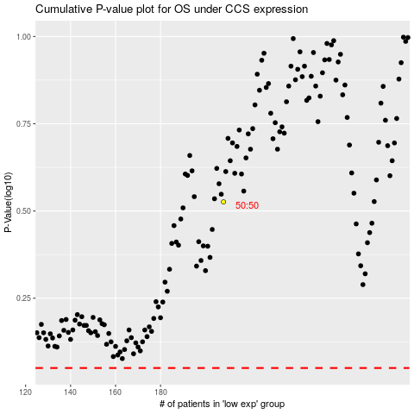

 |  |  |  |  |  | cases_OS | p_OS | rank | exp
 |  |  |  |  |  |  | cases_RFS | p_RFS | rank | exp

