CCT2 _multivariate
Reported by Tex Li-Hsing Chi. tex@gate.sinica.edu.tw 2019-08-21

Table 2. The clinicopathological features of HNSCC cohort and CCT2 expression. (Chi square test)
Cutoff at -0.204 (30.4%)
 |  | CCT2 expression |  | CCT2 expression |  | (Optimised)
 | Features | Low | (%) | High | (%) | Case no | P-value | Remark | Matthews
Gender | Female | 92 | 22.2 | 214 | 51.6 | 415 | 0.9215 | 0 | 0
2 | Male | 34 | 8.2 | 75 | 18.1
Age at diagnosis | <=65y | 90 | 21.7 | 184 | 44.3 | 415 | 0.155 | 0 | 0
4 | >65y | 36 | 8.7 | 105 | 25.3
Clinical T Status | T1+T2 | 50 | 12 | 99 | 23.9 | 415 | 0.343 | 0 | 0
6 | T3+T4 | 76 | 18.3 | 190 | 45.8
Clinical N Status | N0 | 70 | 16.9 | 146 | 35.2 | 415 | 0.4023 | 0 | 0
8 | N1-3 | 56 | 13.5 | 143 | 34.5
Clinical M Status | M0 | 126 | 30.4 | 286 | 68.9 | 415 | 0.5566 | 0 | 0
10 | M1 | 0 | 0 | 3 | 0.7
Clinical Stage | Stage I+II | 33 | 8 | 69 | 16.6 | 415 | 0.7042 | 0 | 0
12 | Stage III+IV | 93 | 22.4 | 220 | 53
Surgical Margin status | Negative | 95 | 22.9 | 223 | 53.7 | 415 | 0.7063 | 0 | 0
14 | Positive | 31 | 7.5 | 66 | 15.9
Tobacco Exposure | Low | 54 | 13 | 107 | 25.8 | 415 | 0.2747 | 0 | 0
16 | High | 72 | 17.3 | 182 | 43.9

Table 3. Univariate/Multivariate Cox's proportional hazards regression analyses on OS time of CCT2 gene expression in HNSCC

 |  | Univariate |  |  |  | Multivariate
 | Features | HR | CI95%(L) | CI95%(H) | P-value | HR | CI95%(L) | CI95%(H) | P-value
1 | Female | 1 |  |  |  | 1
Gender | Male | 1.157 | 0.843 | 1.587 | 0.367 | 1.205 | 0.862 | 1.684 | 0.275
11 | <=65y | 1 |  |  |  | 1
Age at diagnosis | >65y | 1.329 | 0.99 | 1.784 | 0.058 | 1.348 | 0.991 | 1.835 | 0.057
12 | T1+T2 | 1 |  |  |  | 1
Clinical T Status | T3+T4 | 1.409 | 1.028 | 1.931 | 0.033 | 2.136 | 1.13 | 4.039 | 0.02
13 | N0 | 1 |  |  |  | 1
Clinical N Status | N1-3 | 1.185 | 0.89 | 1.577 | 0.246 | 1.232 | 0.864 | 1.758 | 0.249
14 | M0 | 1 |  |  |  | 1
Clinical M Status | M1 | 4.097 | 1.009 | 16.644 | 0.049 | 8.382 | 1.821 | 38.572 | 0.006
15 | Stage I+II | 1 |  |  |  | 1
Clinical Stage | Stage III+IV | 1.245 | 0.882 | 1.759 | 0.213 | 0.524 | 0.244 | 1.127 | 0.098
16 | Negative | 1 |  |  |  | 1
Surgical Margin status | Positive | 1.591 | 1.155 | 2.191 | 0.004 | 1.658 | 1.2 | 2.29 | 0.002
17 | Low | 1 |  |  |  | 1
Tobacco Exposure | High | 1.364 | 1.008 | 1.844 | 0.044 | 1.427 | 1.035 | 1.965 | 0.03
18 | Low | 1 |  |  |  | 1
RNAseq(z-score) | High | 1.484 | 1.07 | 2.059 | 0.018 | 1.353 | 0.973 | 1.881 | 0.072

Table 4. Univariate/Multivariate Cox's proportional hazards regression analyses on RFS time of CCT2 gene expression in HNSCC

 |  | Univariate |  |  |  | Multivariate
 | Features | HR | CI95%(L) | CI95%(H) | P-value | HR | CI95%(L) | CI95%(H) | P-value
1 | Female | 1 |  |  |  | 1
Gender | Male | 1.157 | 0.843 | 1.587 | 0.367 | 1.205 | 0.862 | 1.684 | 0.275
11 | <=65y | 1 |  |  |  | 1
Age at diagnosis | >65y | 1.329 | 0.99 | 1.784 | 0.058 | 1.348 | 0.991 | 1.835 | 0.057
12 | T1+T2 | 1 |  |  |  | 1
Clinical T Status | T3+T4 | 1.409 | 1.028 | 1.931 | 0.033 | 2.136 | 1.13 | 4.039 | 0.02
13 | N0 | 1 |  |  |  | 1
Clinical N Status | N1-3 | 1.185 | 0.89 | 1.577 | 0.246 | 1.232 | 0.864 | 1.758 | 0.249
14 | M0 | 1 |  |  |  | 1
Clinical M Status | M1 | 4.097 | 1.009 | 16.644 | 0.049 | 8.382 | 1.821 | 38.572 | 0.006
15 | Stage I+II | 1 |  |  |  | 1
Clinical Stage | Stage III+IV | 1.245 | 0.882 | 1.759 | 0.213 | 0.524 | 0.244 | 1.127 | 0.098
16 | Negative | 1 |  |  |  | 1
Surgical Margin status | Positive | 1.591 | 1.155 | 2.191 | 0.004 | 1.658 | 1.2 | 2.29 | 0.002
17 | Low | 1 |  |  |  | 1
Tobacco Exposure | High | 1.364 | 1.008 | 1.844 | 0.044 | 1.427 | 1.035 | 1.965 | 0.03
18 | Low | 1 |  |  |  | 1
RNAseq(z-score) | High | 1.484 | 1.07 | 2.059 | 0.018 | 1.353 | 0.973 | 1.881 | 0.072

Kaplan-Meier survival estimate: Cutoff at -0.204 (30.4%)

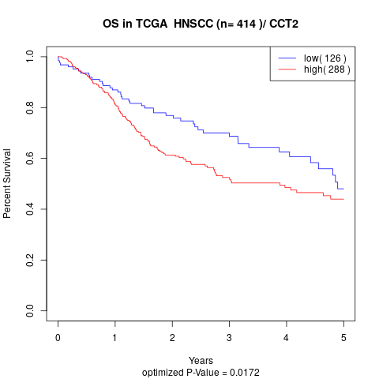

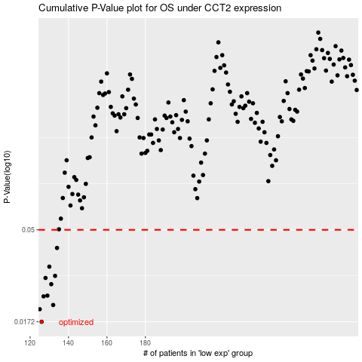

 |  |  |  |  |  | cases_OS | p_OS | rank | exp
 |  |  |  |  |  | 126 | 0.0172 | 263 | -0.20382699501
 |  |  |  |  |  | 125 | 0.0199 | 16 | -0.2038386529
 |  |  |  |  |  | 132 | 0.0209 | 364 | -0.19663537386
 |  |  |  |  |  | 127 | 0.0231 | 267 | -0.20130436981
 |  |  |  |  |  | 129 | 0.0233 | 113 | -0.2007764248
 |  |  |  |  |  | 131 | 0.0266 | 149 | -0.19792540227
 |  |  |  |  |  | 128 | 0.0286 | 89 | -0.2010193564
 |  |  |  |  |  | 133 | 0.0293 | 296 | -0.19608912244
 |  |  |  |  |  | 130 | 0.0326 | 262 | -0.19993946123
 |  |  |  |  |  | 134 | 0.0405 | 248 | -0.19550337815
 |  |  |  |  |  |  | cases_RFS | p_RFS | rank | exp
 |  |  |  |  |  |  | 125 | 0.0172 | 16 | -0.2038386529
 |  |  |  |  |  |  |  | 0.0199 | 58 | -0.20384038397
 |  |  |  |  |  |  | 131 | 0.0209 | 149 | -0.19792540227
 |  |  |  |  |  |  | 126 | 0.0231 | 263 | -0.20382699501
 |  |  |  |  |  |  | 128 | 0.0233 | 89 | -0.2010193564
 |  |  |  |  |  |  | 130 | 0.0266 | 262 | -0.19993946123
 |  |  |  |  |  |  | 127 | 0.0286 | 267 | -0.20130436981
 |  |  |  |  |  |  | 132 | 0.0293 | 364 | -0.19663537386
 |  |  |  |  |  |  | 129 | 0.0326 | 113 | -0.2007764248
 |  |  |  |  |  |  | 133 | 0.0405 | 296 | -0.19608912244

